NTF4 _multivariate
Reported by Tex Li-Hsing Chi. tex@gate.sinica.edu.tw 2019-08-17

Table 2. The clinicopathological features of HNSCC cohort and NTF4 expression. (Chi square test)
Cutoff at 0.135 (69.8%)
 |  | NTF4 expression |  | NTF4 expression |  | (Optimised)
 | Features | Low | (%) | High | (%) | Case no | P-value | Remark | Matthews
Gender | Female | 215 | 51.8 | 91 | 21.9 | 415 | 0.8709 | 0 | 0
2 | Male | 75 | 18.1 | 34 | 8.2
Age at diagnosis | <=65y | 190 | 45.8 | 84 | 20.2 | 415 | 0.8266 | 0 | 0
4 | >65y | 100 | 24.1 | 41 | 9.9
Clinical T Status | T1+T2 | 108 | 26 | 41 | 9.9 | 415 | 0.451 | 0 | 0
6 | T3+T4 | 182 | 43.9 | 84 | 20.2
Clinical N Status | N0 | 147 | 35.4 | 69 | 16.6 | 415 | 0.4613 | 0 | 0
8 | N1-3 | 143 | 34.5 | 56 | 13.5
Clinical M Status | M0 | 289 | 69.6 | 123 | 29.6 | 415 | 0.2169 | 0 | 0
10 | M1 | 1 | 0.2 | 2 | 0.5
Clinical Stage | Stage I+II | 72 | 17.3 | 30 | 7.2 | 415 | 0.9558 | 0 | 0
12 | Stage III+IV | 218 | 52.5 | 95 | 22.9
Surgical Margin status | Negative | 225 | 54.2 | 93 | 22.4 | 415 | 0.5276 | 0 | 0
14 | Positive | 65 | 15.7 | 32 | 7.7
Tobacco Exposure | Low | 107 | 25.8 | 54 | 13 | 415 | 0.2296 | 0 | 0
16 | High | 183 | 44.1 | 71 | 17.1

Table 3. Univariate/Multivariate Cox's proportional hazards regression analyses on OS time of NTF4 gene expression in HNSCC

 |  | Univariate |  |  |  | Multivariate
 | Features | HR | CI95%(L) | CI95%(H) | P-value | HR | CI95%(L) | CI95%(H) | P-value
1 | Female | 1 |  |  |  | 1
Gender | Male | 1.157 | 0.843 | 1.587 | 0.367 | 1.165 | 0.833 | 1.629 | 0.373
11 | <=65y | 1 |  |  |  | 1
Age at diagnosis | >65y | 1.329 | 0.99 | 1.784 | 0.058 | 1.428 | 1.05 | 1.943 | 0.023
12 | T1+T2 | 1 |  |  |  | 1
Clinical T Status | T3+T4 | 1.409 | 1.028 | 1.931 | 0.033 | 2.146 | 1.134 | 4.061 | 0.019
13 | N0 | 1 |  |  |  | 1
Clinical N Status | N1-3 | 1.185 | 0.89 | 1.577 | 0.246 | 1.259 | 0.883 | 1.795 | 0.203
14 | M0 | 1 |  |  |  | 1
Clinical M Status | M1 | 4.097 | 1.009 | 16.644 | 0.049 | 7.858 | 1.694 | 36.443 | 0.008
15 | Stage I+II | 1 |  |  |  | 1
Clinical Stage | Stage III+IV | 1.245 | 0.882 | 1.759 | 0.213 | 0.513 | 0.239 | 1.102 | 0.087
16 | Negative | 1 |  |  |  | 1
Surgical Margin status | Positive | 1.591 | 1.155 | 2.191 | 0.004 | 1.628 | 1.177 | 2.251 | 0.003
17 | Low | 1 |  |  |  | 1
Tobacco Exposure | High | 1.364 | 1.008 | 1.844 | 0.044 | 1.437 | 1.044 | 1.977 | 0.026
18 | Low | 1 |  |  |  | 1
RNAseq(z-score) | High | 1.414 | 1.042 | 1.918 | 0.026 | 1.344 | 0.984 | 1.834 | 0.063

Table 4. Univariate/Multivariate Cox's proportional hazards regression analyses on RFS time of NTF4 gene expression in HNSCC

 |  | Univariate |  |  |  | Multivariate
 | Features | HR | CI95%(L) | CI95%(H) | P-value | HR | CI95%(L) | CI95%(H) | P-value
1 | Female | 1 |  |  |  | 1
Gender | Male | 1.157 | 0.843 | 1.587 | 0.367 | 1.165 | 0.833 | 1.629 | 0.373
11 | <=65y | 1 |  |  |  | 1
Age at diagnosis | >65y | 1.329 | 0.99 | 1.784 | 0.058 | 1.428 | 1.05 | 1.943 | 0.023
12 | T1+T2 | 1 |  |  |  | 1
Clinical T Status | T3+T4 | 1.409 | 1.028 | 1.931 | 0.033 | 2.146 | 1.134 | 4.061 | 0.019
13 | N0 | 1 |  |  |  | 1
Clinical N Status | N1-3 | 1.185 | 0.89 | 1.577 | 0.246 | 1.259 | 0.883 | 1.795 | 0.203
14 | M0 | 1 |  |  |  | 1
Clinical M Status | M1 | 4.097 | 1.009 | 16.644 | 0.049 | 7.858 | 1.694 | 36.443 | 0.008
15 | Stage I+II | 1 |  |  |  | 1
Clinical Stage | Stage III+IV | 1.245 | 0.882 | 1.759 | 0.213 | 0.513 | 0.239 | 1.102 | 0.087
16 | Negative | 1 |  |  |  | 1
Surgical Margin status | Positive | 1.591 | 1.155 | 2.191 | 0.004 | 1.628 | 1.177 | 2.251 | 0.003
17 | Low | 1 |  |  |  | 1
Tobacco Exposure | High | 1.364 | 1.008 | 1.844 | 0.044 | 1.437 | 1.044 | 1.977 | 0.026
18 | Low | 1 |  |  |  | 1
RNAseq(z-score) | High | 1.414 | 1.042 | 1.918 | 0.026 | 1.344 | 0.984 | 1.834 | 0.063

Kaplan-Meier survival estimate: Cutoff at 0.135 (69.8%)



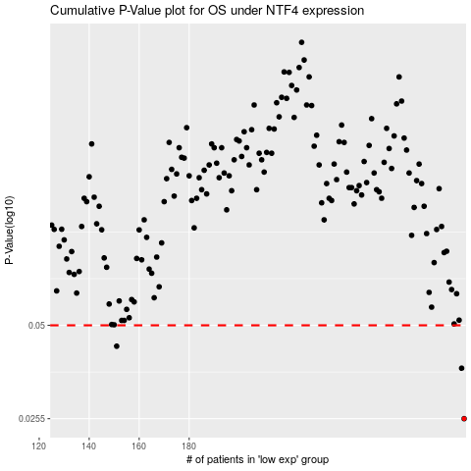

 |  |  |  |  |  | cases_OS | p_OS | rank | exp
 |  |  |  |  |  | 290 | 0.0255 | 401 | 0.13464431758
 |  |  |  |  |  | 289 | 0.0367 | 321 | 0.12485455566
 |  |  |  |  |  | 151 | 0.043 | 224 | -0.44381663363
 |  |  |  |  |  |  | cases_RFS | p_RFS | rank | exp
 |  |  |  |  |  |  | 289 | 0.0255 | 321 | 0.12485455566
 |  |  |  |  |  |  | 288 | 0.0367 | 190 | 0.12142383026
 |  |  |  |  |  |  | 150 | 0.043 | 39 | -0.44481821033

