NTHL1 _multivariate
Reported by Tex Li-Hsing Chi. tex@gate.sinica.edu.tw 2019-08-17

Table 2. The clinicopathological features of HNSCC cohort and NTHL1 expression. (Chi square test)
Cutoff at -0.243 (49.8%)
 |  | NTHL1 expression |  | NTHL1 expression |  | (Optimised)
 | Features | Low | (%) | High | (%) | Case no | P-value | Remark | Matthews
Gender | Female | 148 | 35.7 | 158 | 38.1 | 415 | 0.3567 | 0 | 0
2 | Male | 59 | 14.2 | 50 | 12
Age at diagnosis | <=65y | 133 | 32 | 141 | 34 | 415 | 0.5111 | 0 | 0
4 | >65y | 74 | 17.8 | 67 | 16.1
Clinical T Status | T1+T2 | 86 | 20.7 | 63 | 15.2 | 415 | 0.0221 | 1 | 0
6 | T3+T4 | 121 | 29.2 | 145 | 34.9
Clinical N Status | N0 | 116 | 28 | 100 | 24.1 | 415 | 0.1273 | 1 | 0
8 | N1-3 | 91 | 21.9 | 108 | 26
Clinical M Status | M0 | 206 | 49.6 | 206 | 49.6 | 415 | 1 | 0 | 0
10 | M1 | 1 | 0.2 | 2 | 0.5
Clinical Stage | Stage I+II | 62 | 14.9 | 40 | 9.6 | 415 | 0.0154 | 1 | 0
12 | Stage III+IV | 145 | 34.9 | 168 | 40.5
Surgical Margin status | Negative | 163 | 39.3 | 155 | 37.3 | 415 | 0.3537 | 0 | 0
14 | Positive | 44 | 10.6 | 53 | 12.8
Tobacco Exposure | Low | 95 | 22.9 | 66 | 15.9 | 415 | 0.0035 | 1 | 0
16 | High | 112 | 27 | 142 | 34.2

Table 3. Univariate/Multivariate Cox's proportional hazards regression analyses on OS time of NTHL1 gene expression in HNSCC

 |  | Univariate |  |  |  | Multivariate
 | Features | HR | CI95%(L) | CI95%(H) | P-value | HR | CI95%(L) | CI95%(H) | P-value
1 | Female | 1 |  |  |  | 1
Gender | Male | 1.157 | 0.843 | 1.587 | 0.367 | 1.21 | 0.866 | 1.691 | 0.263
11 | <=65y | 1 |  |  |  | 1
Age at diagnosis | >65y | 1.329 | 0.99 | 1.784 | 0.058 | 1.381 | 1.015 | 1.88 | 0.04
12 | T1+T2 | 1 |  |  |  | 1
Clinical T Status | T3+T4 | 1.409 | 1.028 | 1.931 | 0.033 | 2.215 | 1.17 | 4.19 | 0.015
13 | N0 | 1 |  |  |  | 1
Clinical N Status | N1-3 | 1.185 | 0.89 | 1.577 | 0.246 | 1.246 | 0.873 | 1.777 | 0.226
14 | M0 | 1 |  |  |  | 1
Clinical M Status | M1 | 4.097 | 1.009 | 16.644 | 0.049 | 9.547 | 2.081 | 43.796 | 0.004
15 | Stage I+II | 1 |  |  |  | 1
Clinical Stage | Stage III+IV | 1.245 | 0.882 | 1.759 | 0.213 | 0.507 | 0.236 | 1.088 | 0.081
16 | Negative | 1 |  |  |  | 1
Surgical Margin status | Positive | 1.591 | 1.155 | 2.191 | 0.004 | 1.699 | 1.225 | 2.358 | 0.002
17 | Low | 1 |  |  |  | 1
Tobacco Exposure | High | 1.364 | 1.008 | 1.844 | 0.044 | 1.471 | 1.065 | 2.032 | 0.019
18 | Low | 1 |  |  |  | 1
RNAseq(z-score) | High | 1.025 | 0.769 | 1.365 | 0.867 | 0.908 | 0.675 | 1.22 | 0.52

Table 4. Univariate/Multivariate Cox's proportional hazards regression analyses on RFS time of NTHL1 gene expression in HNSCC

 |  | Univariate |  |  |  | Multivariate
 | Features | HR | CI95%(L) | CI95%(H) | P-value | HR | CI95%(L) | CI95%(H) | P-value
1 | Female | 1 |  |  |  | 1
Gender | Male | 1.157 | 0.843 | 1.587 | 0.367 | 1.21 | 0.866 | 1.691 | 0.263
11 | <=65y | 1 |  |  |  | 1
Age at diagnosis | >65y | 1.329 | 0.99 | 1.784 | 0.058 | 1.381 | 1.015 | 1.88 | 0.04
12 | T1+T2 | 1 |  |  |  | 1
Clinical T Status | T3+T4 | 1.409 | 1.028 | 1.931 | 0.033 | 2.215 | 1.17 | 4.19 | 0.015
13 | N0 | 1 |  |  |  | 1
Clinical N Status | N1-3 | 1.185 | 0.89 | 1.577 | 0.246 | 1.246 | 0.873 | 1.777 | 0.226
14 | M0 | 1 |  |  |  | 1
Clinical M Status | M1 | 4.097 | 1.009 | 16.644 | 0.049 | 9.547 | 2.081 | 43.796 | 0.004
15 | Stage I+II | 1 |  |  |  | 1
Clinical Stage | Stage III+IV | 1.245 | 0.882 | 1.759 | 0.213 | 0.507 | 0.236 | 1.088 | 0.081
16 | Negative | 1 |  |  |  | 1
Surgical Margin status | Positive | 1.591 | 1.155 | 2.191 | 0.004 | 1.699 | 1.225 | 2.358 | 0.002
17 | Low | 1 |  |  |  | 1
Tobacco Exposure | High | 1.364 | 1.008 | 1.844 | 0.044 | 1.471 | 1.065 | 2.032 | 0.019
18 | Low | 1 |  |  |  | 1
RNAseq(z-score) | High | 1.025 | 0.769 | 1.365 | 0.867 | 0.908 | 0.675 | 1.22 | 0.52

Kaplan-Meier survival estimate: Cutoff at -0.243 (49.8%)

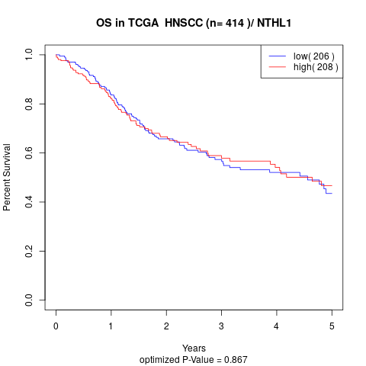

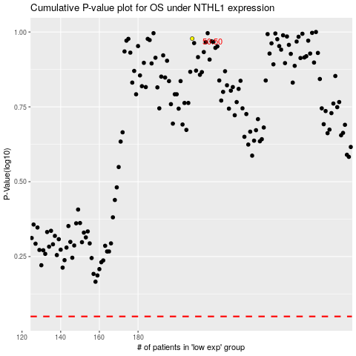

 |  |  |  |  |  | cases_OS | p_OS | rank | exp
 |  |  |  |  |  |  | cases_RFS | p_RFS | rank | exp

