NTN4 _multivariate
Reported by Tex Li-Hsing Chi. tex@gate.sinica.edu.tw 2019-08-17

Table 2. The clinicopathological features of HNSCC cohort and NTN4 expression. (Chi square test)
Cutoff at -0.305 (49.8%)
 |  | NTN4 expression |  | NTN4 expression |  | (Optimised)
 | Features | Low | (%) | High | (%) | Case no | P-value | Remark | Matthews
Gender | Female | 155 | 37.3 | 151 | 36.4 | 415 | 0.6768 | 0 | 0
2 | Male | 52 | 12.5 | 57 | 13.7
Age at diagnosis | <=65y | 136 | 32.8 | 138 | 33.3 | 415 | 0.9719 | 0 | 0
4 | >65y | 71 | 17.1 | 70 | 16.9
Clinical T Status | T1+T2 | 59 | 14.2 | 90 | 21.7 | 415 | 0.0024 | 1 | 0
6 | T3+T4 | 148 | 35.7 | 118 | 28.4
Clinical N Status | N0 | 101 | 24.3 | 115 | 27.7 | 415 | 0.2201 | 0 | 0
8 | N1-3 | 106 | 25.5 | 93 | 22.4
Clinical M Status | M0 | 206 | 49.6 | 206 | 49.6 | 415 | 1 | 0 | 0
10 | M1 | 1 | 0.2 | 2 | 0.5
Clinical Stage | Stage I+II | 37 | 8.9 | 65 | 15.7 | 415 | 0.0023 | 1 | 0
12 | Stage III+IV | 170 | 41 | 143 | 34.5
Surgical Margin status | Negative | 160 | 38.6 | 158 | 38.1 | 415 | 0.8167 | 0 | 0
14 | Positive | 47 | 11.3 | 50 | 12
Tobacco Exposure | Low | 76 | 18.3 | 85 | 20.5 | 415 | 0.4207 | 0 | 0
16 | High | 131 | 31.6 | 123 | 29.6

Table 3. Univariate/Multivariate Cox's proportional hazards regression analyses on OS time of NTN4 gene expression in HNSCC

 |  | Univariate |  |  |  | Multivariate
 | Features | HR | CI95%(L) | CI95%(H) | P-value | HR | CI95%(L) | CI95%(H) | P-value
1 | Female | 1 |  |  |  | 1
Gender | Male | 1.157 | 0.843 | 1.587 | 0.367 | 1.195 | 0.855 | 1.671 | 0.297
11 | <=65y | 1 |  |  |  | 1
Age at diagnosis | >65y | 1.329 | 0.99 | 1.784 | 0.058 | 1.387 | 1.02 | 1.886 | 0.037
12 | T1+T2 | 1 |  |  |  | 1
Clinical T Status | T3+T4 | 1.409 | 1.028 | 1.931 | 0.033 | 2.184 | 1.154 | 4.133 | 0.016
13 | N0 | 1 |  |  |  | 1
Clinical N Status | N1-3 | 1.185 | 0.89 | 1.577 | 0.246 | 1.244 | 0.872 | 1.775 | 0.229
14 | M0 | 1 |  |  |  | 1
Clinical M Status | M1 | 4.097 | 1.009 | 16.644 | 0.049 | 9.38 | 2.046 | 42.995 | 0.004
15 | Stage I+II | 1 |  |  |  | 1
Clinical Stage | Stage III+IV | 1.245 | 0.882 | 1.759 | 0.213 | 0.502 | 0.234 | 1.078 | 0.077
16 | Negative | 1 |  |  |  | 1
Surgical Margin status | Positive | 1.591 | 1.155 | 2.191 | 0.004 | 1.668 | 1.207 | 2.305 | 0.002
17 | Low | 1 |  |  |  | 1
Tobacco Exposure | High | 1.364 | 1.008 | 1.844 | 0.044 | 1.446 | 1.049 | 1.994 | 0.024
18 | Low | 1 |  |  |  | 1
RNAseq(z-score) | High | 0.873 | 0.655 | 1.164 | 0.355 | 0.935 | 0.698 | 1.252 | 0.652

Table 4. Univariate/Multivariate Cox's proportional hazards regression analyses on RFS time of NTN4 gene expression in HNSCC

 |  | Univariate |  |  |  | Multivariate
 | Features | HR | CI95%(L) | CI95%(H) | P-value | HR | CI95%(L) | CI95%(H) | P-value
1 | Female | 1 |  |  |  | 1
Gender | Male | 1.157 | 0.843 | 1.587 | 0.367 | 1.195 | 0.855 | 1.671 | 0.297
11 | <=65y | 1 |  |  |  | 1
Age at diagnosis | >65y | 1.329 | 0.99 | 1.784 | 0.058 | 1.387 | 1.02 | 1.886 | 0.037
12 | T1+T2 | 1 |  |  |  | 1
Clinical T Status | T3+T4 | 1.409 | 1.028 | 1.931 | 0.033 | 2.184 | 1.154 | 4.133 | 0.016
13 | N0 | 1 |  |  |  | 1
Clinical N Status | N1-3 | 1.185 | 0.89 | 1.577 | 0.246 | 1.244 | 0.872 | 1.775 | 0.229
14 | M0 | 1 |  |  |  | 1
Clinical M Status | M1 | 4.097 | 1.009 | 16.644 | 0.049 | 9.38 | 2.046 | 42.995 | 0.004
15 | Stage I+II | 1 |  |  |  | 1
Clinical Stage | Stage III+IV | 1.245 | 0.882 | 1.759 | 0.213 | 0.502 | 0.234 | 1.078 | 0.077
16 | Negative | 1 |  |  |  | 1
Surgical Margin status | Positive | 1.591 | 1.155 | 2.191 | 0.004 | 1.668 | 1.207 | 2.305 | 0.002
17 | Low | 1 |  |  |  | 1
Tobacco Exposure | High | 1.364 | 1.008 | 1.844 | 0.044 | 1.446 | 1.049 | 1.994 | 0.024
18 | Low | 1 |  |  |  | 1
RNAseq(z-score) | High | 0.873 | 0.655 | 1.164 | 0.355 | 0.935 | 0.698 | 1.252 | 0.652

Kaplan-Meier survival estimate: Cutoff at -0.305 (49.8%)



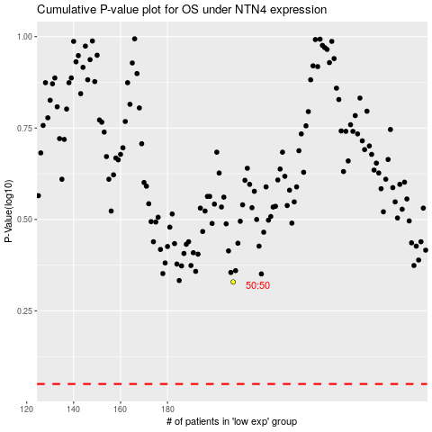

 |  |  |  |  |  | cases_OS | p_OS | rank | exp
 |  |  |  |  |  |  | cases_RFS | p_RFS | rank | exp

