NTNG1 _multivariate
Reported by Tex Li-Hsing Chi. tex@gate.sinica.edu.tw 2019-08-17

Table 2. The clinicopathological features of HNSCC cohort and NTNG1 expression. (Chi square test)
Cutoff at -0.172 (49.8%)
 |  | NTNG1 expression |  | NTNG1 expression |  | (Optimised)
 | Features | Low | (%) | High | (%) | Case no | P-value | Remark | Matthews
Gender | Female | 151 | 36.4 | 155 | 37.3 | 415 | 0.8007 | 0 | 0
2 | Male | 56 | 13.5 | 53 | 12.8
Age at diagnosis | <=65y | 144 | 34.7 | 130 | 31.3 | 415 | 0.1568 | 0 | 0
4 | >65y | 63 | 15.2 | 78 | 18.8
Clinical T Status | T1+T2 | 71 | 17.1 | 78 | 18.8 | 415 | 0.5638 | 0 | 0
6 | T3+T4 | 136 | 32.8 | 130 | 31.3
Clinical N Status | N0 | 99 | 23.9 | 117 | 28.2 | 415 | 0.1054 | 0 | 0
8 | N1-3 | 108 | 26 | 91 | 21.9
Clinical M Status | M0 | 204 | 49.2 | 208 | 50.1 | 415 | 0.1232 | 0 | 0
10 | M1 | 3 | 0.7 | 0 | 0
Clinical Stage | Stage I+II | 44 | 10.6 | 58 | 14 | 415 | 0.1459 | 0 | 0
12 | Stage III+IV | 163 | 39.3 | 150 | 36.1
Surgical Margin status | Negative | 161 | 38.8 | 157 | 37.8 | 415 | 0.6429 | 0 | 0
14 | Positive | 46 | 11.1 | 51 | 12.3
Tobacco Exposure | Low | 75 | 18.1 | 86 | 20.7 | 415 | 0.3141 | 0 | 0
16 | High | 132 | 31.8 | 122 | 29.4

Table 3. Univariate/Multivariate Cox's proportional hazards regression analyses on OS time of NTNG1 gene expression in HNSCC

 |  | Univariate |  |  |  | Multivariate
 | Features | HR | CI95%(L) | CI95%(H) | P-value | HR | CI95%(L) | CI95%(H) | P-value
1 | Female | 1 |  |  |  | 1
Gender | Male | 1.157 | 0.843 | 1.587 | 0.367 | 1.186 | 0.847 | 1.66 | 0.32
11 | <=65y | 1 |  |  |  | 1
Age at diagnosis | >65y | 1.329 | 0.99 | 1.784 | 0.058 | 1.401 | 1.03 | 1.904 | 0.032
12 | T1+T2 | 1 |  |  |  | 1
Clinical T Status | T3+T4 | 1.409 | 1.028 | 1.931 | 0.033 | 2.2 | 1.163 | 4.16 | 0.015
13 | N0 | 1 |  |  |  | 1
Clinical N Status | N1-3 | 1.185 | 0.89 | 1.577 | 0.246 | 1.229 | 0.86 | 1.755 | 0.257
14 | M0 | 1 |  |  |  | 1
Clinical M Status | M1 | 4.097 | 1.009 | 16.644 | 0.049 | 8.944 | 1.941 | 41.206 | 0.005
15 | Stage I+II | 1 |  |  |  | 1
Clinical Stage | Stage III+IV | 1.245 | 0.882 | 1.759 | 0.213 | 0.501 | 0.233 | 1.076 | 0.076
16 | Negative | 1 |  |  |  | 1
Surgical Margin status | Positive | 1.591 | 1.155 | 2.191 | 0.004 | 1.693 | 1.223 | 2.343 | 0.002
17 | Low | 1 |  |  |  | 1
Tobacco Exposure | High | 1.364 | 1.008 | 1.844 | 0.044 | 1.454 | 1.055 | 2.004 | 0.022
18 | Low | 1 |  |  |  | 1
RNAseq(z-score) | High | 0.891 | 0.669 | 1.188 | 0.432 | 0.893 | 0.665 | 1.199 | 0.452

Table 4. Univariate/Multivariate Cox's proportional hazards regression analyses on RFS time of NTNG1 gene expression in HNSCC

 |  | Univariate |  |  |  | Multivariate
 | Features | HR | CI95%(L) | CI95%(H) | P-value | HR | CI95%(L) | CI95%(H) | P-value
1 | Female | 1 |  |  |  | 1
Gender | Male | 1.157 | 0.843 | 1.587 | 0.367 | 1.186 | 0.847 | 1.66 | 0.32
11 | <=65y | 1 |  |  |  | 1
Age at diagnosis | >65y | 1.329 | 0.99 | 1.784 | 0.058 | 1.401 | 1.03 | 1.904 | 0.032
12 | T1+T2 | 1 |  |  |  | 1
Clinical T Status | T3+T4 | 1.409 | 1.028 | 1.931 | 0.033 | 2.2 | 1.163 | 4.16 | 0.015
13 | N0 | 1 |  |  |  | 1
Clinical N Status | N1-3 | 1.185 | 0.89 | 1.577 | 0.246 | 1.229 | 0.86 | 1.755 | 0.257
14 | M0 | 1 |  |  |  | 1
Clinical M Status | M1 | 4.097 | 1.009 | 16.644 | 0.049 | 8.944 | 1.941 | 41.206 | 0.005
15 | Stage I+II | 1 |  |  |  | 1
Clinical Stage | Stage III+IV | 1.245 | 0.882 | 1.759 | 0.213 | 0.501 | 0.233 | 1.076 | 0.076
16 | Negative | 1 |  |  |  | 1
Surgical Margin status | Positive | 1.591 | 1.155 | 2.191 | 0.004 | 1.693 | 1.223 | 2.343 | 0.002
17 | Low | 1 |  |  |  | 1
Tobacco Exposure | High | 1.364 | 1.008 | 1.844 | 0.044 | 1.454 | 1.055 | 2.004 | 0.022
18 | Low | 1 |  |  |  | 1
RNAseq(z-score) | High | 0.891 | 0.669 | 1.188 | 0.432 | 0.893 | 0.665 | 1.199 | 0.452

Kaplan-Meier survival estimate: Cutoff at -0.172 (49.8%)



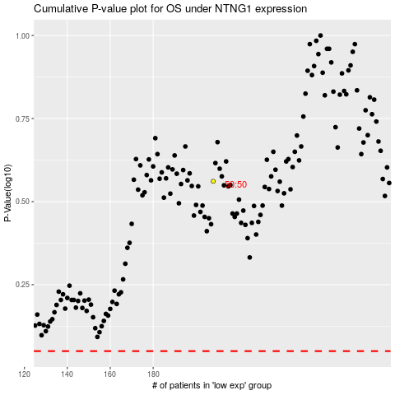

 |  |  |  |  |  | cases_OS | p_OS | rank | exp
 |  |  |  |  |  |  | cases_RFS | p_RFS | rank | exp

