NTSR1 _multivariate
Reported by Tex Li-Hsing Chi. tex@gate.sinica.edu.tw 2019-08-17

Table 2. The clinicopathological features of HNSCC cohort and NTSR1 expression. (Chi square test)
Cutoff at -0.268 (49.8%)
 |  | NTSR1 expression |  | NTSR1 expression |  | (Optimised)
 | Features | Low | (%) | High | (%) | Case no | P-value | Remark | Matthews
Gender | Female | 149 | 35.9 | 157 | 37.8 | 415 | 0.4848 | 0 | 0
2 | Male | 58 | 14 | 51 | 12.3
Age at diagnosis | <=65y | 131 | 31.6 | 143 | 34.5 | 415 | 0.2839 | 0 | 0
4 | >65y | 76 | 18.3 | 65 | 15.7
Clinical T Status | T1+T2 | 73 | 17.6 | 76 | 18.3 | 415 | 0.8666 | 0 | 0
6 | T3+T4 | 134 | 32.3 | 132 | 31.8
Clinical N Status | N0 | 106 | 25.5 | 110 | 26.5 | 415 | 0.8075 | 0 | 0
8 | N1-3 | 101 | 24.3 | 98 | 23.6
Clinical M Status | M0 | 205 | 49.4 | 207 | 49.9 | 415 | 0.6232 | 0 | 0
10 | M1 | 2 | 0.5 | 1 | 0.2
Clinical Stage | Stage I+II | 52 | 12.5 | 50 | 12 | 415 | 0.8871 | 0 | 0
12 | Stage III+IV | 155 | 37.3 | 158 | 38.1
Surgical Margin status | Negative | 156 | 37.6 | 162 | 39 | 415 | 0.5636 | 0 | 0
14 | Positive | 51 | 12.3 | 46 | 11.1
Tobacco Exposure | Low | 86 | 20.7 | 75 | 18.1 | 415 | 0.2687 | 0 | 0
16 | High | 121 | 29.2 | 133 | 32

Table 3. Univariate/Multivariate Cox's proportional hazards regression analyses on OS time of NTSR1 gene expression in HNSCC

 |  | Univariate |  |  |  | Multivariate
 | Features | HR | CI95%(L) | CI95%(H) | P-value | HR | CI95%(L) | CI95%(H) | P-value
1 | Female | 1 |  |  |  | 1
Gender | Male | 1.157 | 0.843 | 1.587 | 0.367 | 1.222 | 0.874 | 1.709 | 0.241
11 | <=65y | 1 |  |  |  | 1
Age at diagnosis | >65y | 1.329 | 0.99 | 1.784 | 0.058 | 1.401 | 1.03 | 1.906 | 0.032
12 | T1+T2 | 1 |  |  |  | 1
Clinical T Status | T3+T4 | 1.409 | 1.028 | 1.931 | 0.033 | 2.253 | 1.19 | 4.265 | 0.013
13 | N0 | 1 |  |  |  | 1
Clinical N Status | N1-3 | 1.185 | 0.89 | 1.577 | 0.246 | 1.27 | 0.888 | 1.814 | 0.19
14 | M0 | 1 |  |  |  | 1
Clinical M Status | M1 | 4.097 | 1.009 | 16.644 | 0.049 | 9.691 | 2.111 | 44.486 | 0.003
15 | Stage I+II | 1 |  |  |  | 1
Clinical Stage | Stage III+IV | 1.245 | 0.882 | 1.759 | 0.213 | 0.492 | 0.229 | 1.057 | 0.069
16 | Negative | 1 |  |  |  | 1
Surgical Margin status | Positive | 1.591 | 1.155 | 2.191 | 0.004 | 1.675 | 1.212 | 2.314 | 0.002
17 | Low | 1 |  |  |  | 1
Tobacco Exposure | High | 1.364 | 1.008 | 1.844 | 0.044 | 1.457 | 1.056 | 2.009 | 0.022
18 | Low | 1 |  |  |  | 1
RNAseq(z-score) | High | 1.107 | 0.83 | 1.477 | 0.488 | 1.191 | 0.888 | 1.599 | 0.243

Table 4. Univariate/Multivariate Cox's proportional hazards regression analyses on RFS time of NTSR1 gene expression in HNSCC

 |  | Univariate |  |  |  | Multivariate
 | Features | HR | CI95%(L) | CI95%(H) | P-value | HR | CI95%(L) | CI95%(H) | P-value
1 | Female | 1 |  |  |  | 1
Gender | Male | 1.157 | 0.843 | 1.587 | 0.367 | 1.222 | 0.874 | 1.709 | 0.241
11 | <=65y | 1 |  |  |  | 1
Age at diagnosis | >65y | 1.329 | 0.99 | 1.784 | 0.058 | 1.401 | 1.03 | 1.906 | 0.032
12 | T1+T2 | 1 |  |  |  | 1
Clinical T Status | T3+T4 | 1.409 | 1.028 | 1.931 | 0.033 | 2.253 | 1.19 | 4.265 | 0.013
13 | N0 | 1 |  |  |  | 1
Clinical N Status | N1-3 | 1.185 | 0.89 | 1.577 | 0.246 | 1.27 | 0.888 | 1.814 | 0.19
14 | M0 | 1 |  |  |  | 1
Clinical M Status | M1 | 4.097 | 1.009 | 16.644 | 0.049 | 9.691 | 2.111 | 44.486 | 0.003
15 | Stage I+II | 1 |  |  |  | 1
Clinical Stage | Stage III+IV | 1.245 | 0.882 | 1.759 | 0.213 | 0.492 | 0.229 | 1.057 | 0.069
16 | Negative | 1 |  |  |  | 1
Surgical Margin status | Positive | 1.591 | 1.155 | 2.191 | 0.004 | 1.675 | 1.212 | 2.314 | 0.002
17 | Low | 1 |  |  |  | 1
Tobacco Exposure | High | 1.364 | 1.008 | 1.844 | 0.044 | 1.457 | 1.056 | 2.009 | 0.022
18 | Low | 1 |  |  |  | 1
RNAseq(z-score) | High | 1.107 | 0.83 | 1.477 | 0.488 | 1.191 | 0.888 | 1.599 | 0.243

Kaplan-Meier survival estimate: Cutoff at -0.268 (49.8%)



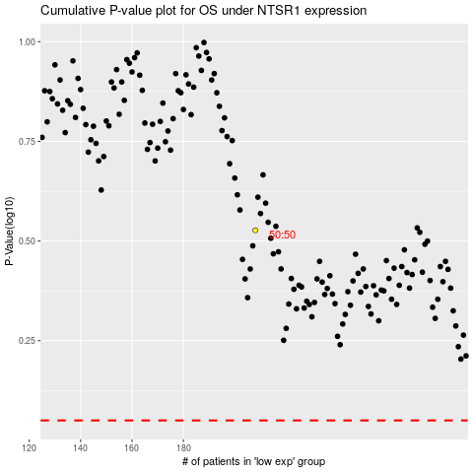

 |  |  |  |  |  | cases_OS | p_OS | rank | exp
 |  |  |  |  |  |  | cases_RFS | p_RFS | rank | exp

