NUBP1 _multivariate
Reported by Tex Li-Hsing Chi. tex@gate.sinica.edu.tw 2019-08-17

Table 2. The clinicopathological features of HNSCC cohort and NUBP1 expression. (Chi square test)
Cutoff at -0.259 (49.8%)
 |  | NUBP1 expression |  | NUBP1 expression |  | (Optimised)
 | Features | Low | (%) | High | (%) | Case no | P-value | Remark | Matthews
Gender | Female | 158 | 38.1 | 148 | 35.7 | 415 | 0.2774 | 0 | 0
2 | Male | 49 | 11.8 | 60 | 14.5
Age at diagnosis | <=65y | 140 | 33.7 | 134 | 32.3 | 415 | 0.5574 | 0 | 0
4 | >65y | 67 | 16.1 | 74 | 17.8
Clinical T Status | T1+T2 | 63 | 15.2 | 86 | 20.7 | 415 | 0.0268 | 1 | 0
6 | T3+T4 | 144 | 34.7 | 122 | 29.4
Clinical N Status | N0 | 107 | 25.8 | 109 | 26.3 | 415 | 0.9624 | 0 | 0
8 | N1-3 | 100 | 24.1 | 99 | 23.9
Clinical M Status | M0 | 207 | 49.9 | 205 | 49.4 | 415 | 0.2482 | 0 | 0
10 | M1 | 0 | 0 | 3 | 0.7
Clinical Stage | Stage I+II | 43 | 10.4 | 59 | 14.2 | 415 | 0.0925 | 0 | 0
12 | Stage III+IV | 164 | 39.5 | 149 | 35.9
Surgical Margin status | Negative | 155 | 37.3 | 163 | 39.3 | 415 | 0.4187 | 0 | 0
14 | Positive | 52 | 12.5 | 45 | 10.8
Tobacco Exposure | Low | 69 | 16.6 | 92 | 22.2 | 415 | 0.0266 | 1 | 0
16 | High | 138 | 33.3 | 116 | 28

Table 3. Univariate/Multivariate Cox's proportional hazards regression analyses on OS time of NUBP1 gene expression in HNSCC

 |  | Univariate |  |  |  | Multivariate
 | Features | HR | CI95%(L) | CI95%(H) | P-value | HR | CI95%(L) | CI95%(H) | P-value
1 | Female | 1 |  |  |  | 1
Gender | Male | 1.157 | 0.843 | 1.587 | 0.367 | 1.222 | 0.874 | 1.709 | 0.242
11 | <=65y | 1 |  |  |  | 1
Age at diagnosis | >65y | 1.329 | 0.99 | 1.784 | 0.058 | 1.417 | 1.041 | 1.929 | 0.027
12 | T1+T2 | 1 |  |  |  | 1
Clinical T Status | T3+T4 | 1.409 | 1.028 | 1.931 | 0.033 | 2.187 | 1.158 | 4.133 | 0.016
13 | N0 | 1 |  |  |  | 1
Clinical N Status | N1-3 | 1.185 | 0.89 | 1.577 | 0.246 | 1.27 | 0.888 | 1.816 | 0.19
14 | M0 | 1 |  |  |  | 1
Clinical M Status | M1 | 4.097 | 1.009 | 16.644 | 0.049 | 10.355 | 2.24 | 47.872 | 0.003
15 | Stage I+II | 1 |  |  |  | 1
Clinical Stage | Stage III+IV | 1.245 | 0.882 | 1.759 | 0.213 | 0.49 | 0.228 | 1.054 | 0.068
16 | Negative | 1 |  |  |  | 1
Surgical Margin status | Positive | 1.591 | 1.155 | 2.191 | 0.004 | 1.66 | 1.201 | 2.293 | 0.002
17 | Low | 1 |  |  |  | 1
Tobacco Exposure | High | 1.364 | 1.008 | 1.844 | 0.044 | 1.434 | 1.04 | 1.977 | 0.028
18 | Low | 1 |  |  |  | 1
RNAseq(z-score) | High | 0.832 | 0.623 | 1.112 | 0.215 | 0.829 | 0.614 | 1.119 | 0.22

Table 4. Univariate/Multivariate Cox's proportional hazards regression analyses on RFS time of NUBP1 gene expression in HNSCC

 |  | Univariate |  |  |  | Multivariate
 | Features | HR | CI95%(L) | CI95%(H) | P-value | HR | CI95%(L) | CI95%(H) | P-value
1 | Female | 1 |  |  |  | 1
Gender | Male | 1.157 | 0.843 | 1.587 | 0.367 | 1.222 | 0.874 | 1.709 | 0.242
11 | <=65y | 1 |  |  |  | 1
Age at diagnosis | >65y | 1.329 | 0.99 | 1.784 | 0.058 | 1.417 | 1.041 | 1.929 | 0.027
12 | T1+T2 | 1 |  |  |  | 1
Clinical T Status | T3+T4 | 1.409 | 1.028 | 1.931 | 0.033 | 2.187 | 1.158 | 4.133 | 0.016
13 | N0 | 1 |  |  |  | 1
Clinical N Status | N1-3 | 1.185 | 0.89 | 1.577 | 0.246 | 1.27 | 0.888 | 1.816 | 0.19
14 | M0 | 1 |  |  |  | 1
Clinical M Status | M1 | 4.097 | 1.009 | 16.644 | 0.049 | 10.355 | 2.24 | 47.872 | 0.003
15 | Stage I+II | 1 |  |  |  | 1
Clinical Stage | Stage III+IV | 1.245 | 0.882 | 1.759 | 0.213 | 0.49 | 0.228 | 1.054 | 0.068
16 | Negative | 1 |  |  |  | 1
Surgical Margin status | Positive | 1.591 | 1.155 | 2.191 | 0.004 | 1.66 | 1.201 | 2.293 | 0.002
17 | Low | 1 |  |  |  | 1
Tobacco Exposure | High | 1.364 | 1.008 | 1.844 | 0.044 | 1.434 | 1.04 | 1.977 | 0.028
18 | Low | 1 |  |  |  | 1
RNAseq(z-score) | High | 0.832 | 0.623 | 1.112 | 0.215 | 0.829 | 0.614 | 1.119 | 0.22

Kaplan-Meier survival estimate: Cutoff at -0.259 (49.8%)



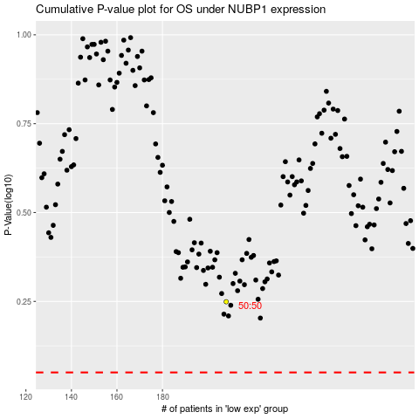

 |  |  |  |  |  | cases_OS | p_OS | rank | exp
 |  |  |  |  |  |  | cases_RFS | p_RFS | rank | exp

