NUBP2 _multivariate
Reported by Tex Li-Hsing Chi. tex@gate.sinica.edu.tw 2019-08-17

Table 2. The clinicopathological features of HNSCC cohort and NUBP2 expression. (Chi square test)
Cutoff at -0.226 (49.8%)
 |  | NUBP2 expression |  | NUBP2 expression |  | (Optimised)
 | Features | Low | (%) | High | (%) | Case no | P-value | Remark | Matthews
Gender | Female | 148 | 35.7 | 158 | 38.1 | 415 | 0.3567 | 0 | 0
2 | Male | 59 | 14.2 | 50 | 12
Age at diagnosis | <=65y | 132 | 31.8 | 142 | 34.2 | 415 | 0.3874 | 0 | 0
4 | >65y | 75 | 18.1 | 66 | 15.9
Clinical T Status | T1+T2 | 76 | 18.3 | 73 | 17.6 | 415 | 0.8092 | 0 | 0
6 | T3+T4 | 131 | 31.6 | 135 | 32.5
Clinical N Status | N0 | 107 | 25.8 | 109 | 26.3 | 415 | 0.9624 | 0 | 0
8 | N1-3 | 100 | 24.1 | 99 | 23.9
Clinical M Status | M0 | 206 | 49.6 | 206 | 49.6 | 415 | 1 | 0 | 0
10 | M1 | 1 | 0.2 | 2 | 0.5
Clinical Stage | Stage I+II | 52 | 12.5 | 50 | 12 | 415 | 0.8871 | 0 | 0
12 | Stage III+IV | 155 | 37.3 | 158 | 38.1
Surgical Margin status | Negative | 159 | 38.3 | 159 | 38.3 | 415 | 1 | 0 | 0
14 | Positive | 48 | 11.6 | 49 | 11.8
Tobacco Exposure | Low | 77 | 18.6 | 84 | 20.2 | 415 | 0.5459 | 0 | 0
16 | High | 130 | 31.3 | 124 | 29.9

Table 3. Univariate/Multivariate Cox's proportional hazards regression analyses on OS time of NUBP2 gene expression in HNSCC

 |  | Univariate |  |  |  | Multivariate
 | Features | HR | CI95%(L) | CI95%(H) | P-value | HR | CI95%(L) | CI95%(H) | P-value
1 | Female | 1 |  |  |  | 1
Gender | Male | 1.157 | 0.843 | 1.587 | 0.367 | 1.191 | 0.853 | 1.663 | 0.305
11 | <=65y | 1 |  |  |  | 1
Age at diagnosis | >65y | 1.329 | 0.99 | 1.784 | 0.058 | 1.363 | 1 | 1.856 | 0.05
12 | T1+T2 | 1 |  |  |  | 1
Clinical T Status | T3+T4 | 1.409 | 1.028 | 1.931 | 0.033 | 2.221 | 1.174 | 4.2 | 0.014
13 | N0 | 1 |  |  |  | 1
Clinical N Status | N1-3 | 1.185 | 0.89 | 1.577 | 0.246 | 1.251 | 0.877 | 1.785 | 0.217
14 | M0 | 1 |  |  |  | 1
Clinical M Status | M1 | 4.097 | 1.009 | 16.644 | 0.049 | 9.897 | 2.153 | 45.492 | 0.003
15 | Stage I+II | 1 |  |  |  | 1
Clinical Stage | Stage III+IV | 1.245 | 0.882 | 1.759 | 0.213 | 0.498 | 0.232 | 1.069 | 0.074
16 | Negative | 1 |  |  |  | 1
Surgical Margin status | Positive | 1.591 | 1.155 | 2.191 | 0.004 | 1.687 | 1.22 | 2.332 | 0.002
17 | Low | 1 |  |  |  | 1
Tobacco Exposure | High | 1.364 | 1.008 | 1.844 | 0.044 | 1.442 | 1.047 | 1.986 | 0.025
18 | Low | 1 |  |  |  | 1
RNAseq(z-score) | High | 0.858 | 0.642 | 1.145 | 0.298 | 0.85 | 0.634 | 1.141 | 0.28

Table 4. Univariate/Multivariate Cox's proportional hazards regression analyses on RFS time of NUBP2 gene expression in HNSCC

 |  | Univariate |  |  |  | Multivariate
 | Features | HR | CI95%(L) | CI95%(H) | P-value | HR | CI95%(L) | CI95%(H) | P-value
1 | Female | 1 |  |  |  | 1
Gender | Male | 1.157 | 0.843 | 1.587 | 0.367 | 1.191 | 0.853 | 1.663 | 0.305
11 | <=65y | 1 |  |  |  | 1
Age at diagnosis | >65y | 1.329 | 0.99 | 1.784 | 0.058 | 1.363 | 1 | 1.856 | 0.05
12 | T1+T2 | 1 |  |  |  | 1
Clinical T Status | T3+T4 | 1.409 | 1.028 | 1.931 | 0.033 | 2.221 | 1.174 | 4.2 | 0.014
13 | N0 | 1 |  |  |  | 1
Clinical N Status | N1-3 | 1.185 | 0.89 | 1.577 | 0.246 | 1.251 | 0.877 | 1.785 | 0.217
14 | M0 | 1 |  |  |  | 1
Clinical M Status | M1 | 4.097 | 1.009 | 16.644 | 0.049 | 9.897 | 2.153 | 45.492 | 0.003
15 | Stage I+II | 1 |  |  |  | 1
Clinical Stage | Stage III+IV | 1.245 | 0.882 | 1.759 | 0.213 | 0.498 | 0.232 | 1.069 | 0.074
16 | Negative | 1 |  |  |  | 1
Surgical Margin status | Positive | 1.591 | 1.155 | 2.191 | 0.004 | 1.687 | 1.22 | 2.332 | 0.002
17 | Low | 1 |  |  |  | 1
Tobacco Exposure | High | 1.364 | 1.008 | 1.844 | 0.044 | 1.442 | 1.047 | 1.986 | 0.025
18 | Low | 1 |  |  |  | 1
RNAseq(z-score) | High | 0.858 | 0.642 | 1.145 | 0.298 | 0.85 | 0.634 | 1.141 | 0.28

Kaplan-Meier survival estimate: Cutoff at -0.226 (49.8%)



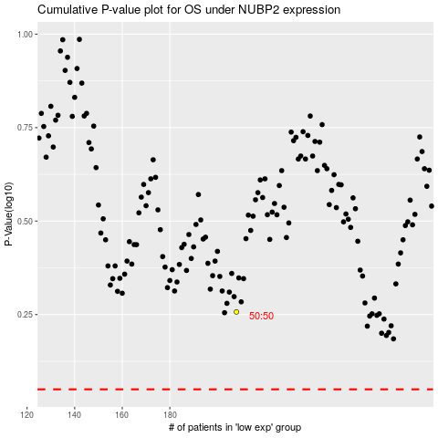

 |  |  |  |  |  | cases_OS | p_OS | rank | exp
 |  |  |  |  |  |  | cases_RFS | p_RFS | rank | exp

