NUCB2 _multivariate
Reported by Tex Li-Hsing Chi. tex@gate.sinica.edu.tw 2019-08-17

Table 2. The clinicopathological features of HNSCC cohort and NUCB2 expression. (Chi square test)
Cutoff at -0.21 (49.8%)
 |  | NUCB2 expression |  | NUCB2 expression |  | (Optimised)
 | Features | Low | (%) | High | (%) | Case no | P-value | Remark | Matthews
Gender | Female | 148 | 35.7 | 158 | 38.1 | 415 | 0.3567 | 0 | 0
2 | Male | 59 | 14.2 | 50 | 12
Age at diagnosis | <=65y | 141 | 34 | 133 | 32 | 415 | 0.4272 | 0 | 0
4 | >65y | 66 | 15.9 | 75 | 18.1
Clinical T Status | T1+T2 | 61 | 14.7 | 88 | 21.2 | 415 | 0.0087 | 1 | 0
6 | T3+T4 | 146 | 35.2 | 120 | 28.9
Clinical N Status | N0 | 104 | 25.1 | 112 | 27 | 415 | 0.5243 | 0 | 0
8 | N1-3 | 103 | 24.8 | 96 | 23.1
Clinical M Status | M0 | 206 | 49.6 | 206 | 49.6 | 415 | 1 | 0 | 0
10 | M1 | 1 | 0.2 | 2 | 0.5
Clinical Stage | Stage I+II | 46 | 11.1 | 56 | 13.5 | 415 | 0.3182 | 0 | 0
12 | Stage III+IV | 161 | 38.8 | 152 | 36.6
Surgical Margin status | Negative | 164 | 39.5 | 154 | 37.1 | 415 | 0.2462 | 0 | 0
14 | Positive | 43 | 10.4 | 54 | 13
Tobacco Exposure | Low | 77 | 18.6 | 84 | 20.2 | 415 | 0.5459 | 0 | 0
16 | High | 130 | 31.3 | 124 | 29.9

Table 3. Univariate/Multivariate Cox's proportional hazards regression analyses on OS time of NUCB2 gene expression in HNSCC

 |  | Univariate |  |  |  | Multivariate
 | Features | HR | CI95%(L) | CI95%(H) | P-value | HR | CI95%(L) | CI95%(H) | P-value
1 | Female | 1 |  |  |  | 1
Gender | Male | 1.157 | 0.843 | 1.587 | 0.367 | 1.2 | 0.859 | 1.676 | 0.285
11 | <=65y | 1 |  |  |  | 1
Age at diagnosis | >65y | 1.329 | 0.99 | 1.784 | 0.058 | 1.401 | 1.029 | 1.908 | 0.032
12 | T1+T2 | 1 |  |  |  | 1
Clinical T Status | T3+T4 | 1.409 | 1.028 | 1.931 | 0.033 | 2.172 | 1.146 | 4.118 | 0.017
13 | N0 | 1 |  |  |  | 1
Clinical N Status | N1-3 | 1.185 | 0.89 | 1.577 | 0.246 | 1.234 | 0.864 | 1.762 | 0.247
14 | M0 | 1 |  |  |  | 1
Clinical M Status | M1 | 4.097 | 1.009 | 16.644 | 0.049 | 9.553 | 2.081 | 43.854 | 0.004
15 | Stage I+II | 1 |  |  |  | 1
Clinical Stage | Stage III+IV | 1.245 | 0.882 | 1.759 | 0.213 | 0.507 | 0.236 | 1.089 | 0.082
16 | Negative | 1 |  |  |  | 1
Surgical Margin status | Positive | 1.591 | 1.155 | 2.191 | 0.004 | 1.68 | 1.215 | 2.322 | 0.002
17 | Low | 1 |  |  |  | 1
Tobacco Exposure | High | 1.364 | 1.008 | 1.844 | 0.044 | 1.461 | 1.059 | 2.016 | 0.021
18 | Low | 1 |  |  |  | 1
RNAseq(z-score) | High | 0.942 | 0.705 | 1.259 | 0.687 | 0.933 | 0.694 | 1.254 | 0.646

Table 4. Univariate/Multivariate Cox's proportional hazards regression analyses on RFS time of NUCB2 gene expression in HNSCC

 |  | Univariate |  |  |  | Multivariate
 | Features | HR | CI95%(L) | CI95%(H) | P-value | HR | CI95%(L) | CI95%(H) | P-value
1 | Female | 1 |  |  |  | 1
Gender | Male | 1.157 | 0.843 | 1.587 | 0.367 | 1.2 | 0.859 | 1.676 | 0.285
11 | <=65y | 1 |  |  |  | 1
Age at diagnosis | >65y | 1.329 | 0.99 | 1.784 | 0.058 | 1.401 | 1.029 | 1.908 | 0.032
12 | T1+T2 | 1 |  |  |  | 1
Clinical T Status | T3+T4 | 1.409 | 1.028 | 1.931 | 0.033 | 2.172 | 1.146 | 4.118 | 0.017
13 | N0 | 1 |  |  |  | 1
Clinical N Status | N1-3 | 1.185 | 0.89 | 1.577 | 0.246 | 1.234 | 0.864 | 1.762 | 0.247
14 | M0 | 1 |  |  |  | 1
Clinical M Status | M1 | 4.097 | 1.009 | 16.644 | 0.049 | 9.553 | 2.081 | 43.854 | 0.004
15 | Stage I+II | 1 |  |  |  | 1
Clinical Stage | Stage III+IV | 1.245 | 0.882 | 1.759 | 0.213 | 0.507 | 0.236 | 1.089 | 0.082
16 | Negative | 1 |  |  |  | 1
Surgical Margin status | Positive | 1.591 | 1.155 | 2.191 | 0.004 | 1.68 | 1.215 | 2.322 | 0.002
17 | Low | 1 |  |  |  | 1
Tobacco Exposure | High | 1.364 | 1.008 | 1.844 | 0.044 | 1.461 | 1.059 | 2.016 | 0.021
18 | Low | 1 |  |  |  | 1
RNAseq(z-score) | High | 0.942 | 0.705 | 1.259 | 0.687 | 0.933 | 0.694 | 1.254 | 0.646

Kaplan-Meier survival estimate: Cutoff at -0.21 (49.8%)



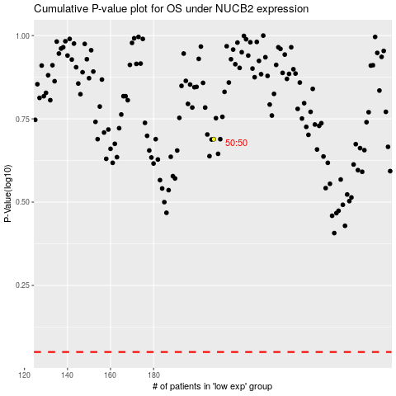

 |  |  |  |  |  | cases_OS | p_OS | rank | exp
 |  |  |  |  |  |  | cases_RFS | p_RFS | rank | exp

