NUDT14 _multivariate
Reported by Tex Li-Hsing Chi. tex@gate.sinica.edu.tw 2019-08-17

Table 2. The clinicopathological features of HNSCC cohort and NUDT14 expression. (Chi square test)
Cutoff at -0.226 (49.8%)
 |  | NUDT14 expression |  | NUDT14 expression |  | (Optimised)
 | Features | Low | (%) | High | (%) | Case no | P-value | Remark | Matthews
Gender | Female | 145 | 34.9 | 161 | 38.8 | 415 | 0.1116 | 0 | 0
2 | Male | 62 | 14.9 | 47 | 11.3
Age at diagnosis | <=65y | 139 | 33.5 | 135 | 32.5 | 415 | 0.7044 | 0 | 0
4 | >65y | 68 | 16.4 | 73 | 17.6
Clinical T Status | T1+T2 | 73 | 17.6 | 76 | 18.3 | 415 | 0.8666 | 0 | 0
6 | T3+T4 | 134 | 32.3 | 132 | 31.8
Clinical N Status | N0 | 104 | 25.1 | 112 | 27 | 415 | 0.5243 | 0 | 0
8 | N1-3 | 103 | 24.8 | 96 | 23.1
Clinical M Status | M0 | 207 | 49.9 | 205 | 49.4 | 415 | 0.2482 | 0 | 0
10 | M1 | 0 | 0 | 3 | 0.7
Clinical Stage | Stage I+II | 49 | 11.8 | 53 | 12.8 | 415 | 0.7535 | 0 | 0
12 | Stage III+IV | 158 | 38.1 | 155 | 37.3
Surgical Margin status | Negative | 159 | 38.3 | 159 | 38.3 | 415 | 1 | 0 | 0
14 | Positive | 48 | 11.6 | 49 | 11.8
Tobacco Exposure | Low | 89 | 21.4 | 72 | 17.3 | 415 | 0.0872 | 0 | 0
16 | High | 118 | 28.4 | 136 | 32.8

Table 3. Univariate/Multivariate Cox's proportional hazards regression analyses on OS time of NUDT14 gene expression in HNSCC

 |  | Univariate |  |  |  | Multivariate
 | Features | HR | CI95%(L) | CI95%(H) | P-value | HR | CI95%(L) | CI95%(H) | P-value
1 | Female | 1 |  |  |  | 1
Gender | Male | 1.157 | 0.843 | 1.587 | 0.367 | 1.197 | 0.858 | 1.67 | 0.289
11 | <=65y | 1 |  |  |  | 1
Age at diagnosis | >65y | 1.329 | 0.99 | 1.784 | 0.058 | 1.395 | 1.026 | 1.897 | 0.034
12 | T1+T2 | 1 |  |  |  | 1
Clinical T Status | T3+T4 | 1.409 | 1.028 | 1.931 | 0.033 | 2.207 | 1.167 | 4.174 | 0.015
13 | N0 | 1 |  |  |  | 1
Clinical N Status | N1-3 | 1.185 | 0.89 | 1.577 | 0.246 | 1.231 | 0.862 | 1.758 | 0.252
14 | M0 | 1 |  |  |  | 1
Clinical M Status | M1 | 4.097 | 1.009 | 16.644 | 0.049 | 10.098 | 2.182 | 46.724 | 0.003
15 | Stage I+II | 1 |  |  |  | 1
Clinical Stage | Stage III+IV | 1.245 | 0.882 | 1.759 | 0.213 | 0.506 | 0.236 | 1.085 | 0.08
16 | Negative | 1 |  |  |  | 1
Surgical Margin status | Positive | 1.591 | 1.155 | 2.191 | 0.004 | 1.678 | 1.214 | 2.319 | 0.002
17 | Low | 1 |  |  |  | 1
Tobacco Exposure | High | 1.364 | 1.008 | 1.844 | 0.044 | 1.482 | 1.073 | 2.048 | 0.017
18 | Low | 1 |  |  |  | 1
RNAseq(z-score) | High | 0.951 | 0.714 | 1.266 | 0.73 | 0.881 | 0.658 | 1.18 | 0.397

Table 4. Univariate/Multivariate Cox's proportional hazards regression analyses on RFS time of NUDT14 gene expression in HNSCC

 |  | Univariate |  |  |  | Multivariate
 | Features | HR | CI95%(L) | CI95%(H) | P-value | HR | CI95%(L) | CI95%(H) | P-value
1 | Female | 1 |  |  |  | 1
Gender | Male | 1.157 | 0.843 | 1.587 | 0.367 | 1.197 | 0.858 | 1.67 | 0.289
11 | <=65y | 1 |  |  |  | 1
Age at diagnosis | >65y | 1.329 | 0.99 | 1.784 | 0.058 | 1.395 | 1.026 | 1.897 | 0.034
12 | T1+T2 | 1 |  |  |  | 1
Clinical T Status | T3+T4 | 1.409 | 1.028 | 1.931 | 0.033 | 2.207 | 1.167 | 4.174 | 0.015
13 | N0 | 1 |  |  |  | 1
Clinical N Status | N1-3 | 1.185 | 0.89 | 1.577 | 0.246 | 1.231 | 0.862 | 1.758 | 0.252
14 | M0 | 1 |  |  |  | 1
Clinical M Status | M1 | 4.097 | 1.009 | 16.644 | 0.049 | 10.098 | 2.182 | 46.724 | 0.003
15 | Stage I+II | 1 |  |  |  | 1
Clinical Stage | Stage III+IV | 1.245 | 0.882 | 1.759 | 0.213 | 0.506 | 0.236 | 1.085 | 0.08
16 | Negative | 1 |  |  |  | 1
Surgical Margin status | Positive | 1.591 | 1.155 | 2.191 | 0.004 | 1.678 | 1.214 | 2.319 | 0.002
17 | Low | 1 |  |  |  | 1
Tobacco Exposure | High | 1.364 | 1.008 | 1.844 | 0.044 | 1.482 | 1.073 | 2.048 | 0.017
18 | Low | 1 |  |  |  | 1
RNAseq(z-score) | High | 0.951 | 0.714 | 1.266 | 0.73 | 0.881 | 0.658 | 1.18 | 0.397

Kaplan-Meier survival estimate: Cutoff at -0.226 (49.8%)



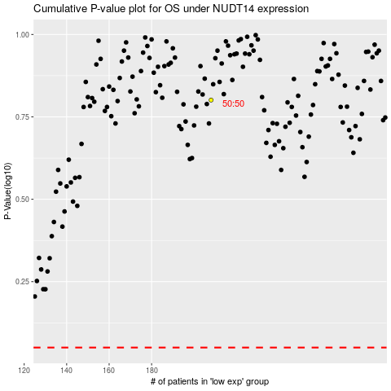

 |  |  |  |  |  | cases_OS | p_OS | rank | exp
 |  |  |  |  |  |  | cases_RFS | p_RFS | rank | exp

