NUDT16L1 _multivariate
Reported by Tex Li-Hsing Chi. tex@gate.sinica.edu.tw 2019-08-17

Table 2. The clinicopathological features of HNSCC cohort and NUDT16L1 expression. (Chi square test)
Cutoff at -0.27 (49.8%)
 |  | NUDT16L1 expression |  | NUDT16L1 expression |  | (Optimised)
 | Features | Low | (%) | High | (%) | Case no | P-value | Remark | Matthews
Gender | Female | 144 | 34.7 | 162 | 39 | 415 | 0.0697 | 0 | 0
2 | Male | 63 | 15.2 | 46 | 11.1
Age at diagnosis | <=65y | 130 | 31.3 | 144 | 34.7 | 415 | 0.2009 | 0 | 0
4 | >65y | 77 | 18.6 | 64 | 15.4
Clinical T Status | T1+T2 | 76 | 18.3 | 73 | 17.6 | 415 | 0.8092 | 0 | 0
6 | T3+T4 | 131 | 31.6 | 135 | 32.5
Clinical N Status | N0 | 111 | 26.7 | 105 | 25.3 | 415 | 0.5875 | 0 | 0
8 | N1-3 | 96 | 23.1 | 103 | 24.8
Clinical M Status | M0 | 205 | 49.4 | 207 | 49.9 | 415 | 0.6232 | 0 | 0
10 | M1 | 2 | 0.5 | 1 | 0.2
Clinical Stage | Stage I+II | 52 | 12.5 | 50 | 12 | 415 | 0.8871 | 0 | 0
12 | Stage III+IV | 155 | 37.3 | 158 | 38.1
Surgical Margin status | Negative | 156 | 37.6 | 162 | 39 | 415 | 0.5636 | 0 | 0
14 | Positive | 51 | 12.3 | 46 | 11.1
Tobacco Exposure | Low | 86 | 20.7 | 75 | 18.1 | 415 | 0.2687 | 0 | 0
16 | High | 121 | 29.2 | 133 | 32

Table 3. Univariate/Multivariate Cox's proportional hazards regression analyses on OS time of NUDT16L1 gene expression in HNSCC

 |  | Univariate |  |  |  | Multivariate
 | Features | HR | CI95%(L) | CI95%(H) | P-value | HR | CI95%(L) | CI95%(H) | P-value
1 | Female | 1 |  |  |  | 1
Gender | Male | 1.157 | 0.843 | 1.587 | 0.367 | 1.18 | 0.844 | 1.649 | 0.333
11 | <=65y | 1 |  |  |  | 1
Age at diagnosis | >65y | 1.329 | 0.99 | 1.784 | 0.058 | 1.387 | 1.02 | 1.886 | 0.037
12 | T1+T2 | 1 |  |  |  | 1
Clinical T Status | T3+T4 | 1.409 | 1.028 | 1.931 | 0.033 | 2.252 | 1.19 | 4.262 | 0.013
13 | N0 | 1 |  |  |  | 1
Clinical N Status | N1-3 | 1.185 | 0.89 | 1.577 | 0.246 | 1.26 | 0.883 | 1.799 | 0.203
14 | M0 | 1 |  |  |  | 1
Clinical M Status | M1 | 4.097 | 1.009 | 16.644 | 0.049 | 9.342 | 2.037 | 42.835 | 0.004
15 | Stage I+II | 1 |  |  |  | 1
Clinical Stage | Stage III+IV | 1.245 | 0.882 | 1.759 | 0.213 | 0.492 | 0.229 | 1.056 | 0.069
16 | Negative | 1 |  |  |  | 1
Surgical Margin status | Positive | 1.591 | 1.155 | 2.191 | 0.004 | 1.675 | 1.212 | 2.314 | 0.002
17 | Low | 1 |  |  |  | 1
Tobacco Exposure | High | 1.364 | 1.008 | 1.844 | 0.044 | 1.455 | 1.056 | 2.005 | 0.022
18 | Low | 1 |  |  |  | 1
RNAseq(z-score) | High | 0.817 | 0.612 | 1.09 | 0.169 | 0.816 | 0.61 | 1.091 | 0.169

Table 4. Univariate/Multivariate Cox's proportional hazards regression analyses on RFS time of NUDT16L1 gene expression in HNSCC

 |  | Univariate |  |  |  | Multivariate
 | Features | HR | CI95%(L) | CI95%(H) | P-value | HR | CI95%(L) | CI95%(H) | P-value
1 | Female | 1 |  |  |  | 1
Gender | Male | 1.157 | 0.843 | 1.587 | 0.367 | 1.18 | 0.844 | 1.649 | 0.333
11 | <=65y | 1 |  |  |  | 1
Age at diagnosis | >65y | 1.329 | 0.99 | 1.784 | 0.058 | 1.387 | 1.02 | 1.886 | 0.037
12 | T1+T2 | 1 |  |  |  | 1
Clinical T Status | T3+T4 | 1.409 | 1.028 | 1.931 | 0.033 | 2.252 | 1.19 | 4.262 | 0.013
13 | N0 | 1 |  |  |  | 1
Clinical N Status | N1-3 | 1.185 | 0.89 | 1.577 | 0.246 | 1.26 | 0.883 | 1.799 | 0.203
14 | M0 | 1 |  |  |  | 1
Clinical M Status | M1 | 4.097 | 1.009 | 16.644 | 0.049 | 9.342 | 2.037 | 42.835 | 0.004
15 | Stage I+II | 1 |  |  |  | 1
Clinical Stage | Stage III+IV | 1.245 | 0.882 | 1.759 | 0.213 | 0.492 | 0.229 | 1.056 | 0.069
16 | Negative | 1 |  |  |  | 1
Surgical Margin status | Positive | 1.591 | 1.155 | 2.191 | 0.004 | 1.675 | 1.212 | 2.314 | 0.002
17 | Low | 1 |  |  |  | 1
Tobacco Exposure | High | 1.364 | 1.008 | 1.844 | 0.044 | 1.455 | 1.056 | 2.005 | 0.022
18 | Low | 1 |  |  |  | 1
RNAseq(z-score) | High | 0.817 | 0.612 | 1.09 | 0.169 | 0.816 | 0.61 | 1.091 | 0.169

Kaplan-Meier survival estimate: Cutoff at -0.27 (49.8%)



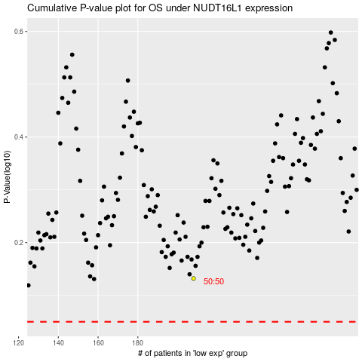

 |  |  |  |  |  | cases_OS | p_OS | rank | exp
 |  |  |  |  |  |  | cases_RFS | p_RFS | rank | exp

