NUDT16P1 _multivariate
Reported by Tex Li-Hsing Chi. tex@gate.sinica.edu.tw 2019-08-17

Table 2. The clinicopathological features of HNSCC cohort and NUDT16P1 expression. (Chi square test)
Cutoff at -0.383 (49.8%)
 |  | NUDT16P1 expression |  | NUDT16P1 expression |  | (Optimised)
 | Features | Low | (%) | High | (%) | Case no | P-value | Remark | Matthews
Gender | Female | 151 | 36.4 | 155 | 37.3 | 415 | 0.8007 | 0 | 0
2 | Male | 56 | 13.5 | 53 | 12.8
Age at diagnosis | <=65y | 126 | 30.4 | 148 | 35.7 | 415 | 0.035 | 1 | 0
4 | >65y | 81 | 19.5 | 60 | 14.5
Clinical T Status | T1+T2 | 73 | 17.6 | 76 | 18.3 | 415 | 0.8666 | 0 | 0
6 | T3+T4 | 134 | 32.3 | 132 | 31.8
Clinical N Status | N0 | 105 | 25.3 | 111 | 26.7 | 415 | 0.6598 | 0 | 0
8 | N1-3 | 102 | 24.6 | 97 | 23.4
Clinical M Status | M0 | 204 | 49.2 | 208 | 50.1 | 415 | 0.1232 | 0 | 0
10 | M1 | 3 | 0.7 | 0 | 0
Clinical Stage | Stage I+II | 49 | 11.8 | 53 | 12.8 | 415 | 0.7535 | 0 | 0
12 | Stage III+IV | 158 | 38.1 | 155 | 37.3
Surgical Margin status | Negative | 157 | 37.8 | 161 | 38.8 | 415 | 0.729 | 0 | 0
14 | Positive | 50 | 12 | 47 | 11.3
Tobacco Exposure | Low | 88 | 21.2 | 73 | 17.6 | 415 | 0.1314 | 0 | 0
16 | High | 119 | 28.7 | 135 | 32.5

Table 3. Univariate/Multivariate Cox's proportional hazards regression analyses on OS time of NUDT16P1 gene expression in HNSCC

 |  | Univariate |  |  |  | Multivariate
 | Features | HR | CI95%(L) | CI95%(H) | P-value | HR | CI95%(L) | CI95%(H) | P-value
1 | Female | 1 |  |  |  | 1
Gender | Male | 1.157 | 0.843 | 1.587 | 0.367 | 1.196 | 0.855 | 1.672 | 0.296
11 | <=65y | 1 |  |  |  | 1
Age at diagnosis | >65y | 1.329 | 0.99 | 1.784 | 0.058 | 1.381 | 1.015 | 1.88 | 0.04
12 | T1+T2 | 1 |  |  |  | 1
Clinical T Status | T3+T4 | 1.409 | 1.028 | 1.931 | 0.033 | 2.204 | 1.166 | 4.166 | 0.015
13 | N0 | 1 |  |  |  | 1
Clinical N Status | N1-3 | 1.185 | 0.89 | 1.577 | 0.246 | 1.247 | 0.874 | 1.779 | 0.224
14 | M0 | 1 |  |  |  | 1
Clinical M Status | M1 | 4.097 | 1.009 | 16.644 | 0.049 | 8.814 | 1.909 | 40.697 | 0.005
15 | Stage I+II | 1 |  |  |  | 1
Clinical Stage | Stage III+IV | 1.245 | 0.882 | 1.759 | 0.213 | 0.503 | 0.234 | 1.08 | 0.078
16 | Negative | 1 |  |  |  | 1
Surgical Margin status | Positive | 1.591 | 1.155 | 2.191 | 0.004 | 1.662 | 1.203 | 2.297 | 0.002
17 | Low | 1 |  |  |  | 1
Tobacco Exposure | High | 1.364 | 1.008 | 1.844 | 0.044 | 1.47 | 1.065 | 2.029 | 0.019
18 | Low | 1 |  |  |  | 1
RNAseq(z-score) | High | 0.847 | 0.636 | 1.13 | 0.259 | 0.883 | 0.659 | 1.183 | 0.405

Table 4. Univariate/Multivariate Cox's proportional hazards regression analyses on RFS time of NUDT16P1 gene expression in HNSCC

 |  | Univariate |  |  |  | Multivariate
 | Features | HR | CI95%(L) | CI95%(H) | P-value | HR | CI95%(L) | CI95%(H) | P-value
1 | Female | 1 |  |  |  | 1
Gender | Male | 1.157 | 0.843 | 1.587 | 0.367 | 1.196 | 0.855 | 1.672 | 0.296
11 | <=65y | 1 |  |  |  | 1
Age at diagnosis | >65y | 1.329 | 0.99 | 1.784 | 0.058 | 1.381 | 1.015 | 1.88 | 0.04
12 | T1+T2 | 1 |  |  |  | 1
Clinical T Status | T3+T4 | 1.409 | 1.028 | 1.931 | 0.033 | 2.204 | 1.166 | 4.166 | 0.015
13 | N0 | 1 |  |  |  | 1
Clinical N Status | N1-3 | 1.185 | 0.89 | 1.577 | 0.246 | 1.247 | 0.874 | 1.779 | 0.224
14 | M0 | 1 |  |  |  | 1
Clinical M Status | M1 | 4.097 | 1.009 | 16.644 | 0.049 | 8.814 | 1.909 | 40.697 | 0.005
15 | Stage I+II | 1 |  |  |  | 1
Clinical Stage | Stage III+IV | 1.245 | 0.882 | 1.759 | 0.213 | 0.503 | 0.234 | 1.08 | 0.078
16 | Negative | 1 |  |  |  | 1
Surgical Margin status | Positive | 1.591 | 1.155 | 2.191 | 0.004 | 1.662 | 1.203 | 2.297 | 0.002
17 | Low | 1 |  |  |  | 1
Tobacco Exposure | High | 1.364 | 1.008 | 1.844 | 0.044 | 1.47 | 1.065 | 2.029 | 0.019
18 | Low | 1 |  |  |  | 1
RNAseq(z-score) | High | 0.847 | 0.636 | 1.13 | 0.259 | 0.883 | 0.659 | 1.183 | 0.405

Kaplan-Meier survival estimate: Cutoff at -0.383 (49.8%)



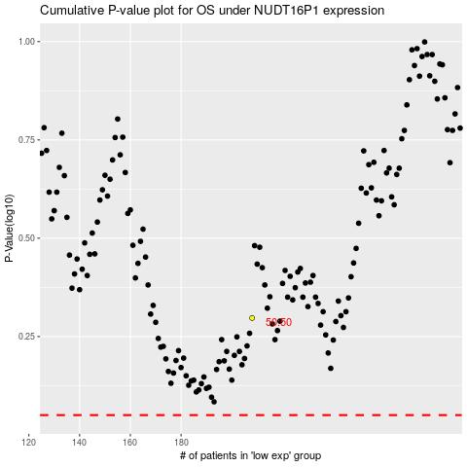

 |  |  |  |  |  | cases_OS | p_OS | rank | exp
 |  |  |  |  |  |  | cases_RFS | p_RFS | rank | exp

