NUDT22 _multivariate
Reported by Tex Li-Hsing Chi. tex@gate.sinica.edu.tw 2019-08-17

Table 2. The clinicopathological features of HNSCC cohort and NUDT22 expression. (Chi square test)
Cutoff at -0.158 (57.7%)
 |  | NUDT22 expression |  | NUDT22 expression |  | (Optimised)
 | Features | Low | (%) | High | (%) | Case no | P-value | Remark | Matthews
Gender | Female | 176 | 42.4 | 130 | 31.3 | 415 | 0.9166 | 0 | 0
2 | Male | 64 | 15.4 | 45 | 10.8
Age at diagnosis | <=65y | 157 | 37.8 | 117 | 28.2 | 415 | 0.8407 | 0 | 0
4 | >65y | 83 | 20 | 58 | 14
Clinical T Status | T1+T2 | 85 | 20.5 | 64 | 15.4 | 415 | 0.8898 | 0 | 0
6 | T3+T4 | 155 | 37.3 | 111 | 26.7
Clinical N Status | N0 | 127 | 30.6 | 89 | 21.4 | 415 | 0.7526 | 0 | 0
8 | N1-3 | 113 | 27.2 | 86 | 20.7
Clinical M Status | M0 | 239 | 57.6 | 173 | 41.7 | 415 | 0.5756 | 0 | 0
10 | M1 | 1 | 0.2 | 2 | 0.5
Clinical Stage | Stage I+II | 59 | 14.2 | 43 | 10.4 | 415 | 1 | 0 | 0
12 | Stage III+IV | 181 | 43.6 | 132 | 31.8
Surgical Margin status | Negative | 182 | 43.9 | 136 | 32.8 | 415 | 0.7249 | 0 | 0
14 | Positive | 58 | 14 | 39 | 9.4
Tobacco Exposure | Low | 88 | 21.2 | 73 | 17.6 | 415 | 0.3092 | 0 | 0
16 | High | 152 | 36.6 | 102 | 24.6

Table 3. Univariate/Multivariate Cox's proportional hazards regression analyses on OS time of NUDT22 gene expression in HNSCC

 |  | Univariate |  |  |  | Multivariate
 | Features | HR | CI95%(L) | CI95%(H) | P-value | HR | CI95%(L) | CI95%(H) | P-value
1 | Female | 1 |  |  |  | 1
Gender | Male | 1.157 | 0.843 | 1.587 | 0.367 | 1.191 | 0.853 | 1.664 | 0.305
11 | <=65y | 1 |  |  |  | 1
Age at diagnosis | >65y | 1.329 | 0.99 | 1.784 | 0.058 | 1.407 | 1.035 | 1.912 | 0.029
12 | T1+T2 | 1 |  |  |  | 1
Clinical T Status | T3+T4 | 1.409 | 1.028 | 1.931 | 0.033 | 2.168 | 1.146 | 4.101 | 0.017
13 | N0 | 1 |  |  |  | 1
Clinical N Status | N1-3 | 1.185 | 0.89 | 1.577 | 0.246 | 1.245 | 0.872 | 1.776 | 0.227
14 | M0 | 1 |  |  |  | 1
Clinical M Status | M1 | 4.097 | 1.009 | 16.644 | 0.049 | 8.344 | 1.812 | 38.427 | 0.006
15 | Stage I+II | 1 |  |  |  | 1
Clinical Stage | Stage III+IV | 1.245 | 0.882 | 1.759 | 0.213 | 0.508 | 0.237 | 1.091 | 0.082
16 | Negative | 1 |  |  |  | 1
Surgical Margin status | Positive | 1.591 | 1.155 | 2.191 | 0.004 | 1.642 | 1.188 | 2.269 | 0.003
17 | Low | 1 |  |  |  | 1
Tobacco Exposure | High | 1.364 | 1.008 | 1.844 | 0.044 | 1.45 | 1.054 | 1.997 | 0.023
18 | Low | 1 |  |  |  | 1
RNAseq(z-score) | High | 1.375 | 1.031 | 1.832 | 0.03 | 1.327 | 0.993 | 1.774 | 0.056

Table 4. Univariate/Multivariate Cox's proportional hazards regression analyses on RFS time of NUDT22 gene expression in HNSCC

 |  | Univariate |  |  |  | Multivariate
 | Features | HR | CI95%(L) | CI95%(H) | P-value | HR | CI95%(L) | CI95%(H) | P-value
1 | Female | 1 |  |  |  | 1
Gender | Male | 1.157 | 0.843 | 1.587 | 0.367 | 1.191 | 0.853 | 1.664 | 0.305
11 | <=65y | 1 |  |  |  | 1
Age at diagnosis | >65y | 1.329 | 0.99 | 1.784 | 0.058 | 1.407 | 1.035 | 1.912 | 0.029
12 | T1+T2 | 1 |  |  |  | 1
Clinical T Status | T3+T4 | 1.409 | 1.028 | 1.931 | 0.033 | 2.168 | 1.146 | 4.101 | 0.017
13 | N0 | 1 |  |  |  | 1
Clinical N Status | N1-3 | 1.185 | 0.89 | 1.577 | 0.246 | 1.245 | 0.872 | 1.776 | 0.227
14 | M0 | 1 |  |  |  | 1
Clinical M Status | M1 | 4.097 | 1.009 | 16.644 | 0.049 | 8.344 | 1.812 | 38.427 | 0.006
15 | Stage I+II | 1 |  |  |  | 1
Clinical Stage | Stage III+IV | 1.245 | 0.882 | 1.759 | 0.213 | 0.508 | 0.237 | 1.091 | 0.082
16 | Negative | 1 |  |  |  | 1
Surgical Margin status | Positive | 1.591 | 1.155 | 2.191 | 0.004 | 1.642 | 1.188 | 2.269 | 0.003
17 | Low | 1 |  |  |  | 1
Tobacco Exposure | High | 1.364 | 1.008 | 1.844 | 0.044 | 1.45 | 1.054 | 1.997 | 0.023
18 | Low | 1 |  |  |  | 1
RNAseq(z-score) | High | 1.375 | 1.031 | 1.832 | 0.03 | 1.327 | 0.993 | 1.774 | 0.056

Kaplan-Meier survival estimate: Cutoff at -0.158 (57.7%)

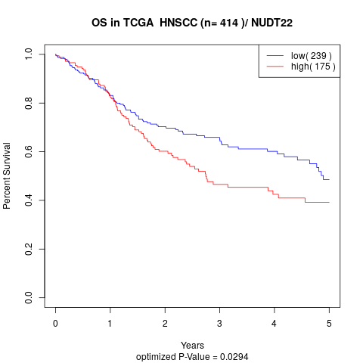

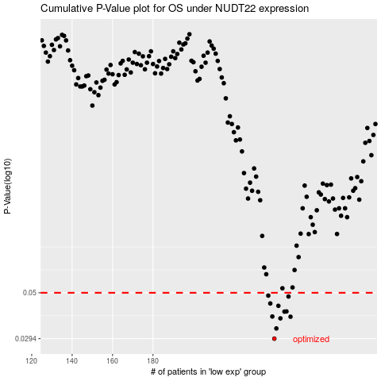

 |  |  |  |  |  | cases_OS | p_OS | rank | exp
 |  |  |  |  |  | 240 | 0.0294 | 278 | -0.15800009315
 |  |  |  |  |  | 241 | 0.0331 | 284 | -0.15362152263
 |  |  |  |  |  | 243 | 0.0372 | 198 | -0.13343318938
 |  |  |  |  |  | 248 | 0.0379 | 115 | -0.1228838835
 |  |  |  |  |  | 239 | 0.038 | 49 | -0.15837733904
 |  |  |  |  |  | 245 | 0.0402 | 228 | -0.12867934809
 |  |  |  |  |  | 246 | 0.0403 | 323 | -0.12682990507
 |  |  |  |  |  | 242 | 0.043 | 53 | -0.14862573044
 |  |  |  |  |  | 238 | 0.0442 | 96 | -0.16337436567
 |  |  |  |  |  | 247 | 0.0479 | 121 | -0.12588456837
 |  |  |  |  |  | 237 | 0.0484 | 415 | -0.16661897654
 |  |  |  |  |  |  | cases_RFS | p_RFS | rank | exp
 |  |  |  |  |  |  | 239 | 0.0294 | 49 | -0.15837733904
 |  |  |  |  |  |  | 240 | 0.0331 | 278 | -0.15800009315
 |  |  |  |  |  |  | 242 | 0.0372 | 53 | -0.14862573044
 |  |  |  |  |  |  | 247 | 0.0379 | 121 | -0.12588456837
 |  |  |  |  |  |  | 238 | 0.038 | 96 | -0.16337436567
 |  |  |  |  |  |  | 244 | 0.0402 | 122 | -0.13232688126
 |  |  |  |  |  |  | 245 | 0.0403 | 228 | -0.12867934809
 |  |  |  |  |  |  | 241 | 0.043 | 284 | -0.15362152263
 |  |  |  |  |  |  | 237 | 0.0442 | 415 | -0.16661897654
 |  |  |  |  |  |  | 246 | 0.0479 | 323 | -0.12682990507
 |  |  |  |  |  |  | 236 | 0.0484 | 109 | -0.1707723846

