NUDT6 _multivariate
Reported by Tex Li-Hsing Chi. tex@gate.sinica.edu.tw 2019-08-17

Table 2. The clinicopathological features of HNSCC cohort and NUDT6 expression. (Chi square test)
Cutoff at -0.349 (49.8%)
 |  | NUDT6 expression |  | NUDT6 expression |  | (Optimised)
 | Features | Low | (%) | High | (%) | Case no | P-value | Remark | Matthews
Gender | Female | 154 | 37.1 | 152 | 36.6 | 415 | 0.8463 | 0 | 0
2 | Male | 53 | 12.8 | 56 | 13.5
Age at diagnosis | <=65y | 139 | 33.5 | 135 | 32.5 | 415 | 0.7044 | 0 | 0
4 | >65y | 68 | 16.4 | 73 | 17.6
Clinical T Status | T1+T2 | 75 | 18.1 | 74 | 17.8 | 415 | 0.9707 | 0 | 0
6 | T3+T4 | 132 | 31.8 | 134 | 32.3
Clinical N Status | N0 | 107 | 25.8 | 109 | 26.3 | 415 | 0.9624 | 0 | 0
8 | N1-3 | 100 | 24.1 | 99 | 23.9
Clinical M Status | M0 | 204 | 49.2 | 208 | 50.1 | 415 | 0.1232 | 0 | 0
10 | M1 | 3 | 0.7 | 0 | 0
Clinical Stage | Stage I+II | 56 | 13.5 | 46 | 11.1 | 415 | 0.2918 | 0 | 0
12 | Stage III+IV | 151 | 36.4 | 162 | 39
Surgical Margin status | Negative | 167 | 40.2 | 151 | 36.4 | 415 | 0.0632 | 0 | 0
14 | Positive | 40 | 9.6 | 57 | 13.7
Tobacco Exposure | Low | 81 | 19.5 | 80 | 19.3 | 415 | 0.9199 | 0 | 0
16 | High | 126 | 30.4 | 128 | 30.8

Table 3. Univariate/Multivariate Cox's proportional hazards regression analyses on OS time of NUDT6 gene expression in HNSCC

 |  | Univariate |  |  |  | Multivariate
 | Features | HR | CI95%(L) | CI95%(H) | P-value | HR | CI95%(L) | CI95%(H) | P-value
1 | Female | 1 |  |  |  | 1
Gender | Male | 1.157 | 0.843 | 1.587 | 0.367 | 1.215 | 0.87 | 1.699 | 0.254
11 | <=65y | 1 |  |  |  | 1
Age at diagnosis | >65y | 1.329 | 0.99 | 1.784 | 0.058 | 1.404 | 1.032 | 1.91 | 0.031
12 | T1+T2 | 1 |  |  |  | 1
Clinical T Status | T3+T4 | 1.409 | 1.028 | 1.931 | 0.033 | 2.158 | 1.14 | 4.086 | 0.018
13 | N0 | 1 |  |  |  | 1
Clinical N Status | N1-3 | 1.185 | 0.89 | 1.577 | 0.246 | 1.228 | 0.861 | 1.753 | 0.257
14 | M0 | 1 |  |  |  | 1
Clinical M Status | M1 | 4.097 | 1.009 | 16.644 | 0.049 | 8.681 | 1.879 | 40.103 | 0.006
15 | Stage I+II | 1 |  |  |  | 1
Clinical Stage | Stage III+IV | 1.245 | 0.882 | 1.759 | 0.213 | 0.52 | 0.242 | 1.119 | 0.094
16 | Negative | 1 |  |  |  | 1
Surgical Margin status | Positive | 1.591 | 1.155 | 2.191 | 0.004 | 1.718 | 1.237 | 2.384 | 0.001
17 | Low | 1 |  |  |  | 1
Tobacco Exposure | High | 1.364 | 1.008 | 1.844 | 0.044 | 1.481 | 1.072 | 2.048 | 0.017
18 | Low | 1 |  |  |  | 1
RNAseq(z-score) | High | 0.927 | 0.694 | 1.237 | 0.605 | 0.859 | 0.638 | 1.157 | 0.318

Table 4. Univariate/Multivariate Cox's proportional hazards regression analyses on RFS time of NUDT6 gene expression in HNSCC

 |  | Univariate |  |  |  | Multivariate
 | Features | HR | CI95%(L) | CI95%(H) | P-value | HR | CI95%(L) | CI95%(H) | P-value
1 | Female | 1 |  |  |  | 1
Gender | Male | 1.157 | 0.843 | 1.587 | 0.367 | 1.215 | 0.87 | 1.699 | 0.254
11 | <=65y | 1 |  |  |  | 1
Age at diagnosis | >65y | 1.329 | 0.99 | 1.784 | 0.058 | 1.404 | 1.032 | 1.91 | 0.031
12 | T1+T2 | 1 |  |  |  | 1
Clinical T Status | T3+T4 | 1.409 | 1.028 | 1.931 | 0.033 | 2.158 | 1.14 | 4.086 | 0.018
13 | N0 | 1 |  |  |  | 1
Clinical N Status | N1-3 | 1.185 | 0.89 | 1.577 | 0.246 | 1.228 | 0.861 | 1.753 | 0.257
14 | M0 | 1 |  |  |  | 1
Clinical M Status | M1 | 4.097 | 1.009 | 16.644 | 0.049 | 8.681 | 1.879 | 40.103 | 0.006
15 | Stage I+II | 1 |  |  |  | 1
Clinical Stage | Stage III+IV | 1.245 | 0.882 | 1.759 | 0.213 | 0.52 | 0.242 | 1.119 | 0.094
16 | Negative | 1 |  |  |  | 1
Surgical Margin status | Positive | 1.591 | 1.155 | 2.191 | 0.004 | 1.718 | 1.237 | 2.384 | 0.001
17 | Low | 1 |  |  |  | 1
Tobacco Exposure | High | 1.364 | 1.008 | 1.844 | 0.044 | 1.481 | 1.072 | 2.048 | 0.017
18 | Low | 1 |  |  |  | 1
RNAseq(z-score) | High | 0.927 | 0.694 | 1.237 | 0.605 | 0.859 | 0.638 | 1.157 | 0.318

Kaplan-Meier survival estimate: Cutoff at -0.349 (49.8%)



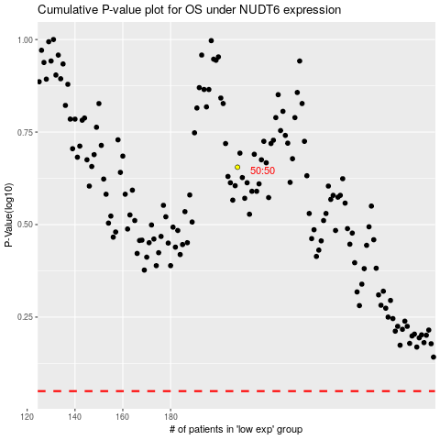

 |  |  |  |  |  | cases_OS | p_OS | rank | exp
 |  |  |  |  |  |  | cases_RFS | p_RFS | rank | exp

