NUFIP2 _multivariate
Reported by Tex Li-Hsing Chi. tex@gate.sinica.edu.tw 2019-08-17

Table 2. The clinicopathological features of HNSCC cohort and NUFIP2 expression. (Chi square test)
Cutoff at -0.039 (49.8%)
 |  | NUFIP2 expression |  | NUFIP2 expression |  | (Optimised)
 | Features | Low | (%) | High | (%) | Case no | P-value | Remark | Matthews
Gender | Female | 149 | 35.9 | 157 | 37.8 | 415 | 0.4848 | 0 | 0
2 | Male | 58 | 14 | 51 | 12.3
Age at diagnosis | <=65y | 134 | 32.3 | 140 | 33.7 | 415 | 0.6529 | 0 | 0
4 | >65y | 73 | 17.6 | 68 | 16.4
Clinical T Status | T1+T2 | 80 | 19.3 | 69 | 16.6 | 415 | 0.2891 | 0 | 0
6 | T3+T4 | 127 | 30.6 | 139 | 33.5
Clinical N Status | N0 | 108 | 26 | 108 | 26 | 415 | 1 | 0 | 0
8 | N1-3 | 99 | 23.9 | 100 | 24.1
Clinical M Status | M0 | 204 | 49.2 | 208 | 50.1 | 415 | 0.1232 | 0 | 0
10 | M1 | 3 | 0.7 | 0 | 0
Clinical Stage | Stage I+II | 54 | 13 | 48 | 11.6 | 415 | 0.5498 | 0 | 0
12 | Stage III+IV | 153 | 36.9 | 160 | 38.6
Surgical Margin status | Negative | 160 | 38.6 | 158 | 38.1 | 415 | 0.8167 | 0 | 0
14 | Positive | 47 | 11.3 | 50 | 12
Tobacco Exposure | Low | 88 | 21.2 | 73 | 17.6 | 415 | 0.1314 | 0 | 0
16 | High | 119 | 28.7 | 135 | 32.5

Table 3. Univariate/Multivariate Cox's proportional hazards regression analyses on OS time of NUFIP2 gene expression in HNSCC

 |  | Univariate |  |  |  | Multivariate
 | Features | HR | CI95%(L) | CI95%(H) | P-value | HR | CI95%(L) | CI95%(H) | P-value
1 | Female | 1 |  |  |  | 1
Gender | Male | 1.157 | 0.843 | 1.587 | 0.367 | 1.194 | 0.854 | 1.67 | 0.299
11 | <=65y | 1 |  |  |  | 1
Age at diagnosis | >65y | 1.329 | 0.99 | 1.784 | 0.058 | 1.394 | 1.026 | 1.895 | 0.034
12 | T1+T2 | 1 |  |  |  | 1
Clinical T Status | T3+T4 | 1.409 | 1.028 | 1.931 | 0.033 | 2.216 | 1.171 | 4.19 | 0.014
13 | N0 | 1 |  |  |  | 1
Clinical N Status | N1-3 | 1.185 | 0.89 | 1.577 | 0.246 | 1.237 | 0.867 | 1.765 | 0.24
14 | M0 | 1 |  |  |  | 1
Clinical M Status | M1 | 4.097 | 1.009 | 16.644 | 0.049 | 9.047 | 1.962 | 41.709 | 0.005
15 | Stage I+II | 1 |  |  |  | 1
Clinical Stage | Stage III+IV | 1.245 | 0.882 | 1.759 | 0.213 | 0.505 | 0.235 | 1.084 | 0.08
16 | Negative | 1 |  |  |  | 1
Surgical Margin status | Positive | 1.591 | 1.155 | 2.191 | 0.004 | 1.666 | 1.205 | 2.302 | 0.002
17 | Low | 1 |  |  |  | 1
Tobacco Exposure | High | 1.364 | 1.008 | 1.844 | 0.044 | 1.452 | 1.054 | 2.001 | 0.023
18 | Low | 1 |  |  |  | 1
RNAseq(z-score) | High | 0.902 | 0.677 | 1.202 | 0.481 | 0.919 | 0.687 | 1.23 | 0.57

Table 4. Univariate/Multivariate Cox's proportional hazards regression analyses on RFS time of NUFIP2 gene expression in HNSCC

 |  | Univariate |  |  |  | Multivariate
 | Features | HR | CI95%(L) | CI95%(H) | P-value | HR | CI95%(L) | CI95%(H) | P-value
1 | Female | 1 |  |  |  | 1
Gender | Male | 1.157 | 0.843 | 1.587 | 0.367 | 1.194 | 0.854 | 1.67 | 0.299
11 | <=65y | 1 |  |  |  | 1
Age at diagnosis | >65y | 1.329 | 0.99 | 1.784 | 0.058 | 1.394 | 1.026 | 1.895 | 0.034
12 | T1+T2 | 1 |  |  |  | 1
Clinical T Status | T3+T4 | 1.409 | 1.028 | 1.931 | 0.033 | 2.216 | 1.171 | 4.19 | 0.014
13 | N0 | 1 |  |  |  | 1
Clinical N Status | N1-3 | 1.185 | 0.89 | 1.577 | 0.246 | 1.237 | 0.867 | 1.765 | 0.24
14 | M0 | 1 |  |  |  | 1
Clinical M Status | M1 | 4.097 | 1.009 | 16.644 | 0.049 | 9.047 | 1.962 | 41.709 | 0.005
15 | Stage I+II | 1 |  |  |  | 1
Clinical Stage | Stage III+IV | 1.245 | 0.882 | 1.759 | 0.213 | 0.505 | 0.235 | 1.084 | 0.08
16 | Negative | 1 |  |  |  | 1
Surgical Margin status | Positive | 1.591 | 1.155 | 2.191 | 0.004 | 1.666 | 1.205 | 2.302 | 0.002
17 | Low | 1 |  |  |  | 1
Tobacco Exposure | High | 1.364 | 1.008 | 1.844 | 0.044 | 1.452 | 1.054 | 2.001 | 0.023
18 | Low | 1 |  |  |  | 1
RNAseq(z-score) | High | 0.902 | 0.677 | 1.202 | 0.481 | 0.919 | 0.687 | 1.23 | 0.57

Kaplan-Meier survival estimate: Cutoff at -0.039 (49.8%)



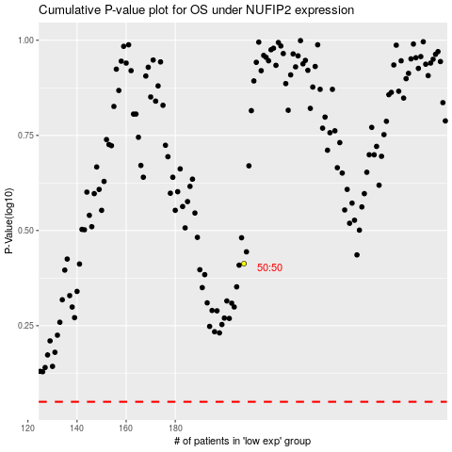

 |  |  |  |  |  | cases_OS | p_OS | rank | exp
 |  |  |  |  |  |  | cases_RFS | p_RFS | rank | exp

