NUMA1 _multivariate
Reported by Tex Li-Hsing Chi. tex@gate.sinica.edu.tw 2019-08-17

Table 2. The clinicopathological features of HNSCC cohort and NUMA1 expression. (Chi square test)
Cutoff at -0.229 (49.8%)
 |  | NUMA1 expression |  | NUMA1 expression |  | (Optimised)
 | Features | Low | (%) | High | (%) | Case no | P-value | Remark | Matthews
Gender | Female | 153 | 36.9 | 153 | 36.9 | 415 | 1 | 0 | 0
2 | Male | 54 | 13 | 55 | 13.3
Age at diagnosis | <=65y | 133 | 32 | 141 | 34 | 415 | 0.5111 | 0 | 0
4 | >65y | 74 | 17.8 | 67 | 16.1
Clinical T Status | T1+T2 | 77 | 18.6 | 72 | 17.3 | 415 | 0.6556 | 0 | 0
6 | T3+T4 | 130 | 31.3 | 136 | 32.8
Clinical N Status | N0 | 109 | 26.3 | 107 | 25.8 | 415 | 0.8812 | 0 | 0
8 | N1-3 | 98 | 23.6 | 101 | 24.3
Clinical M Status | M0 | 204 | 49.2 | 208 | 50.1 | 415 | 0.1232 | 0 | 0
10 | M1 | 3 | 0.7 | 0 | 0
Clinical Stage | Stage I+II | 51 | 12.3 | 51 | 12.3 | 415 | 1 | 0 | 0
12 | Stage III+IV | 156 | 37.6 | 157 | 37.8
Surgical Margin status | Negative | 156 | 37.6 | 162 | 39 | 415 | 0.5636 | 0 | 0
14 | Positive | 51 | 12.3 | 46 | 11.1
Tobacco Exposure | Low | 77 | 18.6 | 84 | 20.2 | 415 | 0.5459 | 0 | 0
16 | High | 130 | 31.3 | 124 | 29.9

Table 3. Univariate/Multivariate Cox's proportional hazards regression analyses on OS time of NUMA1 gene expression in HNSCC

 |  | Univariate |  |  |  | Multivariate
 | Features | HR | CI95%(L) | CI95%(H) | P-value | HR | CI95%(L) | CI95%(H) | P-value
1 | Female | 1 |  |  |  | 1
Gender | Male | 1.157 | 0.843 | 1.587 | 0.367 | 1.199 | 0.858 | 1.677 | 0.287
11 | <=65y | 1 |  |  |  | 1
Age at diagnosis | >65y | 1.329 | 0.99 | 1.784 | 0.058 | 1.374 | 1.009 | 1.871 | 0.043
12 | T1+T2 | 1 |  |  |  | 1
Clinical T Status | T3+T4 | 1.409 | 1.028 | 1.931 | 0.033 | 2.202 | 1.165 | 4.164 | 0.015
13 | N0 | 1 |  |  |  | 1
Clinical N Status | N1-3 | 1.185 | 0.89 | 1.577 | 0.246 | 1.242 | 0.871 | 1.772 | 0.232
14 | M0 | 1 |  |  |  | 1
Clinical M Status | M1 | 4.097 | 1.009 | 16.644 | 0.049 | 8.839 | 1.912 | 40.855 | 0.005
15 | Stage I+II | 1 |  |  |  | 1
Clinical Stage | Stage III+IV | 1.245 | 0.882 | 1.759 | 0.213 | 0.51 | 0.237 | 1.094 | 0.084
16 | Negative | 1 |  |  |  | 1
Surgical Margin status | Positive | 1.591 | 1.155 | 2.191 | 0.004 | 1.663 | 1.203 | 2.298 | 0.002
17 | Low | 1 |  |  |  | 1
Tobacco Exposure | High | 1.364 | 1.008 | 1.844 | 0.044 | 1.438 | 1.042 | 1.983 | 0.027
18 | Low | 1 |  |  |  | 1
RNAseq(z-score) | High | 0.844 | 0.634 | 1.123 | 0.244 | 0.896 | 0.67 | 1.199 | 0.461

Table 4. Univariate/Multivariate Cox's proportional hazards regression analyses on RFS time of NUMA1 gene expression in HNSCC

 |  | Univariate |  |  |  | Multivariate
 | Features | HR | CI95%(L) | CI95%(H) | P-value | HR | CI95%(L) | CI95%(H) | P-value
1 | Female | 1 |  |  |  | 1
Gender | Male | 1.157 | 0.843 | 1.587 | 0.367 | 1.199 | 0.858 | 1.677 | 0.287
11 | <=65y | 1 |  |  |  | 1
Age at diagnosis | >65y | 1.329 | 0.99 | 1.784 | 0.058 | 1.374 | 1.009 | 1.871 | 0.043
12 | T1+T2 | 1 |  |  |  | 1
Clinical T Status | T3+T4 | 1.409 | 1.028 | 1.931 | 0.033 | 2.202 | 1.165 | 4.164 | 0.015
13 | N0 | 1 |  |  |  | 1
Clinical N Status | N1-3 | 1.185 | 0.89 | 1.577 | 0.246 | 1.242 | 0.871 | 1.772 | 0.232
14 | M0 | 1 |  |  |  | 1
Clinical M Status | M1 | 4.097 | 1.009 | 16.644 | 0.049 | 8.839 | 1.912 | 40.855 | 0.005
15 | Stage I+II | 1 |  |  |  | 1
Clinical Stage | Stage III+IV | 1.245 | 0.882 | 1.759 | 0.213 | 0.51 | 0.237 | 1.094 | 0.084
16 | Negative | 1 |  |  |  | 1
Surgical Margin status | Positive | 1.591 | 1.155 | 2.191 | 0.004 | 1.663 | 1.203 | 2.298 | 0.002
17 | Low | 1 |  |  |  | 1
Tobacco Exposure | High | 1.364 | 1.008 | 1.844 | 0.044 | 1.438 | 1.042 | 1.983 | 0.027
18 | Low | 1 |  |  |  | 1
RNAseq(z-score) | High | 0.844 | 0.634 | 1.123 | 0.244 | 0.896 | 0.67 | 1.199 | 0.461

Kaplan-Meier survival estimate: Cutoff at -0.229 (49.8%)



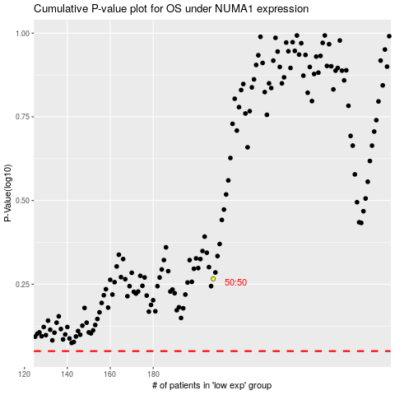

 |  |  |  |  |  | cases_OS | p_OS | rank | exp
 |  |  |  |  |  |  | cases_RFS | p_RFS | rank | exp

