NUMBL _multivariate
Reported by Tex Li-Hsing Chi. tex@gate.sinica.edu.tw 2019-08-17

Table 2. The clinicopathological features of HNSCC cohort and NUMBL expression. (Chi square test)
Cutoff at -0.129 (50.0%)
 |  | NUMBL expression |  | NUMBL expression |  | (Optimised)
 | Features | Low | (%) | High | (%) | Case no | P-value | Remark | Matthews
Gender | Female | 147 | 35.4 | 159 | 38.3 | 415 | 0.2523 | 0 | 0
2 | Male | 60 | 14.5 | 49 | 11.8
Age at diagnosis | <=65y | 139 | 33.5 | 135 | 32.5 | 415 | 0.7044 | 0 | 0
4 | >65y | 68 | 16.4 | 73 | 17.6
Clinical T Status | T1+T2 | 91 | 21.9 | 58 | 14 | 415 | 9e-04 | 1 | 0
6 | T3+T4 | 116 | 28 | 150 | 36.1
Clinical N Status | N0 | 106 | 25.5 | 110 | 26.5 | 415 | 0.8075 | 0 | 0
8 | N1-3 | 101 | 24.3 | 98 | 23.6
Clinical M Status | M0 | 204 | 49.2 | 208 | 50.1 | 415 | 0.1232 | 0 | 0
10 | M1 | 3 | 0.7 | 0 | 0
Clinical Stage | Stage I+II | 61 | 14.7 | 41 | 9.9 | 415 | 0.0282 | 1 | 0
12 | Stage III+IV | 146 | 35.2 | 167 | 40.2
Surgical Margin status | Negative | 155 | 37.3 | 163 | 39.3 | 415 | 0.4187 | 0 | 0
14 | Positive | 52 | 12.5 | 45 | 10.8
Tobacco Exposure | Low | 95 | 22.9 | 66 | 15.9 | 415 | 0.0035 | 1 | 0
16 | High | 112 | 27 | 142 | 34.2

Table 3. Univariate/Multivariate Cox's proportional hazards regression analyses on OS time of NUMBL gene expression in HNSCC

 |  | Univariate |  |  |  | Multivariate
 | Features | HR | CI95%(L) | CI95%(H) | P-value | HR | CI95%(L) | CI95%(H) | P-value
1 | Female | 1 |  |  |  | 1
Gender | Male | 1.157 | 0.843 | 1.587 | 0.367 | 1.199 | 0.858 | 1.675 | 0.287
11 | <=65y | 1 |  |  |  | 1
Age at diagnosis | >65y | 1.329 | 0.99 | 1.784 | 0.058 | 1.392 | 1.024 | 1.892 | 0.035
12 | T1+T2 | 1 |  |  |  | 1
Clinical T Status | T3+T4 | 1.409 | 1.028 | 1.931 | 0.033 | 2.226 | 1.174 | 4.219 | 0.014
13 | N0 | 1 |  |  |  | 1
Clinical N Status | N1-3 | 1.185 | 0.89 | 1.577 | 0.246 | 1.234 | 0.864 | 1.762 | 0.248
14 | M0 | 1 |  |  |  | 1
Clinical M Status | M1 | 4.097 | 1.009 | 16.644 | 0.049 | 9.206 | 2 | 42.364 | 0.004
15 | Stage I+II | 1 |  |  |  | 1
Clinical Stage | Stage III+IV | 1.245 | 0.882 | 1.759 | 0.213 | 0.507 | 0.236 | 1.088 | 0.081
16 | Negative | 1 |  |  |  | 1
Surgical Margin status | Positive | 1.591 | 1.155 | 2.191 | 0.004 | 1.663 | 1.202 | 2.3 | 0.002
17 | Low | 1 |  |  |  | 1
Tobacco Exposure | High | 1.364 | 1.008 | 1.844 | 0.044 | 1.466 | 1.061 | 2.026 | 0.021
18 | Low | 1 |  |  |  | 1
RNAseq(z-score) | High | 0.991 | 0.742 | 1.323 | 0.949 | 0.942 | 0.696 | 1.276 | 0.701

Table 4. Univariate/Multivariate Cox's proportional hazards regression analyses on RFS time of NUMBL gene expression in HNSCC

 |  | Univariate |  |  |  | Multivariate
 | Features | HR | CI95%(L) | CI95%(H) | P-value | HR | CI95%(L) | CI95%(H) | P-value
1 | Female | 1 |  |  |  | 1
Gender | Male | 1.157 | 0.843 | 1.587 | 0.367 | 1.199 | 0.858 | 1.675 | 0.287
11 | <=65y | 1 |  |  |  | 1
Age at diagnosis | >65y | 1.329 | 0.99 | 1.784 | 0.058 | 1.392 | 1.024 | 1.892 | 0.035
12 | T1+T2 | 1 |  |  |  | 1
Clinical T Status | T3+T4 | 1.409 | 1.028 | 1.931 | 0.033 | 2.226 | 1.174 | 4.219 | 0.014
13 | N0 | 1 |  |  |  | 1
Clinical N Status | N1-3 | 1.185 | 0.89 | 1.577 | 0.246 | 1.234 | 0.864 | 1.762 | 0.248
14 | M0 | 1 |  |  |  | 1
Clinical M Status | M1 | 4.097 | 1.009 | 16.644 | 0.049 | 9.206 | 2 | 42.364 | 0.004
15 | Stage I+II | 1 |  |  |  | 1
Clinical Stage | Stage III+IV | 1.245 | 0.882 | 1.759 | 0.213 | 0.507 | 0.236 | 1.088 | 0.081
16 | Negative | 1 |  |  |  | 1
Surgical Margin status | Positive | 1.591 | 1.155 | 2.191 | 0.004 | 1.663 | 1.202 | 2.3 | 0.002
17 | Low | 1 |  |  |  | 1
Tobacco Exposure | High | 1.364 | 1.008 | 1.844 | 0.044 | 1.466 | 1.061 | 2.026 | 0.021
18 | Low | 1 |  |  |  | 1
RNAseq(z-score) | High | 0.991 | 0.742 | 1.323 | 0.949 | 0.942 | 0.696 | 1.276 | 0.701

Kaplan-Meier survival estimate: Cutoff at -0.129 (50.0%)



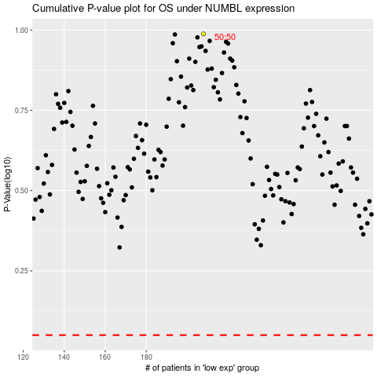

 |  |  |  |  |  | cases_OS | p_OS | rank | exp
 |  |  |  |  |  |  | cases_RFS | p_RFS | rank | exp

