NUP133 _multivariate
Reported by Tex Li-Hsing Chi. tex@gate.sinica.edu.tw 2019-08-17

Table 2. The clinicopathological features of HNSCC cohort and NUP133 expression. (Chi square test)
Cutoff at -0.186 (49.8%)
 |  | NUP133 expression |  | NUP133 expression |  | (Optimised)
 | Features | Low | (%) | High | (%) | Case no | P-value | Remark | Matthews
Gender | Female | 146 | 35.2 | 160 | 38.6 | 415 | 0.1714 | 0 | 0
2 | Male | 61 | 14.7 | 48 | 11.6
Age at diagnosis | <=65y | 135 | 32.5 | 139 | 33.5 | 415 | 0.8084 | 0 | 0
4 | >65y | 72 | 17.3 | 69 | 16.6
Clinical T Status | T1+T2 | 78 | 18.8 | 71 | 17.1 | 415 | 0.5152 | 0 | 0
6 | T3+T4 | 129 | 31.1 | 137 | 33
Clinical N Status | N0 | 107 | 25.8 | 109 | 26.3 | 415 | 0.9624 | 0 | 0
8 | N1-3 | 100 | 24.1 | 99 | 23.9
Clinical M Status | M0 | 204 | 49.2 | 208 | 50.1 | 415 | 0.1232 | 0 | 0
10 | M1 | 3 | 0.7 | 0 | 0
Clinical Stage | Stage I+II | 57 | 13.7 | 45 | 10.8 | 415 | 0.1998 | 0 | 0
12 | Stage III+IV | 150 | 36.1 | 163 | 39.3
Surgical Margin status | Negative | 162 | 39 | 156 | 37.6 | 415 | 0.4867 | 0 | 0
14 | Positive | 45 | 10.8 | 52 | 12.5
Tobacco Exposure | Low | 97 | 23.4 | 64 | 15.4 | 415 | 9e-04 | 1 | 0
16 | High | 110 | 26.5 | 144 | 34.7

Table 3. Univariate/Multivariate Cox's proportional hazards regression analyses on OS time of NUP133 gene expression in HNSCC

 |  | Univariate |  |  |  | Multivariate
 | Features | HR | CI95%(L) | CI95%(H) | P-value | HR | CI95%(L) | CI95%(H) | P-value
1 | Female | 1 |  |  |  | 1
Gender | Male | 1.157 | 0.843 | 1.587 | 0.367 | 1.194 | 0.855 | 1.668 | 0.298
11 | <=65y | 1 |  |  |  | 1
Age at diagnosis | >65y | 1.329 | 0.99 | 1.784 | 0.058 | 1.399 | 1.028 | 1.902 | 0.032
12 | T1+T2 | 1 |  |  |  | 1
Clinical T Status | T3+T4 | 1.409 | 1.028 | 1.931 | 0.033 | 2.239 | 1.183 | 4.238 | 0.013
13 | N0 | 1 |  |  |  | 1
Clinical N Status | N1-3 | 1.185 | 0.89 | 1.577 | 0.246 | 1.257 | 0.879 | 1.796 | 0.21
14 | M0 | 1 |  |  |  | 1
Clinical M Status | M1 | 4.097 | 1.009 | 16.644 | 0.049 | 10.172 | 2.196 | 47.123 | 0.003
15 | Stage I+II | 1 |  |  |  | 1
Clinical Stage | Stage III+IV | 1.245 | 0.882 | 1.759 | 0.213 | 0.488 | 0.226 | 1.051 | 0.067
16 | Negative | 1 |  |  |  | 1
Surgical Margin status | Positive | 1.591 | 1.155 | 2.191 | 0.004 | 1.651 | 1.194 | 2.284 | 0.002
17 | Low | 1 |  |  |  | 1
Tobacco Exposure | High | 1.364 | 1.008 | 1.844 | 0.044 | 1.413 | 1.021 | 1.957 | 0.037
18 | Low | 1 |  |  |  | 1
RNAseq(z-score) | High | 1.191 | 0.893 | 1.589 | 0.233 | 1.142 | 0.847 | 1.54 | 0.383

Table 4. Univariate/Multivariate Cox's proportional hazards regression analyses on RFS time of NUP133 gene expression in HNSCC

 |  | Univariate |  |  |  | Multivariate
 | Features | HR | CI95%(L) | CI95%(H) | P-value | HR | CI95%(L) | CI95%(H) | P-value
1 | Female | 1 |  |  |  | 1
Gender | Male | 1.157 | 0.843 | 1.587 | 0.367 | 1.194 | 0.855 | 1.668 | 0.298
11 | <=65y | 1 |  |  |  | 1
Age at diagnosis | >65y | 1.329 | 0.99 | 1.784 | 0.058 | 1.399 | 1.028 | 1.902 | 0.032
12 | T1+T2 | 1 |  |  |  | 1
Clinical T Status | T3+T4 | 1.409 | 1.028 | 1.931 | 0.033 | 2.239 | 1.183 | 4.238 | 0.013
13 | N0 | 1 |  |  |  | 1
Clinical N Status | N1-3 | 1.185 | 0.89 | 1.577 | 0.246 | 1.257 | 0.879 | 1.796 | 0.21
14 | M0 | 1 |  |  |  | 1
Clinical M Status | M1 | 4.097 | 1.009 | 16.644 | 0.049 | 10.172 | 2.196 | 47.123 | 0.003
15 | Stage I+II | 1 |  |  |  | 1
Clinical Stage | Stage III+IV | 1.245 | 0.882 | 1.759 | 0.213 | 0.488 | 0.226 | 1.051 | 0.067
16 | Negative | 1 |  |  |  | 1
Surgical Margin status | Positive | 1.591 | 1.155 | 2.191 | 0.004 | 1.651 | 1.194 | 2.284 | 0.002
17 | Low | 1 |  |  |  | 1
Tobacco Exposure | High | 1.364 | 1.008 | 1.844 | 0.044 | 1.413 | 1.021 | 1.957 | 0.037
18 | Low | 1 |  |  |  | 1
RNAseq(z-score) | High | 1.191 | 0.893 | 1.589 | 0.233 | 1.142 | 0.847 | 1.54 | 0.383

Kaplan-Meier survival estimate: Cutoff at -0.186 (49.8%)



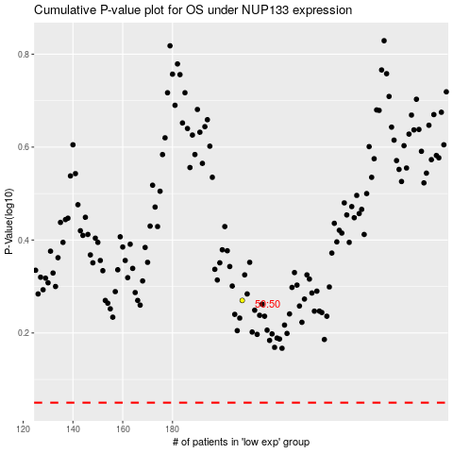

 |  |  |  |  |  | cases_OS | p_OS | rank | exp
 |  |  |  |  |  |  | cases_RFS | p_RFS | rank | exp

