NUP160 _multivariate
Reported by Tex Li-Hsing Chi. tex@gate.sinica.edu.tw 2019-08-17

Table 2. The clinicopathological features of HNSCC cohort and NUP160 expression. (Chi square test)
Cutoff at -0.087 (49.8%)
 |  | NUP160 expression |  | NUP160 expression |  | (Optimised)
 | Features | Low | (%) | High | (%) | Case no | P-value | Remark | Matthews
Gender | Female | 141 | 34 | 165 | 39.8 | 415 | 0.013 | 1 | 0
2 | Male | 66 | 15.9 | 43 | 10.4
Age at diagnosis | <=65y | 139 | 33.5 | 135 | 32.5 | 415 | 0.7044 | 0 | 0
4 | >65y | 68 | 16.4 | 73 | 17.6
Clinical T Status | T1+T2 | 75 | 18.1 | 74 | 17.8 | 415 | 0.9707 | 0 | 0
6 | T3+T4 | 132 | 31.8 | 134 | 32.3
Clinical N Status | N0 | 110 | 26.5 | 106 | 25.5 | 415 | 0.7294 | 0 | 0
8 | N1-3 | 97 | 23.4 | 102 | 24.6
Clinical M Status | M0 | 204 | 49.2 | 208 | 50.1 | 415 | 0.1232 | 0 | 0
10 | M1 | 3 | 0.7 | 0 | 0
Clinical Stage | Stage I+II | 51 | 12.3 | 51 | 12.3 | 415 | 1 | 0 | 0
12 | Stage III+IV | 156 | 37.6 | 157 | 37.8
Surgical Margin status | Negative | 165 | 39.8 | 153 | 36.9 | 415 | 0.1639 | 0 | 0
14 | Positive | 42 | 10.1 | 55 | 13.3
Tobacco Exposure | Low | 86 | 20.7 | 75 | 18.1 | 415 | 0.2687 | 0 | 0
16 | High | 121 | 29.2 | 133 | 32

Table 3. Univariate/Multivariate Cox's proportional hazards regression analyses on OS time of NUP160 gene expression in HNSCC

 |  | Univariate |  |  |  | Multivariate
 | Features | HR | CI95%(L) | CI95%(H) | P-value | HR | CI95%(L) | CI95%(H) | P-value
1 | Female | 1 |  |  |  | 1
Gender | Male | 1.157 | 0.843 | 1.587 | 0.367 | 1.226 | 0.872 | 1.723 | 0.241
11 | <=65y | 1 |  |  |  | 1
Age at diagnosis | >65y | 1.329 | 0.99 | 1.784 | 0.058 | 1.384 | 1.017 | 1.882 | 0.039
12 | T1+T2 | 1 |  |  |  | 1
Clinical T Status | T3+T4 | 1.409 | 1.028 | 1.931 | 0.033 | 2.202 | 1.165 | 4.164 | 0.015
13 | N0 | 1 |  |  |  | 1
Clinical N Status | N1-3 | 1.185 | 0.89 | 1.577 | 0.246 | 1.238 | 0.867 | 1.766 | 0.24
14 | M0 | 1 |  |  |  | 1
Clinical M Status | M1 | 4.097 | 1.009 | 16.644 | 0.049 | 9.903 | 2.139 | 45.855 | 0.003
15 | Stage I+II | 1 |  |  |  | 1
Clinical Stage | Stage III+IV | 1.245 | 0.882 | 1.759 | 0.213 | 0.504 | 0.235 | 1.083 | 0.079
16 | Negative | 1 |  |  |  | 1
Surgical Margin status | Positive | 1.591 | 1.155 | 2.191 | 0.004 | 1.663 | 1.203 | 2.299 | 0.002
17 | Low | 1 |  |  |  | 1
Tobacco Exposure | High | 1.364 | 1.008 | 1.844 | 0.044 | 1.458 | 1.058 | 2.008 | 0.021
18 | Low | 1 |  |  |  | 1
RNAseq(z-score) | High | 1.089 | 0.818 | 1.451 | 0.558 | 1.092 | 0.812 | 1.468 | 0.56

Table 4. Univariate/Multivariate Cox's proportional hazards regression analyses on RFS time of NUP160 gene expression in HNSCC

 |  | Univariate |  |  |  | Multivariate
 | Features | HR | CI95%(L) | CI95%(H) | P-value | HR | CI95%(L) | CI95%(H) | P-value
1 | Female | 1 |  |  |  | 1
Gender | Male | 1.157 | 0.843 | 1.587 | 0.367 | 1.226 | 0.872 | 1.723 | 0.241
11 | <=65y | 1 |  |  |  | 1
Age at diagnosis | >65y | 1.329 | 0.99 | 1.784 | 0.058 | 1.384 | 1.017 | 1.882 | 0.039
12 | T1+T2 | 1 |  |  |  | 1
Clinical T Status | T3+T4 | 1.409 | 1.028 | 1.931 | 0.033 | 2.202 | 1.165 | 4.164 | 0.015
13 | N0 | 1 |  |  |  | 1
Clinical N Status | N1-3 | 1.185 | 0.89 | 1.577 | 0.246 | 1.238 | 0.867 | 1.766 | 0.24
14 | M0 | 1 |  |  |  | 1
Clinical M Status | M1 | 4.097 | 1.009 | 16.644 | 0.049 | 9.903 | 2.139 | 45.855 | 0.003
15 | Stage I+II | 1 |  |  |  | 1
Clinical Stage | Stage III+IV | 1.245 | 0.882 | 1.759 | 0.213 | 0.504 | 0.235 | 1.083 | 0.079
16 | Negative | 1 |  |  |  | 1
Surgical Margin status | Positive | 1.591 | 1.155 | 2.191 | 0.004 | 1.663 | 1.203 | 2.299 | 0.002
17 | Low | 1 |  |  |  | 1
Tobacco Exposure | High | 1.364 | 1.008 | 1.844 | 0.044 | 1.458 | 1.058 | 2.008 | 0.021
18 | Low | 1 |  |  |  | 1
RNAseq(z-score) | High | 1.089 | 0.818 | 1.451 | 0.558 | 1.092 | 0.812 | 1.468 | 0.56

Kaplan-Meier survival estimate: Cutoff at -0.087 (49.8%)



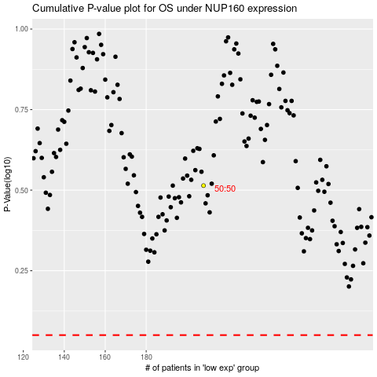

 |  |  |  |  |  | cases_OS | p_OS | rank | exp
 |  |  |  |  |  |  | cases_RFS | p_RFS | rank | exp

