NUP188 _multivariate
Reported by Tex Li-Hsing Chi. tex@gate.sinica.edu.tw 2019-08-17

Table 2. The clinicopathological features of HNSCC cohort and NUP188 expression. (Chi square test)
Cutoff at -0.357 (37.4%)
 |  | NUP188 expression |  | NUP188 expression |  | (Optimised)
 | Features | Low | (%) | High | (%) | Case no | P-value | Remark | Matthews
Gender | Female | 110 | 26.5 | 196 | 47.2 | 415 | 0.2972 | 0 | 0
2 | Male | 46 | 11.1 | 63 | 15.2
Age at diagnosis | <=65y | 106 | 25.5 | 168 | 40.5 | 415 | 0.5923 | 0 | 0
4 | >65y | 50 | 12 | 91 | 21.9
Clinical T Status | T1+T2 | 57 | 13.7 | 92 | 22.2 | 415 | 0.9175 | 0 | 0
6 | T3+T4 | 99 | 23.9 | 167 | 40.2
Clinical N Status | N0 | 82 | 19.8 | 134 | 32.3 | 415 | 0.9507 | 0 | 0
8 | N1-3 | 74 | 17.8 | 125 | 30.1
Clinical M Status | M0 | 155 | 37.3 | 257 | 61.9 | 415 | 1 | 0 | 0
10 | M1 | 1 | 0.2 | 2 | 0.5
Clinical Stage | Stage I+II | 41 | 9.9 | 61 | 14.7 | 415 | 0.6115 | 0 | 0
12 | Stage III+IV | 115 | 27.7 | 198 | 47.7
Surgical Margin status | Negative | 118 | 28.4 | 200 | 48.2 | 415 | 0.7208 | 0 | 0
14 | Positive | 38 | 9.2 | 59 | 14.2
Tobacco Exposure | Low | 73 | 17.6 | 88 | 21.2 | 415 | 0.0124 | 1 | 0
16 | High | 83 | 20 | 171 | 41.2

Table 3. Univariate/Multivariate Cox's proportional hazards regression analyses on OS time of NUP188 gene expression in HNSCC

 |  | Univariate |  |  |  | Multivariate
 | Features | HR | CI95%(L) | CI95%(H) | P-value | HR | CI95%(L) | CI95%(H) | P-value
1 | Female | 1 |  |  |  | 1
Gender | Male | 1.157 | 0.843 | 1.587 | 0.367 | 1.264 | 0.901 | 1.774 | 0.175
11 | <=65y | 1 |  |  |  | 1
Age at diagnosis | >65y | 1.329 | 0.99 | 1.784 | 0.058 | 1.357 | 0.997 | 1.848 | 0.052
12 | T1+T2 | 1 |  |  |  | 1
Clinical T Status | T3+T4 | 1.409 | 1.028 | 1.931 | 0.033 | 2.32 | 1.225 | 4.393 | 0.01
13 | N0 | 1 |  |  |  | 1
Clinical N Status | N1-3 | 1.185 | 0.89 | 1.577 | 0.246 | 1.27 | 0.889 | 1.815 | 0.189
14 | M0 | 1 |  |  |  | 1
Clinical M Status | M1 | 4.097 | 1.009 | 16.644 | 0.049 | 10.055 | 2.19 | 46.172 | 0.003
15 | Stage I+II | 1 |  |  |  | 1
Clinical Stage | Stage III+IV | 1.245 | 0.882 | 1.759 | 0.213 | 0.467 | 0.217 | 1.005 | 0.052
16 | Negative | 1 |  |  |  | 1
Surgical Margin status | Positive | 1.591 | 1.155 | 2.191 | 0.004 | 1.696 | 1.227 | 2.345 | 0.001
17 | Low | 1 |  |  |  | 1
Tobacco Exposure | High | 1.364 | 1.008 | 1.844 | 0.044 | 1.444 | 1.044 | 1.996 | 0.026
18 | Low | 1 |  |  |  | 1
RNAseq(z-score) | High | 1.384 | 1.02 | 1.88 | 0.037 | 1.431 | 1.047 | 1.956 | 0.025

Table 4. Univariate/Multivariate Cox's proportional hazards regression analyses on RFS time of NUP188 gene expression in HNSCC

 |  | Univariate |  |  |  | Multivariate
 | Features | HR | CI95%(L) | CI95%(H) | P-value | HR | CI95%(L) | CI95%(H) | P-value
1 | Female | 1 |  |  |  | 1
Gender | Male | 1.157 | 0.843 | 1.587 | 0.367 | 1.264 | 0.901 | 1.774 | 0.175
11 | <=65y | 1 |  |  |  | 1
Age at diagnosis | >65y | 1.329 | 0.99 | 1.784 | 0.058 | 1.357 | 0.997 | 1.848 | 0.052
12 | T1+T2 | 1 |  |  |  | 1
Clinical T Status | T3+T4 | 1.409 | 1.028 | 1.931 | 0.033 | 2.32 | 1.225 | 4.393 | 0.01
13 | N0 | 1 |  |  |  | 1
Clinical N Status | N1-3 | 1.185 | 0.89 | 1.577 | 0.246 | 1.27 | 0.889 | 1.815 | 0.189
14 | M0 | 1 |  |  |  | 1
Clinical M Status | M1 | 4.097 | 1.009 | 16.644 | 0.049 | 10.055 | 2.19 | 46.172 | 0.003
15 | Stage I+II | 1 |  |  |  | 1
Clinical Stage | Stage III+IV | 1.245 | 0.882 | 1.759 | 0.213 | 0.467 | 0.217 | 1.005 | 0.052
16 | Negative | 1 |  |  |  | 1
Surgical Margin status | Positive | 1.591 | 1.155 | 2.191 | 0.004 | 1.696 | 1.227 | 2.345 | 0.001
17 | Low | 1 |  |  |  | 1
Tobacco Exposure | High | 1.364 | 1.008 | 1.844 | 0.044 | 1.444 | 1.044 | 1.996 | 0.026
18 | Low | 1 |  |  |  | 1
RNAseq(z-score) | High | 1.384 | 1.02 | 1.88 | 0.037 | 1.431 | 1.047 | 1.956 | 0.025

Kaplan-Meier survival estimate: Cutoff at -0.357 (37.4%)



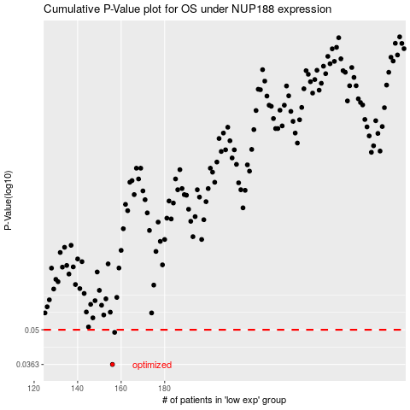

 |  |  |  |  |  | cases_OS | p_OS | rank | exp
 |  |  |  |  |  | 156 | 0.0363 | 88 | -0.35666707855
 |  |  |  |  |  | 157 | 0.0488 | 344 | -0.35407461318
 |  |  |  |  |  |  | cases_RFS | p_RFS | rank | exp
 |  |  |  |  |  |  | 155 | 0.0363 | 230 | -0.35953307163
 |  |  |  |  |  |  | 156 | 0.0488 | 88 | -0.35666707855

