NUP210 _multivariate
Reported by Tex Li-Hsing Chi. tex@gate.sinica.edu.tw 2019-08-17

Table 2. The clinicopathological features of HNSCC cohort and NUP210 expression. (Chi square test)
Cutoff at -0.355 (49.8%)
 |  | NUP210 expression |  | NUP210 expression |  | (Optimised)
 | Features | Low | (%) | High | (%) | Case no | P-value | Remark | Matthews
Gender | Female | 147 | 35.4 | 159 | 38.3 | 415 | 0.2523 | 0 | 0
2 | Male | 60 | 14.5 | 49 | 11.8
Age at diagnosis | <=65y | 139 | 33.5 | 135 | 32.5 | 415 | 0.7044 | 0 | 0
4 | >65y | 68 | 16.4 | 73 | 17.6
Clinical T Status | T1+T2 | 71 | 17.1 | 78 | 18.8 | 415 | 0.5638 | 0 | 0
6 | T3+T4 | 136 | 32.8 | 130 | 31.3
Clinical N Status | N0 | 103 | 24.8 | 113 | 27.2 | 415 | 0.4047 | 0 | 0
8 | N1-3 | 104 | 25.1 | 95 | 22.9
Clinical M Status | M0 | 204 | 49.2 | 208 | 50.1 | 415 | 0.1232 | 0 | 0
10 | M1 | 3 | 0.7 | 0 | 0
Clinical Stage | Stage I+II | 54 | 13 | 48 | 11.6 | 415 | 0.5498 | 0 | 0
12 | Stage III+IV | 153 | 36.9 | 160 | 38.6
Surgical Margin status | Negative | 164 | 39.5 | 154 | 37.1 | 415 | 0.2462 | 0 | 0
14 | Positive | 43 | 10.4 | 54 | 13
Tobacco Exposure | Low | 89 | 21.4 | 72 | 17.3 | 415 | 0.0872 | 0 | 0
16 | High | 118 | 28.4 | 136 | 32.8

Table 3. Univariate/Multivariate Cox's proportional hazards regression analyses on OS time of NUP210 gene expression in HNSCC

 |  | Univariate |  |  |  | Multivariate
 | Features | HR | CI95%(L) | CI95%(H) | P-value | HR | CI95%(L) | CI95%(H) | P-value
1 | Female | 1 |  |  |  | 1
Gender | Male | 1.157 | 0.843 | 1.587 | 0.367 | 1.197 | 0.857 | 1.673 | 0.291
11 | <=65y | 1 |  |  |  | 1
Age at diagnosis | >65y | 1.329 | 0.99 | 1.784 | 0.058 | 1.396 | 1.027 | 1.898 | 0.033
12 | T1+T2 | 1 |  |  |  | 1
Clinical T Status | T3+T4 | 1.409 | 1.028 | 1.931 | 0.033 | 2.16 | 1.137 | 4.102 | 0.019
13 | N0 | 1 |  |  |  | 1
Clinical N Status | N1-3 | 1.185 | 0.89 | 1.577 | 0.246 | 1.23 | 0.861 | 1.758 | 0.256
14 | M0 | 1 |  |  |  | 1
Clinical M Status | M1 | 4.097 | 1.009 | 16.644 | 0.049 | 8.935 | 1.924 | 41.494 | 0.005
15 | Stage I+II | 1 |  |  |  | 1
Clinical Stage | Stage III+IV | 1.245 | 0.882 | 1.759 | 0.213 | 0.516 | 0.239 | 1.112 | 0.091
16 | Negative | 1 |  |  |  | 1
Surgical Margin status | Positive | 1.591 | 1.155 | 2.191 | 0.004 | 1.686 | 1.218 | 2.334 | 0.002
17 | Low | 1 |  |  |  | 1
Tobacco Exposure | High | 1.364 | 1.008 | 1.844 | 0.044 | 1.469 | 1.063 | 2.031 | 0.02
18 | Low | 1 |  |  |  | 1
RNAseq(z-score) | High | 0.939 | 0.705 | 1.25 | 0.665 | 0.927 | 0.689 | 1.247 | 0.618

Table 4. Univariate/Multivariate Cox's proportional hazards regression analyses on RFS time of NUP210 gene expression in HNSCC

 |  | Univariate |  |  |  | Multivariate
 | Features | HR | CI95%(L) | CI95%(H) | P-value | HR | CI95%(L) | CI95%(H) | P-value
1 | Female | 1 |  |  |  | 1
Gender | Male | 1.157 | 0.843 | 1.587 | 0.367 | 1.197 | 0.857 | 1.673 | 0.291
11 | <=65y | 1 |  |  |  | 1
Age at diagnosis | >65y | 1.329 | 0.99 | 1.784 | 0.058 | 1.396 | 1.027 | 1.898 | 0.033
12 | T1+T2 | 1 |  |  |  | 1
Clinical T Status | T3+T4 | 1.409 | 1.028 | 1.931 | 0.033 | 2.16 | 1.137 | 4.102 | 0.019
13 | N0 | 1 |  |  |  | 1
Clinical N Status | N1-3 | 1.185 | 0.89 | 1.577 | 0.246 | 1.23 | 0.861 | 1.758 | 0.256
14 | M0 | 1 |  |  |  | 1
Clinical M Status | M1 | 4.097 | 1.009 | 16.644 | 0.049 | 8.935 | 1.924 | 41.494 | 0.005
15 | Stage I+II | 1 |  |  |  | 1
Clinical Stage | Stage III+IV | 1.245 | 0.882 | 1.759 | 0.213 | 0.516 | 0.239 | 1.112 | 0.091
16 | Negative | 1 |  |  |  | 1
Surgical Margin status | Positive | 1.591 | 1.155 | 2.191 | 0.004 | 1.686 | 1.218 | 2.334 | 0.002
17 | Low | 1 |  |  |  | 1
Tobacco Exposure | High | 1.364 | 1.008 | 1.844 | 0.044 | 1.469 | 1.063 | 2.031 | 0.02
18 | Low | 1 |  |  |  | 1
RNAseq(z-score) | High | 0.939 | 0.705 | 1.25 | 0.665 | 0.927 | 0.689 | 1.247 | 0.618

Kaplan-Meier survival estimate: Cutoff at -0.355 (49.8%)



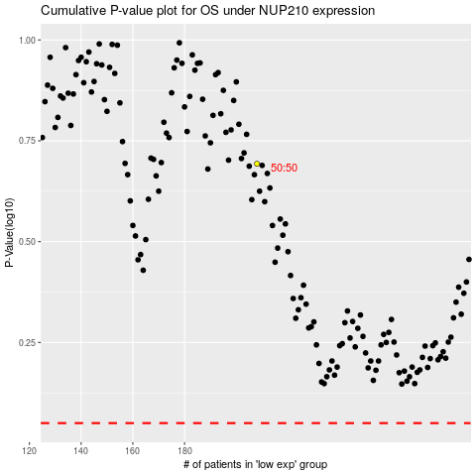

 |  |  |  |  |  | cases_OS | p_OS | rank | exp
 |  |  |  |  |  |  | cases_RFS | p_RFS | rank | exp

