NUP214 _multivariate
Reported by Tex Li-Hsing Chi. tex@gate.sinica.edu.tw 2019-08-17

Table 2. The clinicopathological features of HNSCC cohort and NUP214 expression. (Chi square test)
Cutoff at -0.149 (49.8%)
 |  | NUP214 expression |  | NUP214 expression |  | (Optimised)
 | Features | Low | (%) | High | (%) | Case no | P-value | Remark | Matthews
Gender | Female | 146 | 35.2 | 160 | 38.6 | 415 | 0.1714 | 0 | 0
2 | Male | 61 | 14.7 | 48 | 11.6
Age at diagnosis | <=65y | 135 | 32.5 | 139 | 33.5 | 415 | 0.8084 | 0 | 0
4 | >65y | 72 | 17.3 | 69 | 16.6
Clinical T Status | T1+T2 | 69 | 16.6 | 80 | 19.3 | 415 | 0.3239 | 0 | 0
6 | T3+T4 | 138 | 33.3 | 128 | 30.8
Clinical N Status | N0 | 110 | 26.5 | 106 | 25.5 | 415 | 0.7294 | 0 | 0
8 | N1-3 | 97 | 23.4 | 102 | 24.6
Clinical M Status | M0 | 206 | 49.6 | 206 | 49.6 | 415 | 1 | 0 | 0
10 | M1 | 1 | 0.2 | 2 | 0.5
Clinical Stage | Stage I+II | 48 | 11.6 | 54 | 13 | 415 | 0.5878 | 0 | 0
12 | Stage III+IV | 159 | 38.3 | 154 | 37.1
Surgical Margin status | Negative | 160 | 38.6 | 158 | 38.1 | 415 | 0.8167 | 0 | 0
14 | Positive | 47 | 11.3 | 50 | 12
Tobacco Exposure | Low | 89 | 21.4 | 72 | 17.3 | 415 | 0.0872 | 0 | 0
16 | High | 118 | 28.4 | 136 | 32.8

Table 3. Univariate/Multivariate Cox's proportional hazards regression analyses on OS time of NUP214 gene expression in HNSCC

 |  | Univariate |  |  |  | Multivariate
 | Features | HR | CI95%(L) | CI95%(H) | P-value | HR | CI95%(L) | CI95%(H) | P-value
1 | Female | 1 |  |  |  | 1
Gender | Male | 1.157 | 0.843 | 1.587 | 0.367 | 1.212 | 0.866 | 1.697 | 0.262
11 | <=65y | 1 |  |  |  | 1
Age at diagnosis | >65y | 1.329 | 0.99 | 1.784 | 0.058 | 1.382 | 1.015 | 1.881 | 0.04
12 | T1+T2 | 1 |  |  |  | 1
Clinical T Status | T3+T4 | 1.409 | 1.028 | 1.931 | 0.033 | 2.215 | 1.171 | 4.189 | 0.014
13 | N0 | 1 |  |  |  | 1
Clinical N Status | N1-3 | 1.185 | 0.89 | 1.577 | 0.246 | 1.237 | 0.867 | 1.766 | 0.241
14 | M0 | 1 |  |  |  | 1
Clinical M Status | M1 | 4.097 | 1.009 | 16.644 | 0.049 | 9.413 | 2.053 | 43.153 | 0.004
15 | Stage I+II | 1 |  |  |  | 1
Clinical Stage | Stage III+IV | 1.245 | 0.882 | 1.759 | 0.213 | 0.505 | 0.235 | 1.083 | 0.079
16 | Negative | 1 |  |  |  | 1
Surgical Margin status | Positive | 1.591 | 1.155 | 2.191 | 0.004 | 1.672 | 1.21 | 2.31 | 0.002
17 | Low | 1 |  |  |  | 1
Tobacco Exposure | High | 1.364 | 1.008 | 1.844 | 0.044 | 1.454 | 1.055 | 2.004 | 0.022
18 | Low | 1 |  |  |  | 1
RNAseq(z-score) | High | 1.08 | 0.81 | 1.439 | 0.6 | 1.08 | 0.807 | 1.444 | 0.605

Table 4. Univariate/Multivariate Cox's proportional hazards regression analyses on RFS time of NUP214 gene expression in HNSCC

 |  | Univariate |  |  |  | Multivariate
 | Features | HR | CI95%(L) | CI95%(H) | P-value | HR | CI95%(L) | CI95%(H) | P-value
1 | Female | 1 |  |  |  | 1
Gender | Male | 1.157 | 0.843 | 1.587 | 0.367 | 1.212 | 0.866 | 1.697 | 0.262
11 | <=65y | 1 |  |  |  | 1
Age at diagnosis | >65y | 1.329 | 0.99 | 1.784 | 0.058 | 1.382 | 1.015 | 1.881 | 0.04
12 | T1+T2 | 1 |  |  |  | 1
Clinical T Status | T3+T4 | 1.409 | 1.028 | 1.931 | 0.033 | 2.215 | 1.171 | 4.189 | 0.014
13 | N0 | 1 |  |  |  | 1
Clinical N Status | N1-3 | 1.185 | 0.89 | 1.577 | 0.246 | 1.237 | 0.867 | 1.766 | 0.241
14 | M0 | 1 |  |  |  | 1
Clinical M Status | M1 | 4.097 | 1.009 | 16.644 | 0.049 | 9.413 | 2.053 | 43.153 | 0.004
15 | Stage I+II | 1 |  |  |  | 1
Clinical Stage | Stage III+IV | 1.245 | 0.882 | 1.759 | 0.213 | 0.505 | 0.235 | 1.083 | 0.079
16 | Negative | 1 |  |  |  | 1
Surgical Margin status | Positive | 1.591 | 1.155 | 2.191 | 0.004 | 1.672 | 1.21 | 2.31 | 0.002
17 | Low | 1 |  |  |  | 1
Tobacco Exposure | High | 1.364 | 1.008 | 1.844 | 0.044 | 1.454 | 1.055 | 2.004 | 0.022
18 | Low | 1 |  |  |  | 1
RNAseq(z-score) | High | 1.08 | 0.81 | 1.439 | 0.6 | 1.08 | 0.807 | 1.444 | 0.605

Kaplan-Meier survival estimate: Cutoff at -0.149 (49.8%)



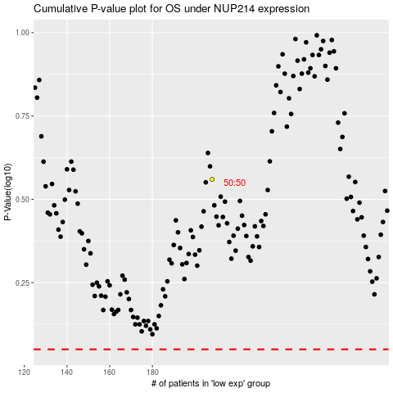

 |  |  |  |  |  | cases_OS | p_OS | rank | exp
 |  |  |  |  |  |  | cases_RFS | p_RFS | rank | exp

