NUP35 _multivariate
Reported by Tex Li-Hsing Chi. tex@gate.sinica.edu.tw 2019-08-17

Table 2. The clinicopathological features of HNSCC cohort and NUP35 expression. (Chi square test)
Cutoff at -0.15 (49.8%)
 |  | NUP35 expression |  | NUP35 expression |  | (Optimised)
 | Features | Low | (%) | High | (%) | Case no | P-value | Remark | Matthews
Gender | Female | 144 | 34.7 | 162 | 39 | 415 | 0.0697 | 0 | 0
2 | Male | 63 | 15.2 | 46 | 11.1
Age at diagnosis | <=65y | 131 | 31.6 | 143 | 34.5 | 415 | 0.2839 | 0 | 0
4 | >65y | 76 | 18.3 | 65 | 15.7
Clinical T Status | T1+T2 | 74 | 17.8 | 75 | 18.1 | 415 | 1 | 0 | 0
6 | T3+T4 | 133 | 32 | 133 | 32
Clinical N Status | N0 | 107 | 25.8 | 109 | 26.3 | 415 | 0.9624 | 0 | 0
8 | N1-3 | 100 | 24.1 | 99 | 23.9
Clinical M Status | M0 | 205 | 49.4 | 207 | 49.9 | 415 | 0.6232 | 0 | 0
10 | M1 | 2 | 0.5 | 1 | 0.2
Clinical Stage | Stage I+II | 50 | 12 | 52 | 12.5 | 415 | 0.9315 | 0 | 0
12 | Stage III+IV | 157 | 37.8 | 156 | 37.6
Surgical Margin status | Negative | 160 | 38.6 | 158 | 38.1 | 415 | 0.8167 | 0 | 0
14 | Positive | 47 | 11.3 | 50 | 12
Tobacco Exposure | Low | 94 | 22.7 | 67 | 16.1 | 415 | 0.0065 | 1 | 0
16 | High | 113 | 27.2 | 141 | 34

Table 3. Univariate/Multivariate Cox's proportional hazards regression analyses on OS time of NUP35 gene expression in HNSCC

 |  | Univariate |  |  |  | Multivariate
 | Features | HR | CI95%(L) | CI95%(H) | P-value | HR | CI95%(L) | CI95%(H) | P-value
1 | Female | 1 |  |  |  | 1
Gender | Male | 1.157 | 0.843 | 1.587 | 0.367 | 1.217 | 0.869 | 1.705 | 0.253
11 | <=65y | 1 |  |  |  | 1
Age at diagnosis | >65y | 1.329 | 0.99 | 1.784 | 0.058 | 1.397 | 1.027 | 1.899 | 0.033
12 | T1+T2 | 1 |  |  |  | 1
Clinical T Status | T3+T4 | 1.409 | 1.028 | 1.931 | 0.033 | 2.199 | 1.163 | 4.156 | 0.015
13 | N0 | 1 |  |  |  | 1
Clinical N Status | N1-3 | 1.185 | 0.89 | 1.577 | 0.246 | 1.24 | 0.869 | 1.77 | 0.235
14 | M0 | 1 |  |  |  | 1
Clinical M Status | M1 | 4.097 | 1.009 | 16.644 | 0.049 | 9.511 | 2.074 | 43.609 | 0.004
15 | Stage I+II | 1 |  |  |  | 1
Clinical Stage | Stage III+IV | 1.245 | 0.882 | 1.759 | 0.213 | 0.51 | 0.237 | 1.095 | 0.084
16 | Negative | 1 |  |  |  | 1
Surgical Margin status | Positive | 1.591 | 1.155 | 2.191 | 0.004 | 1.677 | 1.214 | 2.317 | 0.002
17 | Low | 1 |  |  |  | 1
Tobacco Exposure | High | 1.364 | 1.008 | 1.844 | 0.044 | 1.442 | 1.045 | 1.989 | 0.026
18 | Low | 1 |  |  |  | 1
RNAseq(z-score) | High | 1.1 | 0.823 | 1.469 | 0.52 | 1.118 | 0.833 | 1.499 | 0.458

Table 4. Univariate/Multivariate Cox's proportional hazards regression analyses on RFS time of NUP35 gene expression in HNSCC

 |  | Univariate |  |  |  | Multivariate
 | Features | HR | CI95%(L) | CI95%(H) | P-value | HR | CI95%(L) | CI95%(H) | P-value
1 | Female | 1 |  |  |  | 1
Gender | Male | 1.157 | 0.843 | 1.587 | 0.367 | 1.217 | 0.869 | 1.705 | 0.253
11 | <=65y | 1 |  |  |  | 1
Age at diagnosis | >65y | 1.329 | 0.99 | 1.784 | 0.058 | 1.397 | 1.027 | 1.899 | 0.033
12 | T1+T2 | 1 |  |  |  | 1
Clinical T Status | T3+T4 | 1.409 | 1.028 | 1.931 | 0.033 | 2.199 | 1.163 | 4.156 | 0.015
13 | N0 | 1 |  |  |  | 1
Clinical N Status | N1-3 | 1.185 | 0.89 | 1.577 | 0.246 | 1.24 | 0.869 | 1.77 | 0.235
14 | M0 | 1 |  |  |  | 1
Clinical M Status | M1 | 4.097 | 1.009 | 16.644 | 0.049 | 9.511 | 2.074 | 43.609 | 0.004
15 | Stage I+II | 1 |  |  |  | 1
Clinical Stage | Stage III+IV | 1.245 | 0.882 | 1.759 | 0.213 | 0.51 | 0.237 | 1.095 | 0.084
16 | Negative | 1 |  |  |  | 1
Surgical Margin status | Positive | 1.591 | 1.155 | 2.191 | 0.004 | 1.677 | 1.214 | 2.317 | 0.002
17 | Low | 1 |  |  |  | 1
Tobacco Exposure | High | 1.364 | 1.008 | 1.844 | 0.044 | 1.442 | 1.045 | 1.989 | 0.026
18 | Low | 1 |  |  |  | 1
RNAseq(z-score) | High | 1.1 | 0.823 | 1.469 | 0.52 | 1.118 | 0.833 | 1.499 | 0.458

Kaplan-Meier survival estimate: Cutoff at -0.15 (49.8%)

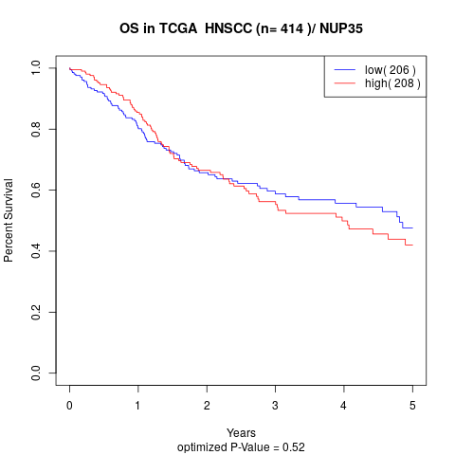

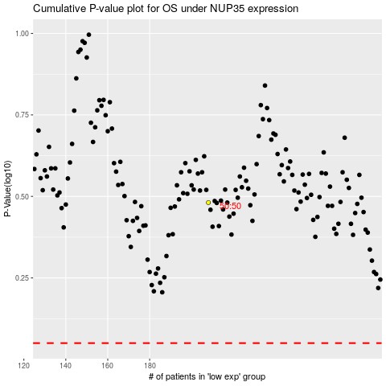

 |  |  |  |  |  | cases_OS | p_OS | rank | exp
 |  |  |  |  |  |  | cases_RFS | p_RFS | rank | exp

