NUP43 _multivariate
Reported by Tex Li-Hsing Chi. tex@gate.sinica.edu.tw 2019-08-17

Table 2. The clinicopathological features of HNSCC cohort and NUP43 expression. (Chi square test)
Cutoff at -0.208 (49.8%)
 |  | NUP43 expression |  | NUP43 expression |  | (Optimised)
 | Features | Low | (%) | High | (%) | Case no | P-value | Remark | Matthews
Gender | Female | 142 | 34.2 | 164 | 39.5 | 415 | 0.0238 | 1 | 0
2 | Male | 65 | 15.7 | 44 | 10.6
Age at diagnosis | <=65y | 126 | 30.4 | 148 | 35.7 | 415 | 0.035 | 1 | 0
4 | >65y | 81 | 19.5 | 60 | 14.5
Clinical T Status | T1+T2 | 68 | 16.4 | 81 | 19.5 | 415 | 0.2336 | 0 | 0
6 | T3+T4 | 139 | 33.5 | 127 | 30.6
Clinical N Status | N0 | 112 | 27 | 104 | 25.1 | 415 | 0.4599 | 0 | 0
8 | N1-3 | 95 | 22.9 | 104 | 25.1
Clinical M Status | M0 | 206 | 49.6 | 206 | 49.6 | 415 | 1 | 0 | 0
10 | M1 | 1 | 0.2 | 2 | 0.5
Clinical Stage | Stage I+II | 53 | 12.8 | 49 | 11.8 | 415 | 0.7113 | 0 | 0
12 | Stage III+IV | 154 | 37.1 | 159 | 38.3
Surgical Margin status | Negative | 167 | 40.2 | 151 | 36.4 | 415 | 0.0632 | 0 | 0
14 | Positive | 40 | 9.6 | 57 | 13.7
Tobacco Exposure | Low | 92 | 22.2 | 69 | 16.6 | 415 | 0.0206 | 1 | 0
16 | High | 115 | 27.7 | 139 | 33.5

Table 3. Univariate/Multivariate Cox's proportional hazards regression analyses on OS time of NUP43 gene expression in HNSCC

 |  | Univariate |  |  |  | Multivariate
 | Features | HR | CI95%(L) | CI95%(H) | P-value | HR | CI95%(L) | CI95%(H) | P-value
1 | Female | 1 |  |  |  | 1
Gender | Male | 1.157 | 0.843 | 1.587 | 0.367 | 1.232 | 0.879 | 1.727 | 0.226
11 | <=65y | 1 |  |  |  | 1
Age at diagnosis | >65y | 1.329 | 0.99 | 1.784 | 0.058 | 1.402 | 1.031 | 1.907 | 0.031
12 | T1+T2 | 1 |  |  |  | 1
Clinical T Status | T3+T4 | 1.409 | 1.028 | 1.931 | 0.033 | 2.322 | 1.22 | 4.419 | 0.01
13 | N0 | 1 |  |  |  | 1
Clinical N Status | N1-3 | 1.185 | 0.89 | 1.577 | 0.246 | 1.245 | 0.872 | 1.777 | 0.228
14 | M0 | 1 |  |  |  | 1
Clinical M Status | M1 | 4.097 | 1.009 | 16.644 | 0.049 | 9.437 | 2.058 | 43.282 | 0.004
15 | Stage I+II | 1 |  |  |  | 1
Clinical Stage | Stage III+IV | 1.245 | 0.882 | 1.759 | 0.213 | 0.483 | 0.224 | 1.042 | 0.064
16 | Negative | 1 |  |  |  | 1
Surgical Margin status | Positive | 1.591 | 1.155 | 2.191 | 0.004 | 1.656 | 1.198 | 2.29 | 0.002
17 | Low | 1 |  |  |  | 1
Tobacco Exposure | High | 1.364 | 1.008 | 1.844 | 0.044 | 1.436 | 1.041 | 1.98 | 0.027
18 | Low | 1 |  |  |  | 1
RNAseq(z-score) | High | 1.118 | 0.839 | 1.49 | 0.445 | 1.18 | 0.876 | 1.589 | 0.277

Table 4. Univariate/Multivariate Cox's proportional hazards regression analyses on RFS time of NUP43 gene expression in HNSCC

 |  | Univariate |  |  |  | Multivariate
 | Features | HR | CI95%(L) | CI95%(H) | P-value | HR | CI95%(L) | CI95%(H) | P-value
1 | Female | 1 |  |  |  | 1
Gender | Male | 1.157 | 0.843 | 1.587 | 0.367 | 1.232 | 0.879 | 1.727 | 0.226
11 | <=65y | 1 |  |  |  | 1
Age at diagnosis | >65y | 1.329 | 0.99 | 1.784 | 0.058 | 1.402 | 1.031 | 1.907 | 0.031
12 | T1+T2 | 1 |  |  |  | 1
Clinical T Status | T3+T4 | 1.409 | 1.028 | 1.931 | 0.033 | 2.322 | 1.22 | 4.419 | 0.01
13 | N0 | 1 |  |  |  | 1
Clinical N Status | N1-3 | 1.185 | 0.89 | 1.577 | 0.246 | 1.245 | 0.872 | 1.777 | 0.228
14 | M0 | 1 |  |  |  | 1
Clinical M Status | M1 | 4.097 | 1.009 | 16.644 | 0.049 | 9.437 | 2.058 | 43.282 | 0.004
15 | Stage I+II | 1 |  |  |  | 1
Clinical Stage | Stage III+IV | 1.245 | 0.882 | 1.759 | 0.213 | 0.483 | 0.224 | 1.042 | 0.064
16 | Negative | 1 |  |  |  | 1
Surgical Margin status | Positive | 1.591 | 1.155 | 2.191 | 0.004 | 1.656 | 1.198 | 2.29 | 0.002
17 | Low | 1 |  |  |  | 1
Tobacco Exposure | High | 1.364 | 1.008 | 1.844 | 0.044 | 1.436 | 1.041 | 1.98 | 0.027
18 | Low | 1 |  |  |  | 1
RNAseq(z-score) | High | 1.118 | 0.839 | 1.49 | 0.445 | 1.18 | 0.876 | 1.589 | 0.277

Kaplan-Meier survival estimate: Cutoff at -0.208 (49.8%)



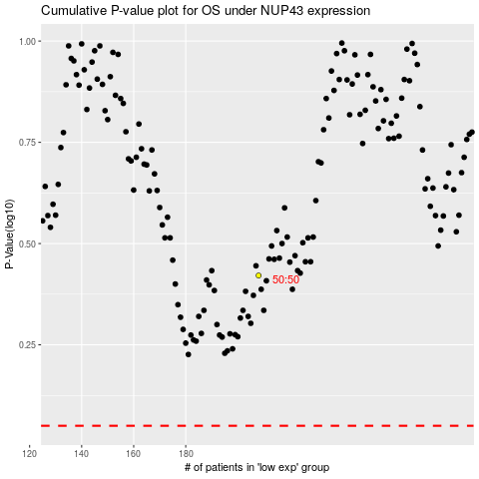

 |  |  |  |  |  | cases_OS | p_OS | rank | exp
 |  |  |  |  |  |  | cases_RFS | p_RFS | rank | exp

