NUP88 _multivariate
Reported by Tex Li-Hsing Chi. tex@gate.sinica.edu.tw 2019-08-17

Table 2. The clinicopathological features of HNSCC cohort and NUP88 expression. (Chi square test)
Cutoff at -0.179 (50.0%)
 |  | NUP88 expression |  | NUP88 expression |  | (Optimised)
 | Features | Low | (%) | High | (%) | Case no | P-value | Remark | Matthews
Gender | Female | 146 | 35.2 | 160 | 38.6 | 415 | 0.1714 | 0 | 0
2 | Male | 61 | 14.7 | 48 | 11.6
Age at diagnosis | <=65y | 140 | 33.7 | 134 | 32.3 | 415 | 0.5574 | 0 | 0
4 | >65y | 67 | 16.1 | 74 | 17.8
Clinical T Status | T1+T2 | 78 | 18.8 | 71 | 17.1 | 415 | 0.5152 | 0 | 0
6 | T3+T4 | 129 | 31.1 | 137 | 33
Clinical N Status | N0 | 108 | 26 | 108 | 26 | 415 | 1 | 0 | 0
8 | N1-3 | 99 | 23.9 | 100 | 24.1
Clinical M Status | M0 | 206 | 49.6 | 206 | 49.6 | 415 | 1 | 0 | 0
10 | M1 | 1 | 0.2 | 2 | 0.5
Clinical Stage | Stage I+II | 60 | 14.5 | 42 | 10.1 | 415 | 0.0493 | 1 | 0
12 | Stage III+IV | 147 | 35.4 | 166 | 40
Surgical Margin status | Negative | 155 | 37.3 | 163 | 39.3 | 415 | 0.4187 | 0 | 0
14 | Positive | 52 | 12.5 | 45 | 10.8
Tobacco Exposure | Low | 84 | 20.2 | 77 | 18.6 | 415 | 0.4816 | 0 | 0
16 | High | 123 | 29.6 | 131 | 31.6

Table 3. Univariate/Multivariate Cox's proportional hazards regression analyses on OS time of NUP88 gene expression in HNSCC

 |  | Univariate |  |  |  | Multivariate
 | Features | HR | CI95%(L) | CI95%(H) | P-value | HR | CI95%(L) | CI95%(H) | P-value
1 | Female | 1 |  |  |  | 1
Gender | Male | 1.157 | 0.843 | 1.587 | 0.367 | 1.214 | 0.868 | 1.699 | 0.257
11 | <=65y | 1 |  |  |  | 1
Age at diagnosis | >65y | 1.329 | 0.99 | 1.784 | 0.058 | 1.398 | 1.028 | 1.901 | 0.033
12 | T1+T2 | 1 |  |  |  | 1
Clinical T Status | T3+T4 | 1.409 | 1.028 | 1.931 | 0.033 | 2.248 | 1.187 | 4.257 | 0.013
13 | N0 | 1 |  |  |  | 1
Clinical N Status | N1-3 | 1.185 | 0.89 | 1.577 | 0.246 | 1.264 | 0.884 | 1.809 | 0.199
14 | M0 | 1 |  |  |  | 1
Clinical M Status | M1 | 4.097 | 1.009 | 16.644 | 0.049 | 9.229 | 2.012 | 42.334 | 0.004
15 | Stage I+II | 1 |  |  |  | 1
Clinical Stage | Stage III+IV | 1.245 | 0.882 | 1.759 | 0.213 | 0.483 | 0.224 | 1.044 | 0.064
16 | Negative | 1 |  |  |  | 1
Surgical Margin status | Positive | 1.591 | 1.155 | 2.191 | 0.004 | 1.703 | 1.229 | 2.36 | 0.001
17 | Low | 1 |  |  |  | 1
Tobacco Exposure | High | 1.364 | 1.008 | 1.844 | 0.044 | 1.476 | 1.069 | 2.039 | 0.018
18 | Low | 1 |  |  |  | 1
RNAseq(z-score) | High | 1.043 | 0.783 | 1.39 | 0.773 | 1.147 | 0.853 | 1.542 | 0.363

Table 4. Univariate/Multivariate Cox's proportional hazards regression analyses on RFS time of NUP88 gene expression in HNSCC

 |  | Univariate |  |  |  | Multivariate
 | Features | HR | CI95%(L) | CI95%(H) | P-value | HR | CI95%(L) | CI95%(H) | P-value
1 | Female | 1 |  |  |  | 1
Gender | Male | 1.157 | 0.843 | 1.587 | 0.367 | 1.214 | 0.868 | 1.699 | 0.257
11 | <=65y | 1 |  |  |  | 1
Age at diagnosis | >65y | 1.329 | 0.99 | 1.784 | 0.058 | 1.398 | 1.028 | 1.901 | 0.033
12 | T1+T2 | 1 |  |  |  | 1
Clinical T Status | T3+T4 | 1.409 | 1.028 | 1.931 | 0.033 | 2.248 | 1.187 | 4.257 | 0.013
13 | N0 | 1 |  |  |  | 1
Clinical N Status | N1-3 | 1.185 | 0.89 | 1.577 | 0.246 | 1.264 | 0.884 | 1.809 | 0.199
14 | M0 | 1 |  |  |  | 1
Clinical M Status | M1 | 4.097 | 1.009 | 16.644 | 0.049 | 9.229 | 2.012 | 42.334 | 0.004
15 | Stage I+II | 1 |  |  |  | 1
Clinical Stage | Stage III+IV | 1.245 | 0.882 | 1.759 | 0.213 | 0.483 | 0.224 | 1.044 | 0.064
16 | Negative | 1 |  |  |  | 1
Surgical Margin status | Positive | 1.591 | 1.155 | 2.191 | 0.004 | 1.703 | 1.229 | 2.36 | 0.001
17 | Low | 1 |  |  |  | 1
Tobacco Exposure | High | 1.364 | 1.008 | 1.844 | 0.044 | 1.476 | 1.069 | 2.039 | 0.018
18 | Low | 1 |  |  |  | 1
RNAseq(z-score) | High | 1.043 | 0.783 | 1.39 | 0.773 | 1.147 | 0.853 | 1.542 | 0.363

Kaplan-Meier survival estimate: Cutoff at -0.179 (50.0%)



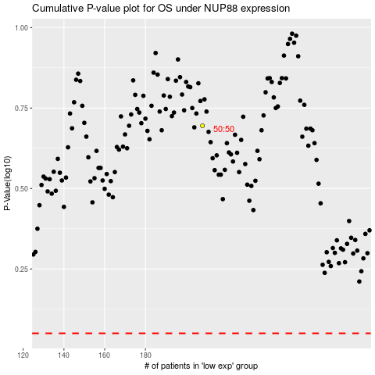

 |  |  |  |  |  | cases_OS | p_OS | rank | exp
 |  |  |  |  |  |  | cases_RFS | p_RFS | rank | exp

