NUPL1 _multivariate
Reported by Tex Li-Hsing Chi. tex@gate.sinica.edu.tw 2019-08-17

Table 2. The clinicopathological features of HNSCC cohort and NUPL1 expression. (Chi square test)
Cutoff at -0.131 (47.8%)
 |  | NUPL1 expression |  | NUPL1 expression |  | (Optimised)
 | Features | Low | (%) | High | (%) | Case no | P-value | Remark | Matthews
Gender | Female | 151 | 36.4 | 155 | 37.3 | 415 | 0.4002 | 0 | 0
2 | Male | 48 | 11.6 | 61 | 14.7
Age at diagnosis | <=65y | 137 | 33 | 137 | 33 | 415 | 0.2889 | 0 | 0
4 | >65y | 62 | 14.9 | 79 | 19
Clinical T Status | T1+T2 | 74 | 17.8 | 75 | 18.1 | 415 | 0.6743 | 0 | 0
6 | T3+T4 | 125 | 30.1 | 141 | 34
Clinical N Status | N0 | 105 | 25.3 | 111 | 26.7 | 415 | 0.8558 | 0 | 0
8 | N1-3 | 94 | 22.7 | 105 | 25.3
Clinical M Status | M0 | 197 | 47.5 | 215 | 51.8 | 415 | 0.6093 | 0 | 0
10 | M1 | 2 | 0.5 | 1 | 0.2
Clinical Stage | Stage I+II | 48 | 11.6 | 54 | 13 | 415 | 0.9253 | 0 | 0
12 | Stage III+IV | 151 | 36.4 | 162 | 39
Surgical Margin status | Negative | 159 | 38.3 | 159 | 38.3 | 415 | 0.1335 | 0 | 0
14 | Positive | 40 | 9.6 | 57 | 13.7
Tobacco Exposure | Low | 87 | 21 | 74 | 17.8 | 415 | 0.0555 | 0 | 0
16 | High | 112 | 27 | 142 | 34.2

Table 3. Univariate/Multivariate Cox's proportional hazards regression analyses on OS time of NUPL1 gene expression in HNSCC

 |  | Univariate |  |  |  | Multivariate
 | Features | HR | CI95%(L) | CI95%(H) | P-value | HR | CI95%(L) | CI95%(H) | P-value
1 | Female | 1 |  |  |  | 1
Gender | Male | 1.157 | 0.843 | 1.587 | 0.367 | 1.208 | 0.865 | 1.687 | 0.268
11 | <=65y | 1 |  |  |  | 1
Age at diagnosis | >65y | 1.329 | 0.99 | 1.784 | 0.058 | 1.368 | 1.006 | 1.859 | 0.046
12 | T1+T2 | 1 |  |  |  | 1
Clinical T Status | T3+T4 | 1.409 | 1.028 | 1.931 | 0.033 | 2.169 | 1.147 | 4.101 | 0.017
13 | N0 | 1 |  |  |  | 1
Clinical N Status | N1-3 | 1.185 | 0.89 | 1.577 | 0.246 | 1.227 | 0.861 | 1.75 | 0.258
14 | M0 | 1 |  |  |  | 1
Clinical M Status | M1 | 4.097 | 1.009 | 16.644 | 0.049 | 10.202 | 2.219 | 46.894 | 0.003
15 | Stage I+II | 1 |  |  |  | 1
Clinical Stage | Stage III+IV | 1.245 | 0.882 | 1.759 | 0.213 | 0.519 | 0.242 | 1.115 | 0.093
16 | Negative | 1 |  |  |  | 1
Surgical Margin status | Positive | 1.591 | 1.155 | 2.191 | 0.004 | 1.649 | 1.193 | 2.28 | 0.002
17 | Low | 1 |  |  |  | 1
Tobacco Exposure | High | 1.364 | 1.008 | 1.844 | 0.044 | 1.453 | 1.055 | 2.002 | 0.022
18 | Low | 1 |  |  |  | 1
RNAseq(z-score) | High | 1.336 | 1 | 1.785 | 0.05 | 1.312 | 0.978 | 1.76 | 0.07

Table 4. Univariate/Multivariate Cox's proportional hazards regression analyses on RFS time of NUPL1 gene expression in HNSCC

 |  | Univariate |  |  |  | Multivariate
 | Features | HR | CI95%(L) | CI95%(H) | P-value | HR | CI95%(L) | CI95%(H) | P-value
1 | Female | 1 |  |  |  | 1
Gender | Male | 1.157 | 0.843 | 1.587 | 0.367 | 1.208 | 0.865 | 1.687 | 0.268
11 | <=65y | 1 |  |  |  | 1
Age at diagnosis | >65y | 1.329 | 0.99 | 1.784 | 0.058 | 1.368 | 1.006 | 1.859 | 0.046
12 | T1+T2 | 1 |  |  |  | 1
Clinical T Status | T3+T4 | 1.409 | 1.028 | 1.931 | 0.033 | 2.169 | 1.147 | 4.101 | 0.017
13 | N0 | 1 |  |  |  | 1
Clinical N Status | N1-3 | 1.185 | 0.89 | 1.577 | 0.246 | 1.227 | 0.861 | 1.75 | 0.258
14 | M0 | 1 |  |  |  | 1
Clinical M Status | M1 | 4.097 | 1.009 | 16.644 | 0.049 | 10.202 | 2.219 | 46.894 | 0.003
15 | Stage I+II | 1 |  |  |  | 1
Clinical Stage | Stage III+IV | 1.245 | 0.882 | 1.759 | 0.213 | 0.519 | 0.242 | 1.115 | 0.093
16 | Negative | 1 |  |  |  | 1
Surgical Margin status | Positive | 1.591 | 1.155 | 2.191 | 0.004 | 1.649 | 1.193 | 2.28 | 0.002
17 | Low | 1 |  |  |  | 1
Tobacco Exposure | High | 1.364 | 1.008 | 1.844 | 0.044 | 1.453 | 1.055 | 2.002 | 0.022
18 | Low | 1 |  |  |  | 1
RNAseq(z-score) | High | 1.336 | 1 | 1.785 | 0.05 | 1.312 | 0.978 | 1.76 | 0.07

Kaplan-Meier survival estimate: Cutoff at -0.131 (47.8%)



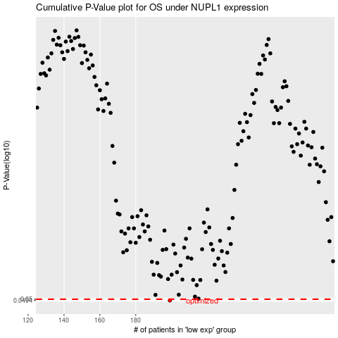

 |  |  |  |  |  | cases_OS | p_OS | rank | exp
 |  |  |  |  |  | 199 | 0.0494 | 186 | -0.13135165941
 |  |  |  |  |  |  | cases_RFS | p_RFS | rank | exp
 |  |  |  |  |  |  | 198 | 0.0494 | 151 | -0.13362539201

