NUS1 _multivariate
Reported by Tex Li-Hsing Chi. tex@gate.sinica.edu.tw 2019-08-17

Table 2. The clinicopathological features of HNSCC cohort and NUS1 expression. (Chi square test)
Cutoff at -0.091 (49.8%)
 |  | NUS1 expression |  | NUS1 expression |  | (Optimised)
 | Features | Low | (%) | High | (%) | Case no | P-value | Remark | Matthews
Gender | Female | 155 | 37.3 | 151 | 36.4 | 415 | 0.6768 | 0 | 0
2 | Male | 52 | 12.5 | 57 | 13.7
Age at diagnosis | <=65y | 139 | 33.5 | 135 | 32.5 | 415 | 0.7044 | 0 | 0
4 | >65y | 68 | 16.4 | 73 | 17.6
Clinical T Status | T1+T2 | 83 | 20 | 66 | 15.9 | 415 | 0.0941 | 0 | 0
6 | T3+T4 | 124 | 29.9 | 142 | 34.2
Clinical N Status | N0 | 107 | 25.8 | 109 | 26.3 | 415 | 0.9624 | 0 | 0
8 | N1-3 | 100 | 24.1 | 99 | 23.9
Clinical M Status | M0 | 205 | 49.4 | 207 | 49.9 | 415 | 0.6232 | 0 | 0
10 | M1 | 2 | 0.5 | 1 | 0.2
Clinical Stage | Stage I+II | 52 | 12.5 | 50 | 12 | 415 | 0.8871 | 0 | 0
12 | Stage III+IV | 155 | 37.3 | 158 | 38.1
Surgical Margin status | Negative | 159 | 38.3 | 159 | 38.3 | 415 | 1 | 0 | 0
14 | Positive | 48 | 11.6 | 49 | 11.8
Tobacco Exposure | Low | 83 | 20 | 78 | 18.8 | 415 | 0.6152 | 0 | 0
16 | High | 124 | 29.9 | 130 | 31.3

Table 3. Univariate/Multivariate Cox's proportional hazards regression analyses on OS time of NUS1 gene expression in HNSCC

 |  | Univariate |  |  |  | Multivariate
 | Features | HR | CI95%(L) | CI95%(H) | P-value | HR | CI95%(L) | CI95%(H) | P-value
1 | Female | 1 |  |  |  | 1
Gender | Male | 1.157 | 0.843 | 1.587 | 0.367 | 1.188 | 0.851 | 1.658 | 0.311
11 | <=65y | 1 |  |  |  | 1
Age at diagnosis | >65y | 1.329 | 0.99 | 1.784 | 0.058 | 1.396 | 1.027 | 1.897 | 0.033
12 | T1+T2 | 1 |  |  |  | 1
Clinical T Status | T3+T4 | 1.409 | 1.028 | 1.931 | 0.033 | 2.146 | 1.133 | 4.062 | 0.019
13 | N0 | 1 |  |  |  | 1
Clinical N Status | N1-3 | 1.185 | 0.89 | 1.577 | 0.246 | 1.247 | 0.874 | 1.78 | 0.223
14 | M0 | 1 |  |  |  | 1
Clinical M Status | M1 | 4.097 | 1.009 | 16.644 | 0.049 | 9.314 | 2.031 | 42.723 | 0.004
15 | Stage I+II | 1 |  |  |  | 1
Clinical Stage | Stage III+IV | 1.245 | 0.882 | 1.759 | 0.213 | 0.514 | 0.239 | 1.103 | 0.087
16 | Negative | 1 |  |  |  | 1
Surgical Margin status | Positive | 1.591 | 1.155 | 2.191 | 0.004 | 1.699 | 1.228 | 2.352 | 0.001
17 | Low | 1 |  |  |  | 1
Tobacco Exposure | High | 1.364 | 1.008 | 1.844 | 0.044 | 1.438 | 1.044 | 1.981 | 0.026
18 | Low | 1 |  |  |  | 1
RNAseq(z-score) | High | 1.233 | 0.926 | 1.643 | 0.152 | 1.235 | 0.924 | 1.651 | 0.154

Table 4. Univariate/Multivariate Cox's proportional hazards regression analyses on RFS time of NUS1 gene expression in HNSCC

 |  | Univariate |  |  |  | Multivariate
 | Features | HR | CI95%(L) | CI95%(H) | P-value | HR | CI95%(L) | CI95%(H) | P-value
1 | Female | 1 |  |  |  | 1
Gender | Male | 1.157 | 0.843 | 1.587 | 0.367 | 1.188 | 0.851 | 1.658 | 0.311
11 | <=65y | 1 |  |  |  | 1
Age at diagnosis | >65y | 1.329 | 0.99 | 1.784 | 0.058 | 1.396 | 1.027 | 1.897 | 0.033
12 | T1+T2 | 1 |  |  |  | 1
Clinical T Status | T3+T4 | 1.409 | 1.028 | 1.931 | 0.033 | 2.146 | 1.133 | 4.062 | 0.019
13 | N0 | 1 |  |  |  | 1
Clinical N Status | N1-3 | 1.185 | 0.89 | 1.577 | 0.246 | 1.247 | 0.874 | 1.78 | 0.223
14 | M0 | 1 |  |  |  | 1
Clinical M Status | M1 | 4.097 | 1.009 | 16.644 | 0.049 | 9.314 | 2.031 | 42.723 | 0.004
15 | Stage I+II | 1 |  |  |  | 1
Clinical Stage | Stage III+IV | 1.245 | 0.882 | 1.759 | 0.213 | 0.514 | 0.239 | 1.103 | 0.087
16 | Negative | 1 |  |  |  | 1
Surgical Margin status | Positive | 1.591 | 1.155 | 2.191 | 0.004 | 1.699 | 1.228 | 2.352 | 0.001
17 | Low | 1 |  |  |  | 1
Tobacco Exposure | High | 1.364 | 1.008 | 1.844 | 0.044 | 1.438 | 1.044 | 1.981 | 0.026
18 | Low | 1 |  |  |  | 1
RNAseq(z-score) | High | 1.233 | 0.926 | 1.643 | 0.152 | 1.235 | 0.924 | 1.651 | 0.154

Kaplan-Meier survival estimate: Cutoff at -0.091 (49.8%)



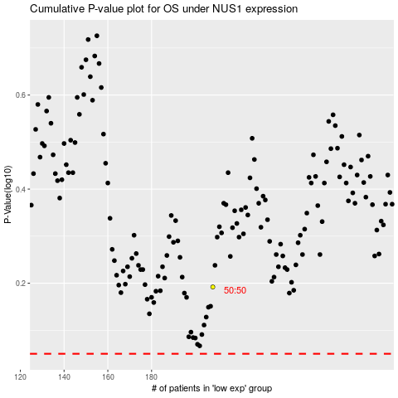

 |  |  |  |  |  | cases_OS | p_OS | rank | exp
 |  |  |  |  |  |  | cases_RFS | p_RFS | rank | exp

