NXT1 _multivariate
Reported by Tex Li-Hsing Chi. tex@gate.sinica.edu.tw 2019-08-17

Table 2. The clinicopathological features of HNSCC cohort and NXT1 expression. (Chi square test)
Cutoff at -0.212 (50.0%)
 |  | NXT1 expression |  | NXT1 expression |  | (Optimised)
 | Features | Low | (%) | High | (%) | Case no | P-value | Remark | Matthews
Gender | Female | 138 | 33.3 | 168 | 40.5 | 415 | 0.0016 | 1 | 0
2 | Male | 69 | 16.6 | 40 | 9.6
Age at diagnosis | <=65y | 131 | 31.6 | 143 | 34.5 | 415 | 0.2839 | 0 | 0
4 | >65y | 76 | 18.3 | 65 | 15.7
Clinical T Status | T1+T2 | 79 | 19 | 70 | 16.9 | 415 | 0.3924 | 0 | 0
6 | T3+T4 | 128 | 30.8 | 138 | 33.3
Clinical N Status | N0 | 119 | 28.7 | 97 | 23.4 | 415 | 0.0345 | 1 | 0
8 | N1-3 | 88 | 21.2 | 111 | 26.7
Clinical M Status | M0 | 207 | 49.9 | 205 | 49.4 | 415 | 0.2482 | 0 | 0
10 | M1 | 0 | 0 | 3 | 0.7
Clinical Stage | Stage I+II | 60 | 14.5 | 42 | 10.1 | 415 | 0.0493 | 1 | 0
12 | Stage III+IV | 147 | 35.4 | 166 | 40
Surgical Margin status | Negative | 164 | 39.5 | 154 | 37.1 | 415 | 0.2462 | 0 | 0
14 | Positive | 43 | 10.4 | 54 | 13
Tobacco Exposure | Low | 86 | 20.7 | 75 | 18.1 | 415 | 0.2687 | 0 | 0
16 | High | 121 | 29.2 | 133 | 32

Table 3. Univariate/Multivariate Cox's proportional hazards regression analyses on OS time of NXT1 gene expression in HNSCC

 |  | Univariate |  |  |  | Multivariate
 | Features | HR | CI95%(L) | CI95%(H) | P-value | HR | CI95%(L) | CI95%(H) | P-value
1 | Female | 1 |  |  |  | 1
Gender | Male | 1.157 | 0.843 | 1.587 | 0.367 | 1.194 | 0.854 | 1.668 | 0.299
11 | <=65y | 1 |  |  |  | 1
Age at diagnosis | >65y | 1.329 | 0.99 | 1.784 | 0.058 | 1.397 | 1.027 | 1.901 | 0.033
12 | T1+T2 | 1 |  |  |  | 1
Clinical T Status | T3+T4 | 1.409 | 1.028 | 1.931 | 0.033 | 2.188 | 1.157 | 4.14 | 0.016
13 | N0 | 1 |  |  |  | 1
Clinical N Status | N1-3 | 1.185 | 0.89 | 1.577 | 0.246 | 1.249 | 0.875 | 1.783 | 0.221
14 | M0 | 1 |  |  |  | 1
Clinical M Status | M1 | 4.097 | 1.009 | 16.644 | 0.049 | 9.751 | 2.118 | 44.903 | 0.003
15 | Stage I+II | 1 |  |  |  | 1
Clinical Stage | Stage III+IV | 1.245 | 0.882 | 1.759 | 0.213 | 0.51 | 0.238 | 1.097 | 0.085
16 | Negative | 1 |  |  |  | 1
Surgical Margin status | Positive | 1.591 | 1.155 | 2.191 | 0.004 | 1.689 | 1.22 | 2.338 | 0.002
17 | Low | 1 |  |  |  | 1
Tobacco Exposure | High | 1.364 | 1.008 | 1.844 | 0.044 | 1.458 | 1.058 | 2.009 | 0.021
18 | Low | 1 |  |  |  | 1
RNAseq(z-score) | High | 0.982 | 0.737 | 1.309 | 0.903 | 0.913 | 0.681 | 1.224 | 0.544

Table 4. Univariate/Multivariate Cox's proportional hazards regression analyses on RFS time of NXT1 gene expression in HNSCC

 |  | Univariate |  |  |  | Multivariate
 | Features | HR | CI95%(L) | CI95%(H) | P-value | HR | CI95%(L) | CI95%(H) | P-value
1 | Female | 1 |  |  |  | 1
Gender | Male | 1.157 | 0.843 | 1.587 | 0.367 | 1.194 | 0.854 | 1.668 | 0.299
11 | <=65y | 1 |  |  |  | 1
Age at diagnosis | >65y | 1.329 | 0.99 | 1.784 | 0.058 | 1.397 | 1.027 | 1.901 | 0.033
12 | T1+T2 | 1 |  |  |  | 1
Clinical T Status | T3+T4 | 1.409 | 1.028 | 1.931 | 0.033 | 2.188 | 1.157 | 4.14 | 0.016
13 | N0 | 1 |  |  |  | 1
Clinical N Status | N1-3 | 1.185 | 0.89 | 1.577 | 0.246 | 1.249 | 0.875 | 1.783 | 0.221
14 | M0 | 1 |  |  |  | 1
Clinical M Status | M1 | 4.097 | 1.009 | 16.644 | 0.049 | 9.751 | 2.118 | 44.903 | 0.003
15 | Stage I+II | 1 |  |  |  | 1
Clinical Stage | Stage III+IV | 1.245 | 0.882 | 1.759 | 0.213 | 0.51 | 0.238 | 1.097 | 0.085
16 | Negative | 1 |  |  |  | 1
Surgical Margin status | Positive | 1.591 | 1.155 | 2.191 | 0.004 | 1.689 | 1.22 | 2.338 | 0.002
17 | Low | 1 |  |  |  | 1
Tobacco Exposure | High | 1.364 | 1.008 | 1.844 | 0.044 | 1.458 | 1.058 | 2.009 | 0.021
18 | Low | 1 |  |  |  | 1
RNAseq(z-score) | High | 0.982 | 0.737 | 1.309 | 0.903 | 0.913 | 0.681 | 1.224 | 0.544

Kaplan-Meier survival estimate: Cutoff at -0.212 (50.0%)

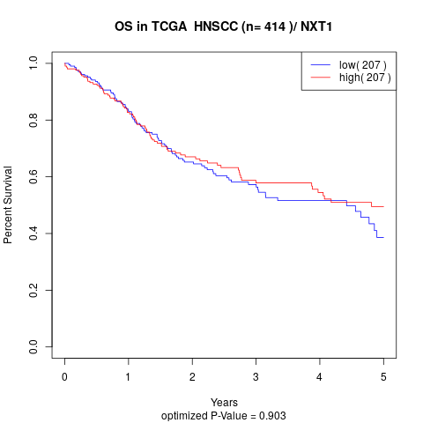

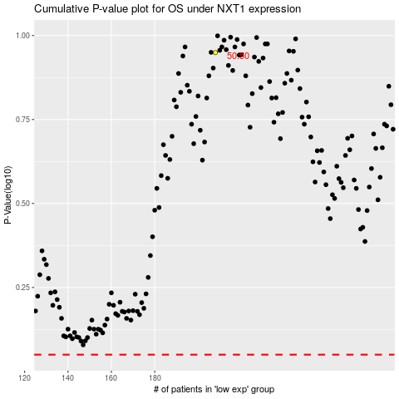

 |  |  |  |  |  | cases_OS | p_OS | rank | exp
 |  |  |  |  |  |  | cases_RFS | p_RFS | rank | exp

