NXT2 _multivariate
Reported by Tex Li-Hsing Chi. tex@gate.sinica.edu.tw 2019-08-17

Table 2. The clinicopathological features of HNSCC cohort and NXT2 expression. (Chi square test)
Cutoff at -0.259 (49.8%)
 |  | NXT2 expression |  | NXT2 expression |  | (Optimised)
 | Features | Low | (%) | High | (%) | Case no | P-value | Remark | Matthews
Gender | Female | 156 | 37.6 | 150 | 36.1 | 415 | 0.5222 | 0 | 0
2 | Male | 51 | 12.3 | 58 | 14
Age at diagnosis | <=65y | 131 | 31.6 | 143 | 34.5 | 415 | 0.2839 | 0 | 0
4 | >65y | 76 | 18.3 | 65 | 15.7
Clinical T Status | T1+T2 | 63 | 15.2 | 86 | 20.7 | 415 | 0.0268 | 1 | 0
6 | T3+T4 | 144 | 34.7 | 122 | 29.4
Clinical N Status | N0 | 105 | 25.3 | 111 | 26.7 | 415 | 0.6598 | 0 | 0
8 | N1-3 | 102 | 24.6 | 97 | 23.4
Clinical M Status | M0 | 205 | 49.4 | 207 | 49.9 | 415 | 0.6232 | 0 | 0
10 | M1 | 2 | 0.5 | 1 | 0.2
Clinical Stage | Stage I+II | 41 | 9.9 | 61 | 14.7 | 415 | 0.0325 | 1 | 0
12 | Stage III+IV | 166 | 40 | 147 | 35.4
Surgical Margin status | Negative | 158 | 38.1 | 160 | 38.6 | 415 | 0.9081 | 0 | 0
14 | Positive | 49 | 11.8 | 48 | 11.6
Tobacco Exposure | Low | 80 | 19.3 | 81 | 19.5 | 415 | 1 | 0 | 0
16 | High | 127 | 30.6 | 127 | 30.6

Table 3. Univariate/Multivariate Cox's proportional hazards regression analyses on OS time of NXT2 gene expression in HNSCC

 |  | Univariate |  |  |  | Multivariate
 | Features | HR | CI95%(L) | CI95%(H) | P-value | HR | CI95%(L) | CI95%(H) | P-value
1 | Female | 1 |  |  |  | 1
Gender | Male | 1.157 | 0.843 | 1.587 | 0.367 | 1.2 | 0.86 | 1.676 | 0.284
11 | <=65y | 1 |  |  |  | 1
Age at diagnosis | >65y | 1.329 | 0.99 | 1.784 | 0.058 | 1.401 | 1.03 | 1.906 | 0.032
12 | T1+T2 | 1 |  |  |  | 1
Clinical T Status | T3+T4 | 1.409 | 1.028 | 1.931 | 0.033 | 2.262 | 1.192 | 4.294 | 0.013
13 | N0 | 1 |  |  |  | 1
Clinical N Status | N1-3 | 1.185 | 0.89 | 1.577 | 0.246 | 1.245 | 0.872 | 1.777 | 0.227
14 | M0 | 1 |  |  |  | 1
Clinical M Status | M1 | 4.097 | 1.009 | 16.644 | 0.049 | 9.959 | 2.157 | 45.992 | 0.003
15 | Stage I+II | 1 |  |  |  | 1
Clinical Stage | Stage III+IV | 1.245 | 0.882 | 1.759 | 0.213 | 0.493 | 0.229 | 1.062 | 0.071
16 | Negative | 1 |  |  |  | 1
Surgical Margin status | Positive | 1.591 | 1.155 | 2.191 | 0.004 | 1.677 | 1.213 | 2.318 | 0.002
17 | Low | 1 |  |  |  | 1
Tobacco Exposure | High | 1.364 | 1.008 | 1.844 | 0.044 | 1.46 | 1.06 | 2.012 | 0.021
18 | Low | 1 |  |  |  | 1
RNAseq(z-score) | High | 1.024 | 0.769 | 1.364 | 0.871 | 1.119 | 0.838 | 1.496 | 0.446

Table 4. Univariate/Multivariate Cox's proportional hazards regression analyses on RFS time of NXT2 gene expression in HNSCC

 |  | Univariate |  |  |  | Multivariate
 | Features | HR | CI95%(L) | CI95%(H) | P-value | HR | CI95%(L) | CI95%(H) | P-value
1 | Female | 1 |  |  |  | 1
Gender | Male | 1.157 | 0.843 | 1.587 | 0.367 | 1.2 | 0.86 | 1.676 | 0.284
11 | <=65y | 1 |  |  |  | 1
Age at diagnosis | >65y | 1.329 | 0.99 | 1.784 | 0.058 | 1.401 | 1.03 | 1.906 | 0.032
12 | T1+T2 | 1 |  |  |  | 1
Clinical T Status | T3+T4 | 1.409 | 1.028 | 1.931 | 0.033 | 2.262 | 1.192 | 4.294 | 0.013
13 | N0 | 1 |  |  |  | 1
Clinical N Status | N1-3 | 1.185 | 0.89 | 1.577 | 0.246 | 1.245 | 0.872 | 1.777 | 0.227
14 | M0 | 1 |  |  |  | 1
Clinical M Status | M1 | 4.097 | 1.009 | 16.644 | 0.049 | 9.959 | 2.157 | 45.992 | 0.003
15 | Stage I+II | 1 |  |  |  | 1
Clinical Stage | Stage III+IV | 1.245 | 0.882 | 1.759 | 0.213 | 0.493 | 0.229 | 1.062 | 0.071
16 | Negative | 1 |  |  |  | 1
Surgical Margin status | Positive | 1.591 | 1.155 | 2.191 | 0.004 | 1.677 | 1.213 | 2.318 | 0.002
17 | Low | 1 |  |  |  | 1
Tobacco Exposure | High | 1.364 | 1.008 | 1.844 | 0.044 | 1.46 | 1.06 | 2.012 | 0.021
18 | Low | 1 |  |  |  | 1
RNAseq(z-score) | High | 1.024 | 0.769 | 1.364 | 0.871 | 1.119 | 0.838 | 1.496 | 0.446

Kaplan-Meier survival estimate: Cutoff at -0.259 (49.8%)



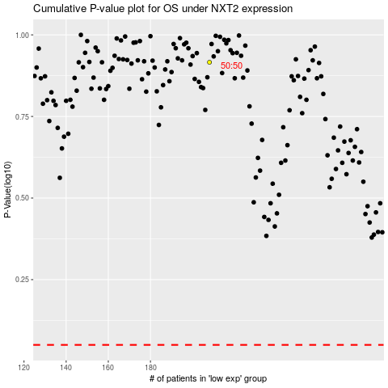

 |  |  |  |  |  | cases_OS | p_OS | rank | exp
 |  |  |  |  |  |  | cases_RFS | p_RFS | rank | exp

