NYNRIN _multivariate
Reported by Tex Li-Hsing Chi. tex@gate.sinica.edu.tw 2019-08-17

Table 2. The clinicopathological features of HNSCC cohort and NYNRIN expression. (Chi square test)
Cutoff at -0.512 (39.6%)
 |  | NYNRIN expression |  | NYNRIN expression |  | (Optimised)
 | Features | Low | (%) | High | (%) | Case no | P-value | Remark | Matthews
Gender | Female | 121 | 29.2 | 185 | 44.6 | 415 | 0.9704 | 0 | 0
2 | Male | 44 | 10.6 | 65 | 15.7
Age at diagnosis | <=65y | 100 | 24.1 | 174 | 41.9 | 415 | 0.0739 | 0 | 0
4 | >65y | 65 | 15.7 | 76 | 18.3
Clinical T Status | T1+T2 | 61 | 14.7 | 88 | 21.2 | 415 | 0.7924 | 0 | 0
6 | T3+T4 | 104 | 25.1 | 162 | 39
Clinical N Status | N0 | 81 | 19.5 | 135 | 32.5 | 415 | 0.3792 | 0 | 0
8 | N1-3 | 84 | 20.2 | 115 | 27.7
Clinical M Status | M0 | 162 | 39 | 250 | 60.2 | 415 | 0.0622 | 0 | 0
10 | M1 | 3 | 0.7 | 0 | 0
Clinical Stage | Stage I+II | 43 | 10.4 | 59 | 14.2 | 415 | 0.6503 | 0 | 0
12 | Stage III+IV | 122 | 29.4 | 191 | 46
Surgical Margin status | Negative | 130 | 31.3 | 188 | 45.3 | 415 | 0.4098 | 0 | 0
14 | Positive | 35 | 8.4 | 62 | 14.9
Tobacco Exposure | Low | 65 | 15.7 | 96 | 23.1 | 415 | 0.8378 | 0 | 0
16 | High | 100 | 24.1 | 154 | 37.1

Table 3. Univariate/Multivariate Cox's proportional hazards regression analyses on OS time of NYNRIN gene expression in HNSCC

 |  | Univariate |  |  |  | Multivariate
 | Features | HR | CI95%(L) | CI95%(H) | P-value | HR | CI95%(L) | CI95%(H) | P-value
1 | Female | 1 |  |  |  | 1
Gender | Male | 1.157 | 0.843 | 1.587 | 0.367 | 1.215 | 0.869 | 1.698 | 0.255
11 | <=65y | 1 |  |  |  | 1
Age at diagnosis | >65y | 1.329 | 0.99 | 1.784 | 0.058 | 1.357 | 0.996 | 1.849 | 0.053
12 | T1+T2 | 1 |  |  |  | 1
Clinical T Status | T3+T4 | 1.409 | 1.028 | 1.931 | 0.033 | 2.157 | 1.14 | 4.081 | 0.018
13 | N0 | 1 |  |  |  | 1
Clinical N Status | N1-3 | 1.185 | 0.89 | 1.577 | 0.246 | 1.206 | 0.844 | 1.724 | 0.303
14 | M0 | 1 |  |  |  | 1
Clinical M Status | M1 | 4.097 | 1.009 | 16.644 | 0.049 | 7.925 | 1.713 | 36.668 | 0.008
15 | Stage I+II | 1 |  |  |  | 1
Clinical Stage | Stage III+IV | 1.245 | 0.882 | 1.759 | 0.213 | 0.528 | 0.245 | 1.135 | 0.102
16 | Negative | 1 |  |  |  | 1
Surgical Margin status | Positive | 1.591 | 1.155 | 2.191 | 0.004 | 1.674 | 1.212 | 2.313 | 0.002
17 | Low | 1 |  |  |  | 1
Tobacco Exposure | High | 1.364 | 1.008 | 1.844 | 0.044 | 1.501 | 1.085 | 2.075 | 0.014
18 | Low | 1 |  |  |  | 1
RNAseq(z-score) | High | 0.739 | 0.553 | 0.988 | 0.041 | 0.753 | 0.559 | 1.013 | 0.061

Table 4. Univariate/Multivariate Cox's proportional hazards regression analyses on RFS time of NYNRIN gene expression in HNSCC

 |  | Univariate |  |  |  | Multivariate
 | Features | HR | CI95%(L) | CI95%(H) | P-value | HR | CI95%(L) | CI95%(H) | P-value
1 | Female | 1 |  |  |  | 1
Gender | Male | 1.157 | 0.843 | 1.587 | 0.367 | 1.215 | 0.869 | 1.698 | 0.255
11 | <=65y | 1 |  |  |  | 1
Age at diagnosis | >65y | 1.329 | 0.99 | 1.784 | 0.058 | 1.357 | 0.996 | 1.849 | 0.053
12 | T1+T2 | 1 |  |  |  | 1
Clinical T Status | T3+T4 | 1.409 | 1.028 | 1.931 | 0.033 | 2.157 | 1.14 | 4.081 | 0.018
13 | N0 | 1 |  |  |  | 1
Clinical N Status | N1-3 | 1.185 | 0.89 | 1.577 | 0.246 | 1.206 | 0.844 | 1.724 | 0.303
14 | M0 | 1 |  |  |  | 1
Clinical M Status | M1 | 4.097 | 1.009 | 16.644 | 0.049 | 7.925 | 1.713 | 36.668 | 0.008
15 | Stage I+II | 1 |  |  |  | 1
Clinical Stage | Stage III+IV | 1.245 | 0.882 | 1.759 | 0.213 | 0.528 | 0.245 | 1.135 | 0.102
16 | Negative | 1 |  |  |  | 1
Surgical Margin status | Positive | 1.591 | 1.155 | 2.191 | 0.004 | 1.674 | 1.212 | 2.313 | 0.002
17 | Low | 1 |  |  |  | 1
Tobacco Exposure | High | 1.364 | 1.008 | 1.844 | 0.044 | 1.501 | 1.085 | 2.075 | 0.014
18 | Low | 1 |  |  |  | 1
RNAseq(z-score) | High | 0.739 | 0.553 | 0.988 | 0.041 | 0.753 | 0.559 | 1.013 | 0.061

Kaplan-Meier survival estimate: Cutoff at -0.512 (39.6%)



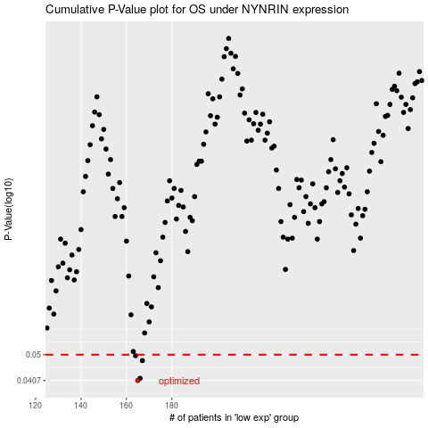

 |  |  |  |  |  | cases_OS | p_OS | rank | exp
 |  |  |  |  |  | 165 | 0.0407 | 13 | -0.51210127979
 |  |  |  |  |  | 166 | 0.0414 | 9 | -0.50735901257
 |  |  |  |  |  | 167 | 0.0477 | 192 | -0.50554453538
 |  |  |  |  |  | 164 | 0.0496 | 90 | -0.51885923457
 |  |  |  |  |  |  | cases_RFS | p_RFS | rank | exp
 |  |  |  |  |  |  | 164 | 0.0407 | 90 | -0.51885923457
 |  |  |  |  |  |  | 165 | 0.0414 | 13 | -0.51210127979
 |  |  |  |  |  |  | 166 | 0.0477 | 9 | -0.50735901257
 |  |  |  |  |  |  | 163 | 0.0496 | 212 | -0.52492460074

