OAS1 _multivariate
Reported by Tex Li-Hsing Chi. tex@gate.sinica.edu.tw 2019-08-17

Table 2. The clinicopathological features of HNSCC cohort and OAS1 expression. (Chi square test)
Cutoff at -0.203 (50.0%)
 |  | OAS1 expression |  | OAS1 expression |  | (Optimised)
 | Features | Low | (%) | High | (%) | Case no | P-value | Remark | Matthews
Gender | Female | 167 | 40.2 | 139 | 33.5 | 415 | 0.002 | 1 | 0
2 | Male | 40 | 9.6 | 69 | 16.6
Age at diagnosis | <=65y | 137 | 33 | 137 | 33 | 415 | 1 | 0 | 0
4 | >65y | 70 | 16.9 | 71 | 17.1
Clinical T Status | T1+T2 | 72 | 17.3 | 77 | 18.6 | 415 | 0.7095 | 0 | 0
6 | T3+T4 | 135 | 32.5 | 131 | 31.6
Clinical N Status | N0 | 111 | 26.7 | 105 | 25.3 | 415 | 0.5875 | 0 | 0
8 | N1-3 | 96 | 23.1 | 103 | 24.8
Clinical M Status | M0 | 207 | 49.9 | 205 | 49.4 | 415 | 0.2482 | 0 | 0
10 | M1 | 0 | 0 | 3 | 0.7
Clinical Stage | Stage I+II | 52 | 12.5 | 50 | 12 | 415 | 0.8871 | 0 | 0
12 | Stage III+IV | 155 | 37.3 | 158 | 38.1
Surgical Margin status | Negative | 154 | 37.1 | 164 | 39.5 | 415 | 0.2984 | 0 | 0
14 | Positive | 53 | 12.8 | 44 | 10.6
Tobacco Exposure | Low | 65 | 15.7 | 96 | 23.1 | 415 | 0.0025 | 1 | 0
16 | High | 142 | 34.2 | 112 | 27

Table 3. Univariate/Multivariate Cox's proportional hazards regression analyses on OS time of OAS1 gene expression in HNSCC

 |  | Univariate |  |  |  | Multivariate
 | Features | HR | CI95%(L) | CI95%(H) | P-value | HR | CI95%(L) | CI95%(H) | P-value
1 | Female | 1 |  |  |  | 1
Gender | Male | 1.157 | 0.843 | 1.587 | 0.367 | 1.175 | 0.836 | 1.651 | 0.353
11 | <=65y | 1 |  |  |  | 1
Age at diagnosis | >65y | 1.329 | 0.99 | 1.784 | 0.058 | 1.4 | 1.029 | 1.905 | 0.032
12 | T1+T2 | 1 |  |  |  | 1
Clinical T Status | T3+T4 | 1.409 | 1.028 | 1.931 | 0.033 | 2.193 | 1.159 | 4.149 | 0.016
13 | N0 | 1 |  |  |  | 1
Clinical N Status | N1-3 | 1.185 | 0.89 | 1.577 | 0.246 | 1.238 | 0.868 | 1.766 | 0.239
14 | M0 | 1 |  |  |  | 1
Clinical M Status | M1 | 4.097 | 1.009 | 16.644 | 0.049 | 8.866 | 1.917 | 40.997 | 0.005
15 | Stage I+II | 1 |  |  |  | 1
Clinical Stage | Stage III+IV | 1.245 | 0.882 | 1.759 | 0.213 | 0.508 | 0.236 | 1.09 | 0.082
16 | Negative | 1 |  |  |  | 1
Surgical Margin status | Positive | 1.591 | 1.155 | 2.191 | 0.004 | 1.676 | 1.213 | 2.316 | 0.002
17 | Low | 1 |  |  |  | 1
Tobacco Exposure | High | 1.364 | 1.008 | 1.844 | 0.044 | 1.475 | 1.067 | 2.038 | 0.019
18 | Low | 1 |  |  |  | 1
RNAseq(z-score) | High | 1.094 | 0.821 | 1.457 | 0.541 | 1.111 | 0.824 | 1.498 | 0.489

Table 4. Univariate/Multivariate Cox's proportional hazards regression analyses on RFS time of OAS1 gene expression in HNSCC

 |  | Univariate |  |  |  | Multivariate
 | Features | HR | CI95%(L) | CI95%(H) | P-value | HR | CI95%(L) | CI95%(H) | P-value
1 | Female | 1 |  |  |  | 1
Gender | Male | 1.157 | 0.843 | 1.587 | 0.367 | 1.175 | 0.836 | 1.651 | 0.353
11 | <=65y | 1 |  |  |  | 1
Age at diagnosis | >65y | 1.329 | 0.99 | 1.784 | 0.058 | 1.4 | 1.029 | 1.905 | 0.032
12 | T1+T2 | 1 |  |  |  | 1
Clinical T Status | T3+T4 | 1.409 | 1.028 | 1.931 | 0.033 | 2.193 | 1.159 | 4.149 | 0.016
13 | N0 | 1 |  |  |  | 1
Clinical N Status | N1-3 | 1.185 | 0.89 | 1.577 | 0.246 | 1.238 | 0.868 | 1.766 | 0.239
14 | M0 | 1 |  |  |  | 1
Clinical M Status | M1 | 4.097 | 1.009 | 16.644 | 0.049 | 8.866 | 1.917 | 40.997 | 0.005
15 | Stage I+II | 1 |  |  |  | 1
Clinical Stage | Stage III+IV | 1.245 | 0.882 | 1.759 | 0.213 | 0.508 | 0.236 | 1.09 | 0.082
16 | Negative | 1 |  |  |  | 1
Surgical Margin status | Positive | 1.591 | 1.155 | 2.191 | 0.004 | 1.676 | 1.213 | 2.316 | 0.002
17 | Low | 1 |  |  |  | 1
Tobacco Exposure | High | 1.364 | 1.008 | 1.844 | 0.044 | 1.475 | 1.067 | 2.038 | 0.019
18 | Low | 1 |  |  |  | 1
RNAseq(z-score) | High | 1.094 | 0.821 | 1.457 | 0.541 | 1.111 | 0.824 | 1.498 | 0.489

Kaplan-Meier survival estimate: Cutoff at -0.203 (50.0%)



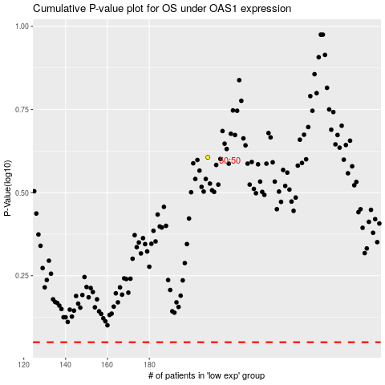

 |  |  |  |  |  | cases_OS | p_OS | rank | exp
 |  |  |  |  |  |  | cases_RFS | p_RFS | rank | exp

