OASL _multivariate
Reported by Tex Li-Hsing Chi. tex@gate.sinica.edu.tw 2019-08-17

Table 2. The clinicopathological features of HNSCC cohort and OASL expression. (Chi square test)
Cutoff at -0.293 (50.0%)
 |  | OASL expression |  | OASL expression |  | (Optimised)
 | Features | Low | (%) | High | (%) | Case no | P-value | Remark | Matthews
Gender | Female | 161 | 38.8 | 145 | 34.9 | 415 | 0.0792 | 0 | 0
2 | Male | 46 | 11.1 | 63 | 15.2
Age at diagnosis | <=65y | 143 | 34.5 | 131 | 31.6 | 415 | 0.2269 | 0 | 0
4 | >65y | 64 | 15.4 | 77 | 18.6
Clinical T Status | T1+T2 | 71 | 17.1 | 78 | 18.8 | 415 | 0.5638 | 0 | 0
6 | T3+T4 | 136 | 32.8 | 130 | 31.3
Clinical N Status | N0 | 114 | 27.5 | 102 | 24.6 | 415 | 0.2576 | 1 | 0
8 | N1-3 | 93 | 22.4 | 106 | 25.5
Clinical M Status | M0 | 207 | 49.9 | 205 | 49.4 | 415 | 0.2482 | 0 | 0
10 | M1 | 0 | 0 | 3 | 0.7
Clinical Stage | Stage I+II | 51 | 12.3 | 51 | 12.3 | 415 | 1 | 0 | 0
12 | Stage III+IV | 156 | 37.6 | 157 | 37.8
Surgical Margin status | Negative | 157 | 37.8 | 161 | 38.8 | 415 | 0.729 | 0 | 0
14 | Positive | 50 | 12 | 47 | 11.3
Tobacco Exposure | Low | 71 | 17.1 | 90 | 21.7 | 415 | 0.0698 | 0 | 0
16 | High | 136 | 32.8 | 118 | 28.4

Table 3. Univariate/Multivariate Cox's proportional hazards regression analyses on OS time of OASL gene expression in HNSCC

 |  | Univariate |  |  |  | Multivariate
 | Features | HR | CI95%(L) | CI95%(H) | P-value | HR | CI95%(L) | CI95%(H) | P-value
1 | Female | 1 |  |  |  | 1
Gender | Male | 1.157 | 0.843 | 1.587 | 0.367 | 1.208 | 0.864 | 1.69 | 0.269
11 | <=65y | 1 |  |  |  | 1
Age at diagnosis | >65y | 1.329 | 0.99 | 1.784 | 0.058 | 1.393 | 1.025 | 1.893 | 0.034
12 | T1+T2 | 1 |  |  |  | 1
Clinical T Status | T3+T4 | 1.409 | 1.028 | 1.931 | 0.033 | 2.202 | 1.164 | 4.163 | 0.015
13 | N0 | 1 |  |  |  | 1
Clinical N Status | N1-3 | 1.185 | 0.89 | 1.577 | 0.246 | 1.246 | 0.873 | 1.778 | 0.226
14 | M0 | 1 |  |  |  | 1
Clinical M Status | M1 | 4.097 | 1.009 | 16.644 | 0.049 | 9.694 | 2.099 | 44.769 | 0.004
15 | Stage I+II | 1 |  |  |  | 1
Clinical Stage | Stage III+IV | 1.245 | 0.882 | 1.759 | 0.213 | 0.502 | 0.234 | 1.077 | 0.077
16 | Negative | 1 |  |  |  | 1
Surgical Margin status | Positive | 1.591 | 1.155 | 2.191 | 0.004 | 1.677 | 1.213 | 2.319 | 0.002
17 | Low | 1 |  |  |  | 1
Tobacco Exposure | High | 1.364 | 1.008 | 1.844 | 0.044 | 1.445 | 1.048 | 1.992 | 0.025
18 | Low | 1 |  |  |  | 1
RNAseq(z-score) | High | 0.973 | 0.73 | 1.296 | 0.85 | 0.942 | 0.702 | 1.263 | 0.689

Table 4. Univariate/Multivariate Cox's proportional hazards regression analyses on RFS time of OASL gene expression in HNSCC

 |  | Univariate |  |  |  | Multivariate
 | Features | HR | CI95%(L) | CI95%(H) | P-value | HR | CI95%(L) | CI95%(H) | P-value
1 | Female | 1 |  |  |  | 1
Gender | Male | 1.157 | 0.843 | 1.587 | 0.367 | 1.208 | 0.864 | 1.69 | 0.269
11 | <=65y | 1 |  |  |  | 1
Age at diagnosis | >65y | 1.329 | 0.99 | 1.784 | 0.058 | 1.393 | 1.025 | 1.893 | 0.034
12 | T1+T2 | 1 |  |  |  | 1
Clinical T Status | T3+T4 | 1.409 | 1.028 | 1.931 | 0.033 | 2.202 | 1.164 | 4.163 | 0.015
13 | N0 | 1 |  |  |  | 1
Clinical N Status | N1-3 | 1.185 | 0.89 | 1.577 | 0.246 | 1.246 | 0.873 | 1.778 | 0.226
14 | M0 | 1 |  |  |  | 1
Clinical M Status | M1 | 4.097 | 1.009 | 16.644 | 0.049 | 9.694 | 2.099 | 44.769 | 0.004
15 | Stage I+II | 1 |  |  |  | 1
Clinical Stage | Stage III+IV | 1.245 | 0.882 | 1.759 | 0.213 | 0.502 | 0.234 | 1.077 | 0.077
16 | Negative | 1 |  |  |  | 1
Surgical Margin status | Positive | 1.591 | 1.155 | 2.191 | 0.004 | 1.677 | 1.213 | 2.319 | 0.002
17 | Low | 1 |  |  |  | 1
Tobacco Exposure | High | 1.364 | 1.008 | 1.844 | 0.044 | 1.445 | 1.048 | 1.992 | 0.025
18 | Low | 1 |  |  |  | 1
RNAseq(z-score) | High | 0.973 | 0.73 | 1.296 | 0.85 | 0.942 | 0.702 | 1.263 | 0.689

Kaplan-Meier survival estimate: Cutoff at -0.293 (50.0%)



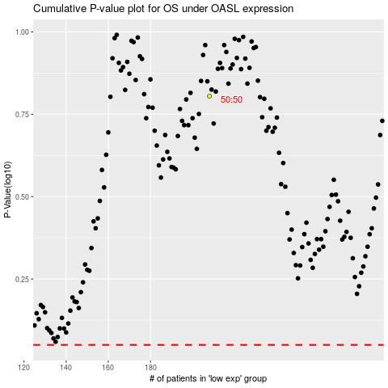

 |  |  |  |  |  | cases_OS | p_OS | rank | exp
 |  |  |  |  |  |  | cases_RFS | p_RFS | rank | exp

