OBFC1 _multivariate
Reported by Tex Li-Hsing Chi. tex@gate.sinica.edu.tw 2019-08-17

Table 2. The clinicopathological features of HNSCC cohort and OBFC1 expression. (Chi square test)
Cutoff at -0.233 (50.0%)
 |  | OBFC1 expression |  | OBFC1 expression |  | (Optimised)
 | Features | Low | (%) | High | (%) | Case no | P-value | Remark | Matthews
Gender | Female | 155 | 37.3 | 151 | 36.4 | 415 | 0.6768 | 0 | 0
2 | Male | 52 | 12.5 | 57 | 13.7
Age at diagnosis | <=65y | 136 | 32.8 | 138 | 33.3 | 415 | 0.9719 | 0 | 0
4 | >65y | 71 | 17.1 | 70 | 16.9
Clinical T Status | T1+T2 | 67 | 16.1 | 82 | 19.8 | 415 | 0.1628 | 0 | 0
6 | T3+T4 | 140 | 33.7 | 126 | 30.4
Clinical N Status | N0 | 106 | 25.5 | 110 | 26.5 | 415 | 0.8075 | 0 | 0
8 | N1-3 | 101 | 24.3 | 98 | 23.6
Clinical M Status | M0 | 207 | 49.9 | 205 | 49.4 | 415 | 0.2482 | 0 | 0
10 | M1 | 0 | 0 | 3 | 0.7
Clinical Stage | Stage I+II | 45 | 10.8 | 57 | 13.7 | 415 | 0.2202 | 0 | 0
12 | Stage III+IV | 162 | 39 | 151 | 36.4
Surgical Margin status | Negative | 163 | 39.3 | 155 | 37.3 | 415 | 0.3537 | 0 | 0
14 | Positive | 44 | 10.6 | 53 | 12.8
Tobacco Exposure | Low | 77 | 18.6 | 84 | 20.2 | 415 | 0.5459 | 0 | 0
16 | High | 130 | 31.3 | 124 | 29.9

Table 3. Univariate/Multivariate Cox's proportional hazards regression analyses on OS time of OBFC1 gene expression in HNSCC

 |  | Univariate |  |  |  | Multivariate
 | Features | HR | CI95%(L) | CI95%(H) | P-value | HR | CI95%(L) | CI95%(H) | P-value
1 | Female | 1 |  |  |  | 1
Gender | Male | 1.157 | 0.843 | 1.587 | 0.367 | 1.194 | 0.854 | 1.671 | 0.3
11 | <=65y | 1 |  |  |  | 1
Age at diagnosis | >65y | 1.329 | 0.99 | 1.784 | 0.058 | 1.396 | 1.027 | 1.899 | 0.033
12 | T1+T2 | 1 |  |  |  | 1
Clinical T Status | T3+T4 | 1.409 | 1.028 | 1.931 | 0.033 | 2.206 | 1.167 | 4.171 | 0.015
13 | N0 | 1 |  |  |  | 1
Clinical N Status | N1-3 | 1.185 | 0.89 | 1.577 | 0.246 | 1.239 | 0.869 | 1.769 | 0.236
14 | M0 | 1 |  |  |  | 1
Clinical M Status | M1 | 4.097 | 1.009 | 16.644 | 0.049 | 9.115 | 1.973 | 42.12 | 0.005
15 | Stage I+II | 1 |  |  |  | 1
Clinical Stage | Stage III+IV | 1.245 | 0.882 | 1.759 | 0.213 | 0.51 | 0.237 | 1.096 | 0.085
16 | Negative | 1 |  |  |  | 1
Surgical Margin status | Positive | 1.591 | 1.155 | 2.191 | 0.004 | 1.664 | 1.203 | 2.301 | 0.002
17 | Low | 1 |  |  |  | 1
Tobacco Exposure | High | 1.364 | 1.008 | 1.844 | 0.044 | 1.451 | 1.053 | 2 | 0.023
18 | Low | 1 |  |  |  | 1
RNAseq(z-score) | High | 1.047 | 0.786 | 1.394 | 0.754 | 1.06 | 0.789 | 1.423 | 0.7

Table 4. Univariate/Multivariate Cox's proportional hazards regression analyses on RFS time of OBFC1 gene expression in HNSCC

 |  | Univariate |  |  |  | Multivariate
 | Features | HR | CI95%(L) | CI95%(H) | P-value | HR | CI95%(L) | CI95%(H) | P-value
1 | Female | 1 |  |  |  | 1
Gender | Male | 1.157 | 0.843 | 1.587 | 0.367 | 1.194 | 0.854 | 1.671 | 0.3
11 | <=65y | 1 |  |  |  | 1
Age at diagnosis | >65y | 1.329 | 0.99 | 1.784 | 0.058 | 1.396 | 1.027 | 1.899 | 0.033
12 | T1+T2 | 1 |  |  |  | 1
Clinical T Status | T3+T4 | 1.409 | 1.028 | 1.931 | 0.033 | 2.206 | 1.167 | 4.171 | 0.015
13 | N0 | 1 |  |  |  | 1
Clinical N Status | N1-3 | 1.185 | 0.89 | 1.577 | 0.246 | 1.239 | 0.869 | 1.769 | 0.236
14 | M0 | 1 |  |  |  | 1
Clinical M Status | M1 | 4.097 | 1.009 | 16.644 | 0.049 | 9.115 | 1.973 | 42.12 | 0.005
15 | Stage I+II | 1 |  |  |  | 1
Clinical Stage | Stage III+IV | 1.245 | 0.882 | 1.759 | 0.213 | 0.51 | 0.237 | 1.096 | 0.085
16 | Negative | 1 |  |  |  | 1
Surgical Margin status | Positive | 1.591 | 1.155 | 2.191 | 0.004 | 1.664 | 1.203 | 2.301 | 0.002
17 | Low | 1 |  |  |  | 1
Tobacco Exposure | High | 1.364 | 1.008 | 1.844 | 0.044 | 1.451 | 1.053 | 2 | 0.023
18 | Low | 1 |  |  |  | 1
RNAseq(z-score) | High | 1.047 | 0.786 | 1.394 | 0.754 | 1.06 | 0.789 | 1.423 | 0.7

Kaplan-Meier survival estimate: Cutoff at -0.233 (50.0%)

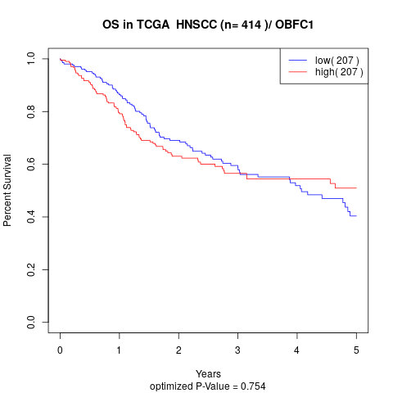

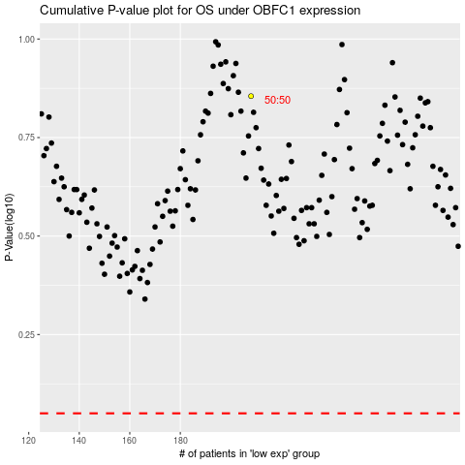

 |  |  |  |  |  | cases_OS | p_OS | rank | exp
 |  |  |  |  |  |  | cases_RFS | p_RFS | rank | exp

