OBFC2A _multivariate
Reported by Tex Li-Hsing Chi. tex@gate.sinica.edu.tw 2019-08-17

Table 2. The clinicopathological features of HNSCC cohort and OBFC2A expression. (Chi square test)
Cutoff at -0.192 (50.0%)
 |  | OBFC2A expression |  | OBFC2A expression |  | (Optimised)
 | Features | Low | (%) | High | (%) | Case no | P-value | Remark | Matthews
Gender | Female | 163 | 39.3 | 143 | 34.5 | 415 | 0.0277 | 1 | 0
2 | Male | 44 | 10.6 | 65 | 15.7
Age at diagnosis | <=65y | 150 | 36.1 | 124 | 29.9 | 415 | 0.0078 | 1 | 0
4 | >65y | 57 | 13.7 | 84 | 20.2
Clinical T Status | T1+T2 | 80 | 19.3 | 69 | 16.6 | 415 | 0.2891 | 0 | 0
6 | T3+T4 | 127 | 30.6 | 139 | 33.5
Clinical N Status | N0 | 100 | 24.1 | 116 | 28 | 415 | 0.1548 | 0 | 0
8 | N1-3 | 107 | 25.8 | 92 | 22.2
Clinical M Status | M0 | 206 | 49.6 | 206 | 49.6 | 415 | 1 | 0 | 0
10 | M1 | 1 | 0.2 | 2 | 0.5
Clinical Stage | Stage I+II | 48 | 11.6 | 54 | 13 | 415 | 0.5878 | 0 | 0
12 | Stage III+IV | 159 | 38.3 | 154 | 37.1
Surgical Margin status | Negative | 158 | 38.1 | 160 | 38.6 | 415 | 0.9081 | 0 | 0
14 | Positive | 49 | 11.8 | 48 | 11.6
Tobacco Exposure | Low | 66 | 15.9 | 95 | 22.9 | 415 | 0.0048 | 1 | 0
16 | High | 141 | 34 | 113 | 27.2

Table 3. Univariate/Multivariate Cox's proportional hazards regression analyses on OS time of OBFC2A gene expression in HNSCC

 |  | Univariate |  |  |  | Multivariate
 | Features | HR | CI95%(L) | CI95%(H) | P-value | HR | CI95%(L) | CI95%(H) | P-value
1 | Female | 1 |  |  |  | 1
Gender | Male | 1.157 | 0.843 | 1.587 | 0.367 | 1.234 | 0.883 | 1.724 | 0.218
11 | <=65y | 1 |  |  |  | 1
Age at diagnosis | >65y | 1.329 | 0.99 | 1.784 | 0.058 | 1.446 | 1.06 | 1.971 | 0.02
12 | T1+T2 | 1 |  |  |  | 1
Clinical T Status | T3+T4 | 1.409 | 1.028 | 1.931 | 0.033 | 2.304 | 1.216 | 4.364 | 0.01
13 | N0 | 1 |  |  |  | 1
Clinical N Status | N1-3 | 1.185 | 0.89 | 1.577 | 0.246 | 1.227 | 0.86 | 1.75 | 0.259
14 | M0 | 1 |  |  |  | 1
Clinical M Status | M1 | 4.097 | 1.009 | 16.644 | 0.049 | 10.878 | 2.355 | 50.251 | 0.002
15 | Stage I+II | 1 |  |  |  | 1
Clinical Stage | Stage III+IV | 1.245 | 0.882 | 1.759 | 0.213 | 0.476 | 0.221 | 1.022 | 0.057
16 | Negative | 1 |  |  |  | 1
Surgical Margin status | Positive | 1.591 | 1.155 | 2.191 | 0.004 | 1.702 | 1.23 | 2.355 | 0.001
17 | Low | 1 |  |  |  | 1
Tobacco Exposure | High | 1.364 | 1.008 | 1.844 | 0.044 | 1.406 | 1.019 | 1.94 | 0.038
18 | Low | 1 |  |  |  | 1
RNAseq(z-score) | High | 0.811 | 0.607 | 1.084 | 0.157 | 0.747 | 0.552 | 1.009 | 0.057

Table 4. Univariate/Multivariate Cox's proportional hazards regression analyses on RFS time of OBFC2A gene expression in HNSCC

 |  | Univariate |  |  |  | Multivariate
 | Features | HR | CI95%(L) | CI95%(H) | P-value | HR | CI95%(L) | CI95%(H) | P-value
1 | Female | 1 |  |  |  | 1
Gender | Male | 1.157 | 0.843 | 1.587 | 0.367 | 1.234 | 0.883 | 1.724 | 0.218
11 | <=65y | 1 |  |  |  | 1
Age at diagnosis | >65y | 1.329 | 0.99 | 1.784 | 0.058 | 1.446 | 1.06 | 1.971 | 0.02
12 | T1+T2 | 1 |  |  |  | 1
Clinical T Status | T3+T4 | 1.409 | 1.028 | 1.931 | 0.033 | 2.304 | 1.216 | 4.364 | 0.01
13 | N0 | 1 |  |  |  | 1
Clinical N Status | N1-3 | 1.185 | 0.89 | 1.577 | 0.246 | 1.227 | 0.86 | 1.75 | 0.259
14 | M0 | 1 |  |  |  | 1
Clinical M Status | M1 | 4.097 | 1.009 | 16.644 | 0.049 | 10.878 | 2.355 | 50.251 | 0.002
15 | Stage I+II | 1 |  |  |  | 1
Clinical Stage | Stage III+IV | 1.245 | 0.882 | 1.759 | 0.213 | 0.476 | 0.221 | 1.022 | 0.057
16 | Negative | 1 |  |  |  | 1
Surgical Margin status | Positive | 1.591 | 1.155 | 2.191 | 0.004 | 1.702 | 1.23 | 2.355 | 0.001
17 | Low | 1 |  |  |  | 1
Tobacco Exposure | High | 1.364 | 1.008 | 1.844 | 0.044 | 1.406 | 1.019 | 1.94 | 0.038
18 | Low | 1 |  |  |  | 1
RNAseq(z-score) | High | 0.811 | 0.607 | 1.084 | 0.157 | 0.747 | 0.552 | 1.009 | 0.057

Kaplan-Meier survival estimate: Cutoff at -0.192 (50.0%)



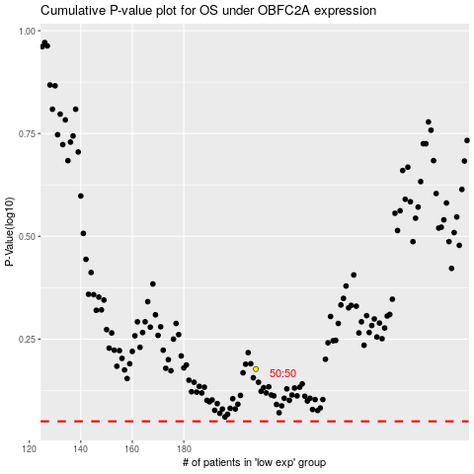

 |  |  |  |  |  | cases_OS | p_OS | rank | exp
 |  |  |  |  |  |  | cases_RFS | p_RFS | rank | exp

