OBSCN _multivariate
Reported by Tex Li-Hsing Chi. tex@gate.sinica.edu.tw 2019-08-17

Table 2. The clinicopathological features of HNSCC cohort and OBSCN expression. (Chi square test)
Cutoff at -0.186 (50.0%)
 |  | OBSCN expression |  | OBSCN expression |  | (Optimised)
 | Features | Low | (%) | High | (%) | Case no | P-value | Remark | Matthews
Gender | Female | 150 | 36.1 | 156 | 37.6 | 415 | 0.6344 | 0 | 0
2 | Male | 57 | 13.7 | 52 | 12.5
Age at diagnosis | <=65y | 133 | 32 | 141 | 34 | 415 | 0.5111 | 0 | 0
4 | >65y | 74 | 17.8 | 67 | 16.1
Clinical T Status | T1+T2 | 71 | 17.1 | 78 | 18.8 | 415 | 0.5638 | 0 | 0
6 | T3+T4 | 136 | 32.8 | 130 | 31.3
Clinical N Status | N0 | 104 | 25.1 | 112 | 27 | 415 | 0.5243 | 0 | 0
8 | N1-3 | 103 | 24.8 | 96 | 23.1
Clinical M Status | M0 | 206 | 49.6 | 206 | 49.6 | 415 | 1 | 0 | 0
10 | M1 | 1 | 0.2 | 2 | 0.5
Clinical Stage | Stage I+II | 49 | 11.8 | 53 | 12.8 | 415 | 0.7535 | 0 | 0
12 | Stage III+IV | 158 | 38.1 | 155 | 37.3
Surgical Margin status | Negative | 159 | 38.3 | 159 | 38.3 | 415 | 1 | 0 | 0
14 | Positive | 48 | 11.6 | 49 | 11.8
Tobacco Exposure | Low | 87 | 21 | 74 | 17.8 | 415 | 0.1911 | 0 | 0
16 | High | 120 | 28.9 | 134 | 32.3

Table 3. Univariate/Multivariate Cox's proportional hazards regression analyses on OS time of OBSCN gene expression in HNSCC

 |  | Univariate |  |  |  | Multivariate
 | Features | HR | CI95%(L) | CI95%(H) | P-value | HR | CI95%(L) | CI95%(H) | P-value
1 | Female | 1 |  |  |  | 1
Gender | Male | 1.157 | 0.843 | 1.587 | 0.367 | 1.193 | 0.853 | 1.668 | 0.303
11 | <=65y | 1 |  |  |  | 1
Age at diagnosis | >65y | 1.329 | 0.99 | 1.784 | 0.058 | 1.405 | 1.033 | 1.912 | 0.03
12 | T1+T2 | 1 |  |  |  | 1
Clinical T Status | T3+T4 | 1.409 | 1.028 | 1.931 | 0.033 | 2.207 | 1.167 | 4.174 | 0.015
13 | N0 | 1 |  |  |  | 1
Clinical N Status | N1-3 | 1.185 | 0.89 | 1.577 | 0.246 | 1.254 | 0.878 | 1.79 | 0.214
14 | M0 | 1 |  |  |  | 1
Clinical M Status | M1 | 4.097 | 1.009 | 16.644 | 0.049 | 9.254 | 2.018 | 42.429 | 0.004
15 | Stage I+II | 1 |  |  |  | 1
Clinical Stage | Stage III+IV | 1.245 | 0.882 | 1.759 | 0.213 | 0.498 | 0.232 | 1.07 | 0.074
16 | Negative | 1 |  |  |  | 1
Surgical Margin status | Positive | 1.591 | 1.155 | 2.191 | 0.004 | 1.645 | 1.19 | 2.276 | 0.003
17 | Low | 1 |  |  |  | 1
Tobacco Exposure | High | 1.364 | 1.008 | 1.844 | 0.044 | 1.433 | 1.039 | 1.976 | 0.028
18 | Low | 1 |  |  |  | 1
RNAseq(z-score) | High | 1.202 | 0.902 | 1.602 | 0.208 | 1.157 | 0.865 | 1.547 | 0.326

Table 4. Univariate/Multivariate Cox's proportional hazards regression analyses on RFS time of OBSCN gene expression in HNSCC

 |  | Univariate |  |  |  | Multivariate
 | Features | HR | CI95%(L) | CI95%(H) | P-value | HR | CI95%(L) | CI95%(H) | P-value
1 | Female | 1 |  |  |  | 1
Gender | Male | 1.157 | 0.843 | 1.587 | 0.367 | 1.193 | 0.853 | 1.668 | 0.303
11 | <=65y | 1 |  |  |  | 1
Age at diagnosis | >65y | 1.329 | 0.99 | 1.784 | 0.058 | 1.405 | 1.033 | 1.912 | 0.03
12 | T1+T2 | 1 |  |  |  | 1
Clinical T Status | T3+T4 | 1.409 | 1.028 | 1.931 | 0.033 | 2.207 | 1.167 | 4.174 | 0.015
13 | N0 | 1 |  |  |  | 1
Clinical N Status | N1-3 | 1.185 | 0.89 | 1.577 | 0.246 | 1.254 | 0.878 | 1.79 | 0.214
14 | M0 | 1 |  |  |  | 1
Clinical M Status | M1 | 4.097 | 1.009 | 16.644 | 0.049 | 9.254 | 2.018 | 42.429 | 0.004
15 | Stage I+II | 1 |  |  |  | 1
Clinical Stage | Stage III+IV | 1.245 | 0.882 | 1.759 | 0.213 | 0.498 | 0.232 | 1.07 | 0.074
16 | Negative | 1 |  |  |  | 1
Surgical Margin status | Positive | 1.591 | 1.155 | 2.191 | 0.004 | 1.645 | 1.19 | 2.276 | 0.003
17 | Low | 1 |  |  |  | 1
Tobacco Exposure | High | 1.364 | 1.008 | 1.844 | 0.044 | 1.433 | 1.039 | 1.976 | 0.028
18 | Low | 1 |  |  |  | 1
RNAseq(z-score) | High | 1.202 | 0.902 | 1.602 | 0.208 | 1.157 | 0.865 | 1.547 | 0.326

Kaplan-Meier survival estimate: Cutoff at -0.186 (50.0%)



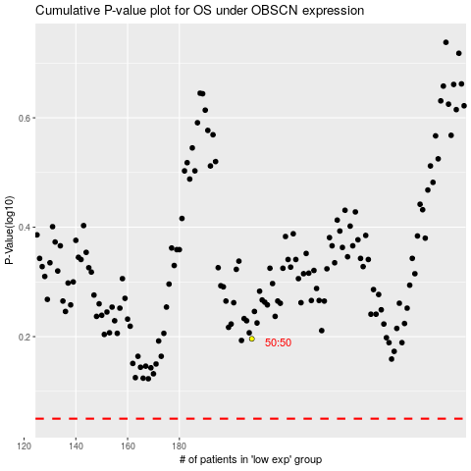

 |  |  |  |  |  | cases_OS | p_OS | rank | exp
 |  |  |  |  |  |  | cases_RFS | p_RFS | rank | exp

