OBSL1 _multivariate
Reported by Tex Li-Hsing Chi. tex@gate.sinica.edu.tw 2019-08-17

Table 2. The clinicopathological features of HNSCC cohort and OBSL1 expression. (Chi square test)
Cutoff at -0.134 (50.0%)
 |  | OBSL1 expression |  | OBSL1 expression |  | (Optimised)
 | Features | Low | (%) | High | (%) | Case no | P-value | Remark | Matthews
Gender | Female | 149 | 35.9 | 157 | 37.8 | 415 | 0.4848 | 0 | 0
2 | Male | 58 | 14 | 51 | 12.3
Age at diagnosis | <=65y | 140 | 33.7 | 134 | 32.3 | 415 | 0.5574 | 0 | 0
4 | >65y | 67 | 16.1 | 74 | 17.8
Clinical T Status | T1+T2 | 73 | 17.6 | 76 | 18.3 | 415 | 0.8666 | 0 | 0
6 | T3+T4 | 134 | 32.3 | 132 | 31.8
Clinical N Status | N0 | 96 | 23.1 | 120 | 28.9 | 415 | 0.0272 | 1 | 0
8 | N1-3 | 111 | 26.7 | 88 | 21.2
Clinical M Status | M0 | 206 | 49.6 | 206 | 49.6 | 415 | 1 | 0 | 0
10 | M1 | 1 | 0.2 | 2 | 0.5
Clinical Stage | Stage I+II | 47 | 11.3 | 55 | 13.3 | 415 | 0.4413 | 0 | 0
12 | Stage III+IV | 160 | 38.6 | 153 | 36.9
Surgical Margin status | Negative | 154 | 37.1 | 164 | 39.5 | 415 | 0.2984 | 0 | 0
14 | Positive | 53 | 12.8 | 44 | 10.6
Tobacco Exposure | Low | 86 | 20.7 | 75 | 18.1 | 415 | 0.2687 | 0 | 0
16 | High | 121 | 29.2 | 133 | 32

Table 3. Univariate/Multivariate Cox's proportional hazards regression analyses on OS time of OBSL1 gene expression in HNSCC

 |  | Univariate |  |  |  | Multivariate
 | Features | HR | CI95%(L) | CI95%(H) | P-value | HR | CI95%(L) | CI95%(H) | P-value
1 | Female | 1 |  |  |  | 1
Gender | Male | 1.157 | 0.843 | 1.587 | 0.367 | 1.197 | 0.857 | 1.672 | 0.292
11 | <=65y | 1 |  |  |  | 1
Age at diagnosis | >65y | 1.329 | 0.99 | 1.784 | 0.058 | 1.401 | 1.03 | 1.906 | 0.032
12 | T1+T2 | 1 |  |  |  | 1
Clinical T Status | T3+T4 | 1.409 | 1.028 | 1.931 | 0.033 | 2.216 | 1.172 | 4.19 | 0.014
13 | N0 | 1 |  |  |  | 1
Clinical N Status | N1-3 | 1.185 | 0.89 | 1.577 | 0.246 | 1.229 | 0.86 | 1.756 | 0.257
14 | M0 | 1 |  |  |  | 1
Clinical M Status | M1 | 4.097 | 1.009 | 16.644 | 0.049 | 9.605 | 2.093 | 44.087 | 0.004
15 | Stage I+II | 1 |  |  |  | 1
Clinical Stage | Stage III+IV | 1.245 | 0.882 | 1.759 | 0.213 | 0.503 | 0.234 | 1.08 | 0.078
16 | Negative | 1 |  |  |  | 1
Surgical Margin status | Positive | 1.591 | 1.155 | 2.191 | 0.004 | 1.658 | 1.199 | 2.293 | 0.002
17 | Low | 1 |  |  |  | 1
Tobacco Exposure | High | 1.364 | 1.008 | 1.844 | 0.044 | 1.455 | 1.056 | 2.004 | 0.022
18 | Low | 1 |  |  |  | 1
RNAseq(z-score) | High | 0.886 | 0.666 | 1.18 | 0.409 | 0.905 | 0.677 | 1.21 | 0.501

Table 4. Univariate/Multivariate Cox's proportional hazards regression analyses on RFS time of OBSL1 gene expression in HNSCC

 |  | Univariate |  |  |  | Multivariate
 | Features | HR | CI95%(L) | CI95%(H) | P-value | HR | CI95%(L) | CI95%(H) | P-value
1 | Female | 1 |  |  |  | 1
Gender | Male | 1.157 | 0.843 | 1.587 | 0.367 | 1.197 | 0.857 | 1.672 | 0.292
11 | <=65y | 1 |  |  |  | 1
Age at diagnosis | >65y | 1.329 | 0.99 | 1.784 | 0.058 | 1.401 | 1.03 | 1.906 | 0.032
12 | T1+T2 | 1 |  |  |  | 1
Clinical T Status | T3+T4 | 1.409 | 1.028 | 1.931 | 0.033 | 2.216 | 1.172 | 4.19 | 0.014
13 | N0 | 1 |  |  |  | 1
Clinical N Status | N1-3 | 1.185 | 0.89 | 1.577 | 0.246 | 1.229 | 0.86 | 1.756 | 0.257
14 | M0 | 1 |  |  |  | 1
Clinical M Status | M1 | 4.097 | 1.009 | 16.644 | 0.049 | 9.605 | 2.093 | 44.087 | 0.004
15 | Stage I+II | 1 |  |  |  | 1
Clinical Stage | Stage III+IV | 1.245 | 0.882 | 1.759 | 0.213 | 0.503 | 0.234 | 1.08 | 0.078
16 | Negative | 1 |  |  |  | 1
Surgical Margin status | Positive | 1.591 | 1.155 | 2.191 | 0.004 | 1.658 | 1.199 | 2.293 | 0.002
17 | Low | 1 |  |  |  | 1
Tobacco Exposure | High | 1.364 | 1.008 | 1.844 | 0.044 | 1.455 | 1.056 | 2.004 | 0.022
18 | Low | 1 |  |  |  | 1
RNAseq(z-score) | High | 0.886 | 0.666 | 1.18 | 0.409 | 0.905 | 0.677 | 1.21 | 0.501

Kaplan-Meier survival estimate: Cutoff at -0.134 (50.0%)



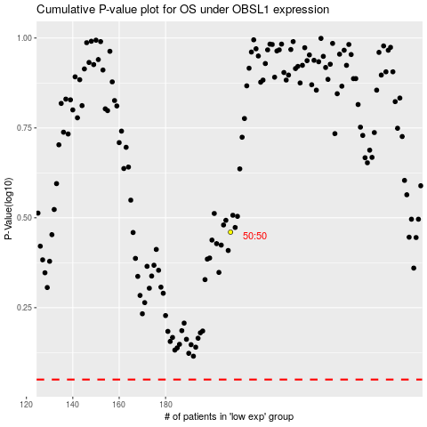

 |  |  |  |  |  | cases_OS | p_OS | rank | exp
 |  |  |  |  |  |  | cases_RFS | p_RFS | rank | exp

