OCIAD1 _multivariate
Reported by Tex Li-Hsing Chi. tex@gate.sinica.edu.tw 2019-08-17

Table 2. The clinicopathological features of HNSCC cohort and OCIAD1 expression. (Chi square test)
Cutoff at -0.067 (50.0%)
 |  | OCIAD1 expression |  | OCIAD1 expression |  | (Optimised)
 | Features | Low | (%) | High | (%) | Case no | P-value | Remark | Matthews
Gender | Female | 164 | 39.5 | 142 | 34.2 | 415 | 0.0153 | 1 | 0
2 | Male | 43 | 10.4 | 66 | 15.9
Age at diagnosis | <=65y | 136 | 32.8 | 138 | 33.3 | 415 | 0.9719 | 0 | 0
4 | >65y | 71 | 17.1 | 70 | 16.9
Clinical T Status | T1+T2 | 76 | 18.3 | 73 | 17.6 | 415 | 0.8092 | 0 | 0
6 | T3+T4 | 131 | 31.6 | 135 | 32.5
Clinical N Status | N0 | 101 | 24.3 | 115 | 27.7 | 415 | 0.2201 | 0 | 0
8 | N1-3 | 106 | 25.5 | 93 | 22.4
Clinical M Status | M0 | 206 | 49.6 | 206 | 49.6 | 415 | 1 | 0 | 0
10 | M1 | 1 | 0.2 | 2 | 0.5
Clinical Stage | Stage I+II | 47 | 11.3 | 55 | 13.3 | 415 | 0.4413 | 0 | 0
12 | Stage III+IV | 160 | 38.6 | 153 | 36.9
Surgical Margin status | Negative | 158 | 38.1 | 160 | 38.6 | 415 | 0.9081 | 0 | 0
14 | Positive | 49 | 11.8 | 48 | 11.6
Tobacco Exposure | Low | 76 | 18.3 | 85 | 20.5 | 415 | 0.4207 | 0 | 0
16 | High | 131 | 31.6 | 123 | 29.6

Table 3. Univariate/Multivariate Cox's proportional hazards regression analyses on OS time of OCIAD1 gene expression in HNSCC

 |  | Univariate |  |  |  | Multivariate
 | Features | HR | CI95%(L) | CI95%(H) | P-value | HR | CI95%(L) | CI95%(H) | P-value
1 | Female | 1 |  |  |  | 1
Gender | Male | 1.157 | 0.843 | 1.587 | 0.367 | 1.169 | 0.835 | 1.637 | 0.363
11 | <=65y | 1 |  |  |  | 1
Age at diagnosis | >65y | 1.329 | 0.99 | 1.784 | 0.058 | 1.406 | 1.034 | 1.912 | 0.03
12 | T1+T2 | 1 |  |  |  | 1
Clinical T Status | T3+T4 | 1.409 | 1.028 | 1.931 | 0.033 | 2.146 | 1.133 | 4.062 | 0.019
13 | N0 | 1 |  |  |  | 1
Clinical N Status | N1-3 | 1.185 | 0.89 | 1.577 | 0.246 | 1.268 | 0.887 | 1.812 | 0.193
14 | M0 | 1 |  |  |  | 1
Clinical M Status | M1 | 4.097 | 1.009 | 16.644 | 0.049 | 8.575 | 1.858 | 39.577 | 0.006
15 | Stage I+II | 1 |  |  |  | 1
Clinical Stage | Stage III+IV | 1.245 | 0.882 | 1.759 | 0.213 | 0.515 | 0.24 | 1.107 | 0.089
16 | Negative | 1 |  |  |  | 1
Surgical Margin status | Positive | 1.591 | 1.155 | 2.191 | 0.004 | 1.671 | 1.209 | 2.309 | 0.002
17 | Low | 1 |  |  |  | 1
Tobacco Exposure | High | 1.364 | 1.008 | 1.844 | 0.044 | 1.456 | 1.057 | 2.005 | 0.021
18 | Low | 1 |  |  |  | 1
RNAseq(z-score) | High | 1.224 | 0.918 | 1.632 | 0.169 | 1.205 | 0.898 | 1.616 | 0.213

Table 4. Univariate/Multivariate Cox's proportional hazards regression analyses on RFS time of OCIAD1 gene expression in HNSCC

 |  | Univariate |  |  |  | Multivariate
 | Features | HR | CI95%(L) | CI95%(H) | P-value | HR | CI95%(L) | CI95%(H) | P-value
1 | Female | 1 |  |  |  | 1
Gender | Male | 1.157 | 0.843 | 1.587 | 0.367 | 1.169 | 0.835 | 1.637 | 0.363
11 | <=65y | 1 |  |  |  | 1
Age at diagnosis | >65y | 1.329 | 0.99 | 1.784 | 0.058 | 1.406 | 1.034 | 1.912 | 0.03
12 | T1+T2 | 1 |  |  |  | 1
Clinical T Status | T3+T4 | 1.409 | 1.028 | 1.931 | 0.033 | 2.146 | 1.133 | 4.062 | 0.019
13 | N0 | 1 |  |  |  | 1
Clinical N Status | N1-3 | 1.185 | 0.89 | 1.577 | 0.246 | 1.268 | 0.887 | 1.812 | 0.193
14 | M0 | 1 |  |  |  | 1
Clinical M Status | M1 | 4.097 | 1.009 | 16.644 | 0.049 | 8.575 | 1.858 | 39.577 | 0.006
15 | Stage I+II | 1 |  |  |  | 1
Clinical Stage | Stage III+IV | 1.245 | 0.882 | 1.759 | 0.213 | 0.515 | 0.24 | 1.107 | 0.089
16 | Negative | 1 |  |  |  | 1
Surgical Margin status | Positive | 1.591 | 1.155 | 2.191 | 0.004 | 1.671 | 1.209 | 2.309 | 0.002
17 | Low | 1 |  |  |  | 1
Tobacco Exposure | High | 1.364 | 1.008 | 1.844 | 0.044 | 1.456 | 1.057 | 2.005 | 0.021
18 | Low | 1 |  |  |  | 1
RNAseq(z-score) | High | 1.224 | 0.918 | 1.632 | 0.169 | 1.205 | 0.898 | 1.616 | 0.213

Kaplan-Meier survival estimate: Cutoff at -0.067 (50.0%)



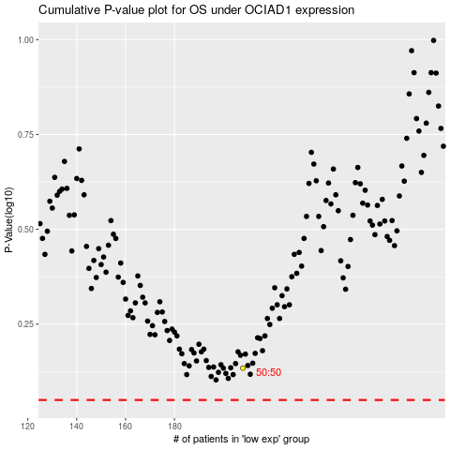

 |  |  |  |  |  | cases_OS | p_OS | rank | exp
 |  |  |  |  |  |  | cases_RFS | p_RFS | rank | exp

