OCLN _multivariate
Reported by Tex Li-Hsing Chi. tex@gate.sinica.edu.tw 2019-08-17

Table 2. The clinicopathological features of HNSCC cohort and OCLN expression. (Chi square test)
Cutoff at -0.359 (50.0%)
 |  | OCLN expression |  | OCLN expression |  | (Optimised)
 | Features | Low | (%) | High | (%) | Case no | P-value | Remark | Matthews
Gender | Female | 156 | 37.6 | 150 | 36.1 | 415 | 0.5222 | 0 | 0
2 | Male | 51 | 12.3 | 58 | 14
Age at diagnosis | <=65y | 136 | 32.8 | 138 | 33.3 | 415 | 0.9719 | 0 | 0
4 | >65y | 71 | 17.1 | 70 | 16.9
Clinical T Status | T1+T2 | 79 | 19 | 70 | 16.9 | 415 | 0.3924 | 0 | 0
6 | T3+T4 | 128 | 30.8 | 138 | 33.3
Clinical N Status | N0 | 109 | 26.3 | 107 | 25.8 | 415 | 0.8812 | 0 | 0
8 | N1-3 | 98 | 23.6 | 101 | 24.3
Clinical M Status | M0 | 205 | 49.4 | 207 | 49.9 | 415 | 0.6232 | 0 | 0
10 | M1 | 2 | 0.5 | 1 | 0.2
Clinical Stage | Stage I+II | 60 | 14.5 | 42 | 10.1 | 415 | 0.0493 | 1 | 0
12 | Stage III+IV | 147 | 35.4 | 166 | 40
Surgical Margin status | Negative | 155 | 37.3 | 163 | 39.3 | 415 | 0.4187 | 0 | 0
14 | Positive | 52 | 12.5 | 45 | 10.8
Tobacco Exposure | Low | 88 | 21.2 | 73 | 17.6 | 415 | 0.1314 | 0 | 0
16 | High | 119 | 28.7 | 135 | 32.5

Table 3. Univariate/Multivariate Cox's proportional hazards regression analyses on OS time of OCLN gene expression in HNSCC

 |  | Univariate |  |  |  | Multivariate
 | Features | HR | CI95%(L) | CI95%(H) | P-value | HR | CI95%(L) | CI95%(H) | P-value
1 | Female | 1 |  |  |  | 1
Gender | Male | 1.157 | 0.843 | 1.587 | 0.367 | 1.202 | 0.861 | 1.68 | 0.28
11 | <=65y | 1 |  |  |  | 1
Age at diagnosis | >65y | 1.329 | 0.99 | 1.784 | 0.058 | 1.392 | 1.024 | 1.892 | 0.035
12 | T1+T2 | 1 |  |  |  | 1
Clinical T Status | T3+T4 | 1.409 | 1.028 | 1.931 | 0.033 | 2.18 | 1.148 | 4.139 | 0.017
13 | N0 | 1 |  |  |  | 1
Clinical N Status | N1-3 | 1.185 | 0.89 | 1.577 | 0.246 | 1.236 | 0.865 | 1.765 | 0.244
14 | M0 | 1 |  |  |  | 1
Clinical M Status | M1 | 4.097 | 1.009 | 16.644 | 0.049 | 9.292 | 2.022 | 42.696 | 0.004
15 | Stage I+II | 1 |  |  |  | 1
Clinical Stage | Stage III+IV | 1.245 | 0.882 | 1.759 | 0.213 | 0.513 | 0.237 | 1.109 | 0.09
16 | Negative | 1 |  |  |  | 1
Surgical Margin status | Positive | 1.591 | 1.155 | 2.191 | 0.004 | 1.666 | 1.204 | 2.304 | 0.002
17 | Low | 1 |  |  |  | 1
Tobacco Exposure | High | 1.364 | 1.008 | 1.844 | 0.044 | 1.455 | 1.056 | 2.006 | 0.022
18 | Low | 1 |  |  |  | 1
RNAseq(z-score) | High | 0.926 | 0.693 | 1.238 | 0.603 | 0.959 | 0.714 | 1.289 | 0.784

Table 4. Univariate/Multivariate Cox's proportional hazards regression analyses on RFS time of OCLN gene expression in HNSCC

 |  | Univariate |  |  |  | Multivariate
 | Features | HR | CI95%(L) | CI95%(H) | P-value | HR | CI95%(L) | CI95%(H) | P-value
1 | Female | 1 |  |  |  | 1
Gender | Male | 1.157 | 0.843 | 1.587 | 0.367 | 1.202 | 0.861 | 1.68 | 0.28
11 | <=65y | 1 |  |  |  | 1
Age at diagnosis | >65y | 1.329 | 0.99 | 1.784 | 0.058 | 1.392 | 1.024 | 1.892 | 0.035
12 | T1+T2 | 1 |  |  |  | 1
Clinical T Status | T3+T4 | 1.409 | 1.028 | 1.931 | 0.033 | 2.18 | 1.148 | 4.139 | 0.017
13 | N0 | 1 |  |  |  | 1
Clinical N Status | N1-3 | 1.185 | 0.89 | 1.577 | 0.246 | 1.236 | 0.865 | 1.765 | 0.244
14 | M0 | 1 |  |  |  | 1
Clinical M Status | M1 | 4.097 | 1.009 | 16.644 | 0.049 | 9.292 | 2.022 | 42.696 | 0.004
15 | Stage I+II | 1 |  |  |  | 1
Clinical Stage | Stage III+IV | 1.245 | 0.882 | 1.759 | 0.213 | 0.513 | 0.237 | 1.109 | 0.09
16 | Negative | 1 |  |  |  | 1
Surgical Margin status | Positive | 1.591 | 1.155 | 2.191 | 0.004 | 1.666 | 1.204 | 2.304 | 0.002
17 | Low | 1 |  |  |  | 1
Tobacco Exposure | High | 1.364 | 1.008 | 1.844 | 0.044 | 1.455 | 1.056 | 2.006 | 0.022
18 | Low | 1 |  |  |  | 1
RNAseq(z-score) | High | 0.926 | 0.693 | 1.238 | 0.603 | 0.959 | 0.714 | 1.289 | 0.784

Kaplan-Meier survival estimate: Cutoff at -0.359 (50.0%)



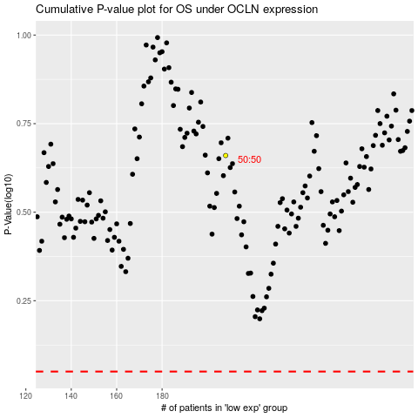

 |  |  |  |  |  | cases_OS | p_OS | rank | exp
 |  |  |  |  |  |  | cases_RFS | p_RFS | rank | exp

