OCRL _multivariate
Reported by Tex Li-Hsing Chi. tex@gate.sinica.edu.tw 2019-08-17

Table 2. The clinicopathological features of HNSCC cohort and OCRL expression. (Chi square test)
Cutoff at -0.124 (49.8%)
 |  | OCRL expression |  | OCRL expression |  | (Optimised)
 | Features | Low | (%) | High | (%) | Case no | P-value | Remark | Matthews
Gender | Female | 148 | 35.7 | 158 | 38.1 | 415 | 0.3567 | 0 | 0
2 | Male | 59 | 14.2 | 50 | 12
Age at diagnosis | <=65y | 138 | 33.3 | 136 | 32.8 | 415 | 0.8634 | 0 | 0
4 | >65y | 69 | 16.6 | 72 | 17.3
Clinical T Status | T1+T2 | 78 | 18.8 | 71 | 17.1 | 415 | 0.5152 | 0 | 0
6 | T3+T4 | 129 | 31.1 | 137 | 33
Clinical N Status | N0 | 106 | 25.5 | 110 | 26.5 | 415 | 0.8075 | 0 | 0
8 | N1-3 | 101 | 24.3 | 98 | 23.6
Clinical M Status | M0 | 204 | 49.2 | 208 | 50.1 | 415 | 0.1232 | 0 | 0
10 | M1 | 3 | 0.7 | 0 | 0
Clinical Stage | Stage I+II | 50 | 12 | 52 | 12.5 | 415 | 0.9315 | 0 | 0
12 | Stage III+IV | 157 | 37.8 | 156 | 37.6
Surgical Margin status | Negative | 157 | 37.8 | 161 | 38.8 | 415 | 0.729 | 0 | 0
14 | Positive | 50 | 12 | 47 | 11.3
Tobacco Exposure | Low | 83 | 20 | 78 | 18.8 | 415 | 0.6152 | 0 | 0
16 | High | 124 | 29.9 | 130 | 31.3

Table 3. Univariate/Multivariate Cox's proportional hazards regression analyses on OS time of OCRL gene expression in HNSCC

 |  | Univariate |  |  |  | Multivariate
 | Features | HR | CI95%(L) | CI95%(H) | P-value | HR | CI95%(L) | CI95%(H) | P-value
1 | Female | 1 |  |  |  | 1
Gender | Male | 1.157 | 0.843 | 1.587 | 0.367 | 1.206 | 0.863 | 1.685 | 0.273
11 | <=65y | 1 |  |  |  | 1
Age at diagnosis | >65y | 1.329 | 0.99 | 1.784 | 0.058 | 1.395 | 1.026 | 1.897 | 0.034
12 | T1+T2 | 1 |  |  |  | 1
Clinical T Status | T3+T4 | 1.409 | 1.028 | 1.931 | 0.033 | 2.193 | 1.16 | 4.149 | 0.016
13 | N0 | 1 |  |  |  | 1
Clinical N Status | N1-3 | 1.185 | 0.89 | 1.577 | 0.246 | 1.242 | 0.87 | 1.772 | 0.232
14 | M0 | 1 |  |  |  | 1
Clinical M Status | M1 | 4.097 | 1.009 | 16.644 | 0.049 | 9.641 | 2.089 | 44.494 | 0.004
15 | Stage I+II | 1 |  |  |  | 1
Clinical Stage | Stage III+IV | 1.245 | 0.882 | 1.759 | 0.213 | 0.503 | 0.234 | 1.08 | 0.078
16 | Negative | 1 |  |  |  | 1
Surgical Margin status | Positive | 1.591 | 1.155 | 2.191 | 0.004 | 1.676 | 1.212 | 2.316 | 0.002
17 | Low | 1 |  |  |  | 1
Tobacco Exposure | High | 1.364 | 1.008 | 1.844 | 0.044 | 1.454 | 1.056 | 2.004 | 0.022
18 | Low | 1 |  |  |  | 1
RNAseq(z-score) | High | 1.043 | 0.783 | 1.389 | 0.775 | 1.052 | 0.786 | 1.407 | 0.735

Table 4. Univariate/Multivariate Cox's proportional hazards regression analyses on RFS time of OCRL gene expression in HNSCC

 |  | Univariate |  |  |  | Multivariate
 | Features | HR | CI95%(L) | CI95%(H) | P-value | HR | CI95%(L) | CI95%(H) | P-value
1 | Female | 1 |  |  |  | 1
Gender | Male | 1.157 | 0.843 | 1.587 | 0.367 | 1.206 | 0.863 | 1.685 | 0.273
11 | <=65y | 1 |  |  |  | 1
Age at diagnosis | >65y | 1.329 | 0.99 | 1.784 | 0.058 | 1.395 | 1.026 | 1.897 | 0.034
12 | T1+T2 | 1 |  |  |  | 1
Clinical T Status | T3+T4 | 1.409 | 1.028 | 1.931 | 0.033 | 2.193 | 1.16 | 4.149 | 0.016
13 | N0 | 1 |  |  |  | 1
Clinical N Status | N1-3 | 1.185 | 0.89 | 1.577 | 0.246 | 1.242 | 0.87 | 1.772 | 0.232
14 | M0 | 1 |  |  |  | 1
Clinical M Status | M1 | 4.097 | 1.009 | 16.644 | 0.049 | 9.641 | 2.089 | 44.494 | 0.004
15 | Stage I+II | 1 |  |  |  | 1
Clinical Stage | Stage III+IV | 1.245 | 0.882 | 1.759 | 0.213 | 0.503 | 0.234 | 1.08 | 0.078
16 | Negative | 1 |  |  |  | 1
Surgical Margin status | Positive | 1.591 | 1.155 | 2.191 | 0.004 | 1.676 | 1.212 | 2.316 | 0.002
17 | Low | 1 |  |  |  | 1
Tobacco Exposure | High | 1.364 | 1.008 | 1.844 | 0.044 | 1.454 | 1.056 | 2.004 | 0.022
18 | Low | 1 |  |  |  | 1
RNAseq(z-score) | High | 1.043 | 0.783 | 1.389 | 0.775 | 1.052 | 0.786 | 1.407 | 0.735

Kaplan-Meier survival estimate: Cutoff at -0.124 (49.8%)



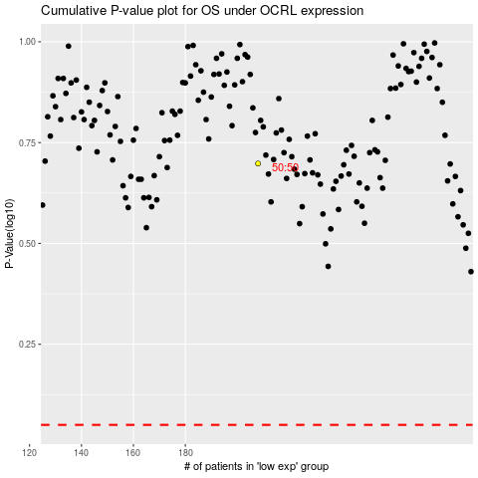

 |  |  |  |  |  | cases_OS | p_OS | rank | exp
 |  |  |  |  |  |  | cases_RFS | p_RFS | rank | exp

