ODC1 _multivariate
Reported by Tex Li-Hsing Chi. tex@gate.sinica.edu.tw 2019-08-17

Table 2. The clinicopathological features of HNSCC cohort and ODC1 expression. (Chi square test)
Cutoff at -0.346 (50.0%)
 |  | ODC1 expression |  | ODC1 expression |  | (Optimised)
 | Features | Low | (%) | High | (%) | Case no | P-value | Remark | Matthews
Gender | Female | 146 | 35.2 | 160 | 38.6 | 415 | 0.1714 | 0 | 0
2 | Male | 61 | 14.7 | 48 | 11.6
Age at diagnosis | <=65y | 128 | 30.8 | 146 | 35.2 | 415 | 0.0904 | 0 | 0
4 | >65y | 79 | 19 | 62 | 14.9
Clinical T Status | T1+T2 | 77 | 18.6 | 72 | 17.3 | 415 | 0.6556 | 0 | 0
6 | T3+T4 | 130 | 31.3 | 136 | 32.8
Clinical N Status | N0 | 110 | 26.5 | 106 | 25.5 | 415 | 0.7294 | 0 | 0
8 | N1-3 | 97 | 23.4 | 102 | 24.6
Clinical M Status | M0 | 204 | 49.2 | 208 | 50.1 | 415 | 0.1232 | 0 | 0
10 | M1 | 3 | 0.7 | 0 | 0
Clinical Stage | Stage I+II | 58 | 14 | 44 | 10.6 | 415 | 0.131 | 0 | 0
12 | Stage III+IV | 149 | 35.9 | 164 | 39.5
Surgical Margin status | Negative | 161 | 38.8 | 157 | 37.8 | 415 | 0.6429 | 0 | 0
14 | Positive | 46 | 11.1 | 51 | 12.3
Tobacco Exposure | Low | 104 | 25.1 | 57 | 13.7 | 415 | 0 | 1 | 0
16 | High | 103 | 24.8 | 151 | 36.4

Table 3. Univariate/Multivariate Cox's proportional hazards regression analyses on OS time of ODC1 gene expression in HNSCC

 |  | Univariate |  |  |  | Multivariate
 | Features | HR | CI95%(L) | CI95%(H) | P-value | HR | CI95%(L) | CI95%(H) | P-value
1 | Female | 1 |  |  |  | 1
Gender | Male | 1.157 | 0.843 | 1.587 | 0.367 | 1.193 | 0.853 | 1.669 | 0.303
11 | <=65y | 1 |  |  |  | 1
Age at diagnosis | >65y | 1.329 | 0.99 | 1.784 | 0.058 | 1.386 | 1.019 | 1.885 | 0.037
12 | T1+T2 | 1 |  |  |  | 1
Clinical T Status | T3+T4 | 1.409 | 1.028 | 1.931 | 0.033 | 2.174 | 1.147 | 4.119 | 0.017
13 | N0 | 1 |  |  |  | 1
Clinical N Status | N1-3 | 1.185 | 0.89 | 1.577 | 0.246 | 1.231 | 0.861 | 1.759 | 0.254
14 | M0 | 1 |  |  |  | 1
Clinical M Status | M1 | 4.097 | 1.009 | 16.644 | 0.049 | 8.967 | 1.93 | 41.659 | 0.005
15 | Stage I+II | 1 |  |  |  | 1
Clinical Stage | Stage III+IV | 1.245 | 0.882 | 1.759 | 0.213 | 0.516 | 0.239 | 1.113 | 0.092
16 | Negative | 1 |  |  |  | 1
Surgical Margin status | Positive | 1.591 | 1.155 | 2.191 | 0.004 | 1.661 | 1.201 | 2.297 | 0.002
17 | Low | 1 |  |  |  | 1
Tobacco Exposure | High | 1.364 | 1.008 | 1.844 | 0.044 | 1.475 | 1.064 | 2.044 | 0.02
18 | Low | 1 |  |  |  | 1
RNAseq(z-score) | High | 0.899 | 0.673 | 1.201 | 0.472 | 0.931 | 0.686 | 1.264 | 0.648

Table 4. Univariate/Multivariate Cox's proportional hazards regression analyses on RFS time of ODC1 gene expression in HNSCC

 |  | Univariate |  |  |  | Multivariate
 | Features | HR | CI95%(L) | CI95%(H) | P-value | HR | CI95%(L) | CI95%(H) | P-value
1 | Female | 1 |  |  |  | 1
Gender | Male | 1.157 | 0.843 | 1.587 | 0.367 | 1.193 | 0.853 | 1.669 | 0.303
11 | <=65y | 1 |  |  |  | 1
Age at diagnosis | >65y | 1.329 | 0.99 | 1.784 | 0.058 | 1.386 | 1.019 | 1.885 | 0.037
12 | T1+T2 | 1 |  |  |  | 1
Clinical T Status | T3+T4 | 1.409 | 1.028 | 1.931 | 0.033 | 2.174 | 1.147 | 4.119 | 0.017
13 | N0 | 1 |  |  |  | 1
Clinical N Status | N1-3 | 1.185 | 0.89 | 1.577 | 0.246 | 1.231 | 0.861 | 1.759 | 0.254
14 | M0 | 1 |  |  |  | 1
Clinical M Status | M1 | 4.097 | 1.009 | 16.644 | 0.049 | 8.967 | 1.93 | 41.659 | 0.005
15 | Stage I+II | 1 |  |  |  | 1
Clinical Stage | Stage III+IV | 1.245 | 0.882 | 1.759 | 0.213 | 0.516 | 0.239 | 1.113 | 0.092
16 | Negative | 1 |  |  |  | 1
Surgical Margin status | Positive | 1.591 | 1.155 | 2.191 | 0.004 | 1.661 | 1.201 | 2.297 | 0.002
17 | Low | 1 |  |  |  | 1
Tobacco Exposure | High | 1.364 | 1.008 | 1.844 | 0.044 | 1.475 | 1.064 | 2.044 | 0.02
18 | Low | 1 |  |  |  | 1
RNAseq(z-score) | High | 0.899 | 0.673 | 1.201 | 0.472 | 0.931 | 0.686 | 1.264 | 0.648

Kaplan-Meier survival estimate: Cutoff at -0.346 (50.0%)



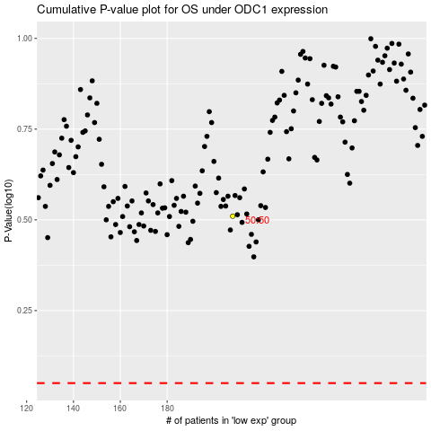

 |  |  |  |  |  | cases_OS | p_OS | rank | exp
 |  |  |  |  |  |  | cases_RFS | p_RFS | rank | exp

