ODF3L1 _multivariate
Reported by Tex Li-Hsing Chi. tex@gate.sinica.edu.tw 2019-08-17

Table 2. The clinicopathological features of HNSCC cohort and ODF3L1 expression. (Chi square test)
Cutoff at -0.229 (49.8%)
 |  | ODF3L1 expression |  | ODF3L1 expression |  | (Optimised)
 | Features | Low | (%) | High | (%) | Case no | P-value | Remark | Matthews
Gender | Female | 155 | 37.3 | 151 | 36.4 | 415 | 0.6768 | 0 | 0
2 | Male | 52 | 12.5 | 57 | 13.7
Age at diagnosis | <=65y | 137 | 33 | 137 | 33 | 415 | 1 | 0 | 0
4 | >65y | 70 | 16.9 | 71 | 17.1
Clinical T Status | T1+T2 | 68 | 16.4 | 81 | 19.5 | 415 | 0.2336 | 0 | 0
6 | T3+T4 | 139 | 33.5 | 127 | 30.6
Clinical N Status | N0 | 105 | 25.3 | 111 | 26.7 | 415 | 0.6598 | 0 | 0
8 | N1-3 | 102 | 24.6 | 97 | 23.4
Clinical M Status | M0 | 206 | 49.6 | 206 | 49.6 | 415 | 1 | 0 | 0
10 | M1 | 1 | 0.2 | 2 | 0.5
Clinical Stage | Stage I+II | 44 | 10.6 | 58 | 14 | 415 | 0.1459 | 0 | 0
12 | Stage III+IV | 163 | 39.3 | 150 | 36.1
Surgical Margin status | Negative | 155 | 37.3 | 163 | 39.3 | 415 | 0.4187 | 0 | 0
14 | Positive | 52 | 12.5 | 45 | 10.8
Tobacco Exposure | Low | 72 | 17.3 | 89 | 21.4 | 415 | 0.1071 | 0 | 0
16 | High | 135 | 32.5 | 119 | 28.7

Table 3. Univariate/Multivariate Cox's proportional hazards regression analyses on OS time of ODF3L1 gene expression in HNSCC

 |  | Univariate |  |  |  | Multivariate
 | Features | HR | CI95%(L) | CI95%(H) | P-value | HR | CI95%(L) | CI95%(H) | P-value
1 | Female | 1 |  |  |  | 1
Gender | Male | 1.157 | 0.843 | 1.587 | 0.367 | 1.199 | 0.858 | 1.675 | 0.287
11 | <=65y | 1 |  |  |  | 1
Age at diagnosis | >65y | 1.329 | 0.99 | 1.784 | 0.058 | 1.393 | 1.024 | 1.894 | 0.035
12 | T1+T2 | 1 |  |  |  | 1
Clinical T Status | T3+T4 | 1.409 | 1.028 | 1.931 | 0.033 | 2.21 | 1.169 | 4.177 | 0.015
13 | N0 | 1 |  |  |  | 1
Clinical N Status | N1-3 | 1.185 | 0.89 | 1.577 | 0.246 | 1.244 | 0.872 | 1.775 | 0.229
14 | M0 | 1 |  |  |  | 1
Clinical M Status | M1 | 4.097 | 1.009 | 16.644 | 0.049 | 9.705 | 2.111 | 44.622 | 0.004
15 | Stage I+II | 1 |  |  |  | 1
Clinical Stage | Stage III+IV | 1.245 | 0.882 | 1.759 | 0.213 | 0.499 | 0.232 | 1.073 | 0.075
16 | Negative | 1 |  |  |  | 1
Surgical Margin status | Positive | 1.591 | 1.155 | 2.191 | 0.004 | 1.66 | 1.201 | 2.295 | 0.002
17 | Low | 1 |  |  |  | 1
Tobacco Exposure | High | 1.364 | 1.008 | 1.844 | 0.044 | 1.449 | 1.052 | 1.997 | 0.023
18 | Low | 1 |  |  |  | 1
RNAseq(z-score) | High | 0.883 | 0.661 | 1.179 | 0.398 | 0.909 | 0.679 | 1.216 | 0.519

Table 4. Univariate/Multivariate Cox's proportional hazards regression analyses on RFS time of ODF3L1 gene expression in HNSCC

 |  | Univariate |  |  |  | Multivariate
 | Features | HR | CI95%(L) | CI95%(H) | P-value | HR | CI95%(L) | CI95%(H) | P-value
1 | Female | 1 |  |  |  | 1
Gender | Male | 1.157 | 0.843 | 1.587 | 0.367 | 1.199 | 0.858 | 1.675 | 0.287
11 | <=65y | 1 |  |  |  | 1
Age at diagnosis | >65y | 1.329 | 0.99 | 1.784 | 0.058 | 1.393 | 1.024 | 1.894 | 0.035
12 | T1+T2 | 1 |  |  |  | 1
Clinical T Status | T3+T4 | 1.409 | 1.028 | 1.931 | 0.033 | 2.21 | 1.169 | 4.177 | 0.015
13 | N0 | 1 |  |  |  | 1
Clinical N Status | N1-3 | 1.185 | 0.89 | 1.577 | 0.246 | 1.244 | 0.872 | 1.775 | 0.229
14 | M0 | 1 |  |  |  | 1
Clinical M Status | M1 | 4.097 | 1.009 | 16.644 | 0.049 | 9.705 | 2.111 | 44.622 | 0.004
15 | Stage I+II | 1 |  |  |  | 1
Clinical Stage | Stage III+IV | 1.245 | 0.882 | 1.759 | 0.213 | 0.499 | 0.232 | 1.073 | 0.075
16 | Negative | 1 |  |  |  | 1
Surgical Margin status | Positive | 1.591 | 1.155 | 2.191 | 0.004 | 1.66 | 1.201 | 2.295 | 0.002
17 | Low | 1 |  |  |  | 1
Tobacco Exposure | High | 1.364 | 1.008 | 1.844 | 0.044 | 1.449 | 1.052 | 1.997 | 0.023
18 | Low | 1 |  |  |  | 1
RNAseq(z-score) | High | 0.883 | 0.661 | 1.179 | 0.398 | 0.909 | 0.679 | 1.216 | 0.519

Kaplan-Meier survival estimate: Cutoff at -0.229 (49.8%)



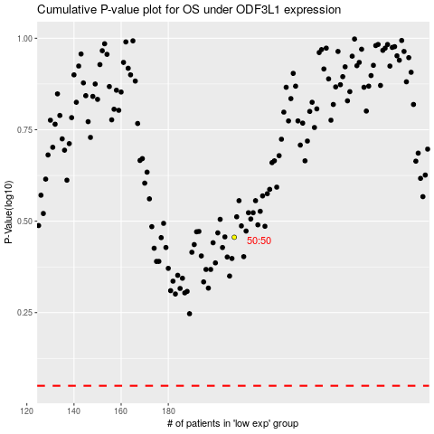

 |  |  |  |  |  | cases_OS | p_OS | rank | exp
 |  |  |  |  |  |  | cases_RFS | p_RFS | rank | exp

