ODF3L2 _multivariate
Reported by Tex Li-Hsing Chi. tex@gate.sinica.edu.tw 2019-08-17

Table 2. The clinicopathological features of HNSCC cohort and ODF3L2 expression. (Chi square test)
Cutoff at -0.097 (69.3%)
 |  | ODF3L2 expression |  | ODF3L2 expression |  | (Optimised)
 | Features | Low | (%) | High | (%) | Case no | P-value | Remark | Matthews
Gender | Female | 205 | 49.4 | 101 | 24.3 | 415 | 0.097 | 0 | 0
2 | Male | 83 | 20 | 26 | 6.3
Age at diagnosis | <=65y | 177 | 42.7 | 97 | 23.4 | 415 | 0.0044 | 1 | 0
4 | >65y | 111 | 26.7 | 30 | 7.2
Clinical T Status | T1+T2 | 107 | 25.8 | 42 | 10.1 | 415 | 0.4916 | 0 | 0
6 | T3+T4 | 181 | 43.6 | 85 | 20.5
Clinical N Status | N0 | 149 | 35.9 | 67 | 16.1 | 415 | 0.9322 | 0 | 0
8 | N1-3 | 139 | 33.5 | 60 | 14.5
Clinical M Status | M0 | 286 | 68.9 | 126 | 30.4 | 415 | 1 | 0 | 0
10 | M1 | 2 | 0.5 | 1 | 0.2
Clinical Stage | Stage I+II | 78 | 18.8 | 24 | 5.8 | 415 | 0.0967 | 0 | 0
12 | Stage III+IV | 210 | 50.6 | 103 | 24.8
Surgical Margin status | Negative | 216 | 52 | 102 | 24.6 | 415 | 0.2593 | 0 | 0
14 | Positive | 72 | 17.3 | 25 | 6
Tobacco Exposure | Low | 120 | 28.9 | 41 | 9.9 | 415 | 0.0805 | 0 | 0
16 | High | 168 | 40.5 | 86 | 20.7

Table 3. Univariate/Multivariate Cox's proportional hazards regression analyses on OS time of ODF3L2 gene expression in HNSCC

 |  | Univariate |  |  |  | Multivariate
 | Features | HR | CI95%(L) | CI95%(H) | P-value | HR | CI95%(L) | CI95%(H) | P-value
1 | Female | 1 |  |  |  | 1
Gender | Male | 1.157 | 0.843 | 1.587 | 0.367 | 1.176 | 0.842 | 1.641 | 0.342
11 | <=65y | 1 |  |  |  | 1
Age at diagnosis | >65y | 1.329 | 0.99 | 1.784 | 0.058 | 1.352 | 0.994 | 1.839 | 0.055
12 | T1+T2 | 1 |  |  |  | 1
Clinical T Status | T3+T4 | 1.409 | 1.028 | 1.931 | 0.033 | 2.166 | 1.145 | 4.098 | 0.018
13 | N0 | 1 |  |  |  | 1
Clinical N Status | N1-3 | 1.185 | 0.89 | 1.577 | 0.246 | 1.208 | 0.847 | 1.724 | 0.297
14 | M0 | 1 |  |  |  | 1
Clinical M Status | M1 | 4.097 | 1.009 | 16.644 | 0.049 | 9.507 | 2.073 | 43.601 | 0.004
15 | Stage I+II | 1 |  |  |  | 1
Clinical Stage | Stage III+IV | 1.245 | 0.882 | 1.759 | 0.213 | 0.537 | 0.25 | 1.155 | 0.112
16 | Negative | 1 |  |  |  | 1
Surgical Margin status | Positive | 1.591 | 1.155 | 2.191 | 0.004 | 1.641 | 1.187 | 2.269 | 0.003
17 | Low | 1 |  |  |  | 1
Tobacco Exposure | High | 1.364 | 1.008 | 1.844 | 0.044 | 1.472 | 1.07 | 2.026 | 0.018
18 | Low | 1 |  |  |  | 1
RNAseq(z-score) | High | 0.685 | 0.493 | 0.952 | 0.024 | 0.711 | 0.509 | 0.993 | 0.045

Table 4. Univariate/Multivariate Cox's proportional hazards regression analyses on RFS time of ODF3L2 gene expression in HNSCC

 |  | Univariate |  |  |  | Multivariate
 | Features | HR | CI95%(L) | CI95%(H) | P-value | HR | CI95%(L) | CI95%(H) | P-value
1 | Female | 1 |  |  |  | 1
Gender | Male | 1.157 | 0.843 | 1.587 | 0.367 | 1.176 | 0.842 | 1.641 | 0.342
11 | <=65y | 1 |  |  |  | 1
Age at diagnosis | >65y | 1.329 | 0.99 | 1.784 | 0.058 | 1.352 | 0.994 | 1.839 | 0.055
12 | T1+T2 | 1 |  |  |  | 1
Clinical T Status | T3+T4 | 1.409 | 1.028 | 1.931 | 0.033 | 2.166 | 1.145 | 4.098 | 0.018
13 | N0 | 1 |  |  |  | 1
Clinical N Status | N1-3 | 1.185 | 0.89 | 1.577 | 0.246 | 1.208 | 0.847 | 1.724 | 0.297
14 | M0 | 1 |  |  |  | 1
Clinical M Status | M1 | 4.097 | 1.009 | 16.644 | 0.049 | 9.507 | 2.073 | 43.601 | 0.004
15 | Stage I+II | 1 |  |  |  | 1
Clinical Stage | Stage III+IV | 1.245 | 0.882 | 1.759 | 0.213 | 0.537 | 0.25 | 1.155 | 0.112
16 | Negative | 1 |  |  |  | 1
Surgical Margin status | Positive | 1.591 | 1.155 | 2.191 | 0.004 | 1.641 | 1.187 | 2.269 | 0.003
17 | Low | 1 |  |  |  | 1
Tobacco Exposure | High | 1.364 | 1.008 | 1.844 | 0.044 | 1.472 | 1.07 | 2.026 | 0.018
18 | Low | 1 |  |  |  | 1
RNAseq(z-score) | High | 0.685 | 0.493 | 0.952 | 0.024 | 0.711 | 0.509 | 0.993 | 0.045

Kaplan-Meier survival estimate: Cutoff at -0.097 (69.3%)

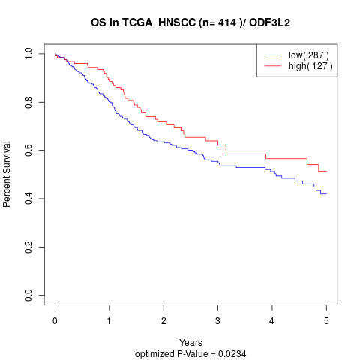

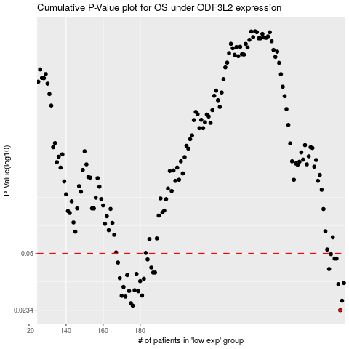

 |  |  |  |  |  | cases_OS | p_OS | rank | exp
 |  |  |  |  |  | 288 | 0.0234 | 178 | -0.097359872556
 |  |  |  |  |  | 176 | 0.0249 | 56 | -0.34606360961
 |  |  |  |  |  | 175 | 0.0257 | 25 | -0.34686083918
 |  |  |  |  |  | 289 | 0.0266 | 75 | -0.09484062711
 |  |  |  |  |  | 172 | 0.0281 | 58 | -0.36290109816
 |  |  |  |  |  | 170 | 0.0284 | 226 | -0.36998049675
 |  |  |  |  |  | 181 | 0.0285 | 410 | -0.3338181634
 |  |  |  |  |  | 179 | 0.0302 | 366 | -0.33471106052
 |  |  |  |  |  | 174 | 0.0303 | 381 | -0.35004975747
 |  |  |  |  |  | 177 | 0.0306 | 265 | -0.34188612666
 |  |  |  |  |  | 171 | 0.032 | 351 | -0.36353888181
 |  |  |  |  |  | 287 | 0.0332 | 148 | -0.09818899131
 |  |  |  |  |  | 290 | 0.0337 | 220 | -0.085943545095
 |  |  |  |  |  | 180 | 0.0346 | 160 | -0.33394572013
 |  |  |  |  |  | 182 | 0.0357 | 225 | -0.33359493912
 |  |  |  |  |  | 169 | 0.036 | 189 | -0.37004427512
 |  |  |  |  |  | 173 | 0.0375 | 139 | -0.35173988416
 |  |  |  |  |  | 178 | 0.0381 | 400 | -0.33751730861
 |  |  |  |  |  | 187 | 0.0388 | 107 | -0.32354984652
 |  |  |  |  |  | 188 | 0.0388 | 208 | -0.32354984652
 |  |  |  |  |  | 282 | 0.0407 | 328 | -0.11563237433
 |  |  |  |  |  | 186 | 0.0415 | 98 | -0.3267387648
 |  |  |  |  |  | 168 | 0.0444 | 128 | -0.37383908787
 |  |  |  |  |  | 184 | 0.0463 | 138 | -0.33037413165
 |  |  |  |  |  | 285 | 0.0468 | 333 | -0.10306803629
 |  |  |  |  |  | 286 | 0.0468 | 389 | -0.10115468532
 |  |  |  |  |  | 283 | 0.0497 | 242 | -0.11391035845
 |  |  |  |  |  |  | cases_RFS | p_RFS | rank | exp
 |  |  |  |  |  |  | 287 | 0.0234 | 148 | -0.09818899131
 |  |  |  |  |  |  | 175 | 0.0249 | 25 | -0.34686083918
 |  |  |  |  |  |  | 174 | 0.0257 | 381 | -0.35004975747
 |  |  |  |  |  |  | 288 | 0.0266 | 178 | -0.097359872556
 |  |  |  |  |  |  | 171 | 0.0281 | 351 | -0.36353888181
 |  |  |  |  |  |  | 169 | 0.0284 | 189 | -0.37004427512
 |  |  |  |  |  |  | 180 | 0.0285 | 160 | -0.33394572013
 |  |  |  |  |  |  | 178 | 0.0302 | 400 | -0.33751730861
 |  |  |  |  |  |  | 173 | 0.0303 | 139 | -0.35173988416
 |  |  |  |  |  |  | 176 | 0.0306 | 56 | -0.34606360961
 |  |  |  |  |  |  | 170 | 0.032 | 226 | -0.36998049675
 |  |  |  |  |  |  | 286 | 0.0332 | 389 | -0.10115468532
 |  |  |  |  |  |  | 289 | 0.0337 | 75 | -0.09484062711
 |  |  |  |  |  |  | 179 | 0.0346 | 366 | -0.33471106052
 |  |  |  |  |  |  | 181 | 0.0357 | 410 | -0.3338181634
 |  |  |  |  |  |  | 168 | 0.036 | 128 | -0.37383908787
 |  |  |  |  |  |  | 172 | 0.0375 | 58 | -0.36290109816
 |  |  |  |  |  |  | 177 | 0.0381 | 265 | -0.34188612666
 |  |  |  |  |  |  | 186 | 0.0388 | 98 | -0.3267387648
 |  |  |  |  |  |  | 187 | 0.0388 | 107 | -0.32354984652
 |  |  |  |  |  |  | 281 | 0.0407 | 373 | -0.12248854864
 |  |  |  |  |  |  | 185 | 0.0415 | 232 | -0.33024657492
 |  |  |  |  |  |  | 167 | 0.0444 | 382 | -0.37492332009
 |  |  |  |  |  |  | 183 | 0.0463 | 415 | -0.33346738239
 |  |  |  |  |  |  | 284 | 0.0468 | 221 | -0.10692662741
 |  |  |  |  |  |  | 285 | 0.0468 | 333 | -0.10306803629
 |  |  |  |  |  |  | 282 | 0.0497 | 328 | -0.11563237433

