ODZ3 _multivariate
Reported by Tex Li-Hsing Chi. tex@gate.sinica.edu.tw 2019-08-17

Table 2. The clinicopathological features of HNSCC cohort and ODZ3 expression. (Chi square test)
Cutoff at -0.178 (50.0%)
 |  | ODZ3 expression |  | ODZ3 expression |  | (Optimised)
 | Features | Low | (%) | High | (%) | Case no | P-value | Remark | Matthews
Gender | Female | 151 | 36.4 | 155 | 37.3 | 415 | 0.8007 | 0 | 0
2 | Male | 56 | 13.5 | 53 | 12.8
Age at diagnosis | <=65y | 132 | 31.8 | 142 | 34.2 | 415 | 0.3874 | 0 | 0
4 | >65y | 75 | 18.1 | 66 | 15.9
Clinical T Status | T1+T2 | 74 | 17.8 | 75 | 18.1 | 415 | 1 | 0 | 0
6 | T3+T4 | 133 | 32 | 133 | 32
Clinical N Status | N0 | 115 | 27.7 | 101 | 24.3 | 415 | 0.184 | 1 | 0
8 | N1-3 | 92 | 22.2 | 107 | 25.8
Clinical M Status | M0 | 205 | 49.4 | 207 | 49.9 | 415 | 0.6232 | 0 | 0
10 | M1 | 2 | 0.5 | 1 | 0.2
Clinical Stage | Stage I+II | 47 | 11.3 | 55 | 13.3 | 415 | 0.4413 | 0 | 0
12 | Stage III+IV | 160 | 38.6 | 153 | 36.9
Surgical Margin status | Negative | 154 | 37.1 | 164 | 39.5 | 415 | 0.2984 | 0 | 0
14 | Positive | 53 | 12.8 | 44 | 10.6
Tobacco Exposure | Low | 76 | 18.3 | 85 | 20.5 | 415 | 0.4207 | 0 | 0
16 | High | 131 | 31.6 | 123 | 29.6

Table 3. Univariate/Multivariate Cox's proportional hazards regression analyses on OS time of ODZ3 gene expression in HNSCC

 |  | Univariate |  |  |  | Multivariate
 | Features | HR | CI95%(L) | CI95%(H) | P-value | HR | CI95%(L) | CI95%(H) | P-value
1 | Female | 1 |  |  |  | 1
Gender | Male | 1.157 | 0.843 | 1.587 | 0.367 | 1.216 | 0.87 | 1.699 | 0.253
11 | <=65y | 1 |  |  |  | 1
Age at diagnosis | >65y | 1.329 | 0.99 | 1.784 | 0.058 | 1.389 | 1.022 | 1.889 | 0.036
12 | T1+T2 | 1 |  |  |  | 1
Clinical T Status | T3+T4 | 1.409 | 1.028 | 1.931 | 0.033 | 2.17 | 1.147 | 4.105 | 0.017
13 | N0 | 1 |  |  |  | 1
Clinical N Status | N1-3 | 1.185 | 0.89 | 1.577 | 0.246 | 1.217 | 0.851 | 1.74 | 0.282
14 | M0 | 1 |  |  |  | 1
Clinical M Status | M1 | 4.097 | 1.009 | 16.644 | 0.049 | 9.492 | 2.07 | 43.518 | 0.004
15 | Stage I+II | 1 |  |  |  | 1
Clinical Stage | Stage III+IV | 1.245 | 0.882 | 1.759 | 0.213 | 0.523 | 0.243 | 1.127 | 0.098
16 | Negative | 1 |  |  |  | 1
Surgical Margin status | Positive | 1.591 | 1.155 | 2.191 | 0.004 | 1.693 | 1.225 | 2.342 | 0.001
17 | Low | 1 |  |  |  | 1
Tobacco Exposure | High | 1.364 | 1.008 | 1.844 | 0.044 | 1.473 | 1.067 | 2.031 | 0.018
18 | Low | 1 |  |  |  | 1
RNAseq(z-score) | High | 1.088 | 0.816 | 1.45 | 0.565 | 1.155 | 0.862 | 1.548 | 0.334

Table 4. Univariate/Multivariate Cox's proportional hazards regression analyses on RFS time of ODZ3 gene expression in HNSCC

 |  | Univariate |  |  |  | Multivariate
 | Features | HR | CI95%(L) | CI95%(H) | P-value | HR | CI95%(L) | CI95%(H) | P-value
1 | Female | 1 |  |  |  | 1
Gender | Male | 1.157 | 0.843 | 1.587 | 0.367 | 1.216 | 0.87 | 1.699 | 0.253
11 | <=65y | 1 |  |  |  | 1
Age at diagnosis | >65y | 1.329 | 0.99 | 1.784 | 0.058 | 1.389 | 1.022 | 1.889 | 0.036
12 | T1+T2 | 1 |  |  |  | 1
Clinical T Status | T3+T4 | 1.409 | 1.028 | 1.931 | 0.033 | 2.17 | 1.147 | 4.105 | 0.017
13 | N0 | 1 |  |  |  | 1
Clinical N Status | N1-3 | 1.185 | 0.89 | 1.577 | 0.246 | 1.217 | 0.851 | 1.74 | 0.282
14 | M0 | 1 |  |  |  | 1
Clinical M Status | M1 | 4.097 | 1.009 | 16.644 | 0.049 | 9.492 | 2.07 | 43.518 | 0.004
15 | Stage I+II | 1 |  |  |  | 1
Clinical Stage | Stage III+IV | 1.245 | 0.882 | 1.759 | 0.213 | 0.523 | 0.243 | 1.127 | 0.098
16 | Negative | 1 |  |  |  | 1
Surgical Margin status | Positive | 1.591 | 1.155 | 2.191 | 0.004 | 1.693 | 1.225 | 2.342 | 0.001
17 | Low | 1 |  |  |  | 1
Tobacco Exposure | High | 1.364 | 1.008 | 1.844 | 0.044 | 1.473 | 1.067 | 2.031 | 0.018
18 | Low | 1 |  |  |  | 1
RNAseq(z-score) | High | 1.088 | 0.816 | 1.45 | 0.565 | 1.155 | 0.862 | 1.548 | 0.334

Kaplan-Meier survival estimate: Cutoff at -0.178 (50.0%)

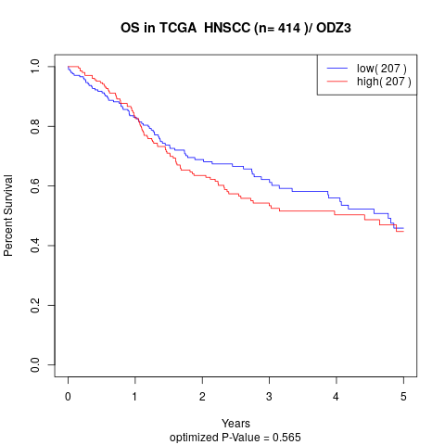

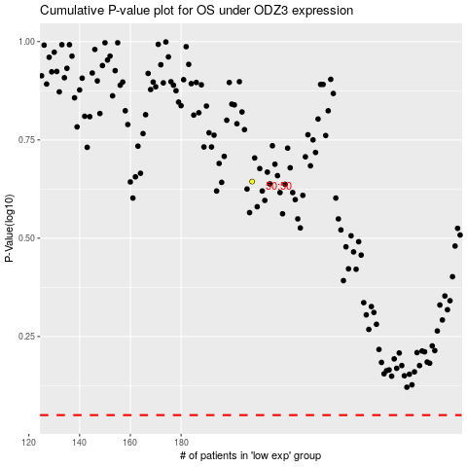

 |  |  |  |  |  | cases_OS | p_OS | rank | exp
 |  |  |  |  |  |  | cases_RFS | p_RFS | rank | exp

