OGDH _multivariate
Reported by Tex Li-Hsing Chi. tex@gate.sinica.edu.tw 2019-08-17

Table 2. The clinicopathological features of HNSCC cohort and OGDH expression. (Chi square test)
Cutoff at -0.177 (50.0%)
 |  | OGDH expression |  | OGDH expression |  | (Optimised)
 | Features | Low | (%) | High | (%) | Case no | P-value | Remark | Matthews
Gender | Female | 157 | 37.8 | 149 | 35.9 | 415 | 0.3881 | 0 | 0
2 | Male | 50 | 12 | 59 | 14.2
Age at diagnosis | <=65y | 137 | 33 | 137 | 33 | 415 | 1 | 0 | 0
4 | >65y | 70 | 16.9 | 71 | 17.1
Clinical T Status | T1+T2 | 72 | 17.3 | 77 | 18.6 | 415 | 0.7095 | 0 | 0
6 | T3+T4 | 135 | 32.5 | 131 | 31.6
Clinical N Status | N0 | 106 | 25.5 | 110 | 26.5 | 415 | 0.8075 | 0 | 0
8 | N1-3 | 101 | 24.3 | 98 | 23.6
Clinical M Status | M0 | 206 | 49.6 | 206 | 49.6 | 415 | 1 | 0 | 0
10 | M1 | 1 | 0.2 | 2 | 0.5
Clinical Stage | Stage I+II | 49 | 11.8 | 53 | 12.8 | 415 | 0.7535 | 0 | 0
12 | Stage III+IV | 158 | 38.1 | 155 | 37.3
Surgical Margin status | Negative | 144 | 34.7 | 174 | 41.9 | 415 | 8e-04 | 1 | 0
14 | Positive | 63 | 15.2 | 34 | 8.2
Tobacco Exposure | Low | 68 | 16.4 | 93 | 22.4 | 415 | 0.0156 | 1 | 0
16 | High | 139 | 33.5 | 115 | 27.7

Table 3. Univariate/Multivariate Cox's proportional hazards regression analyses on OS time of OGDH gene expression in HNSCC

 |  | Univariate |  |  |  | Multivariate
 | Features | HR | CI95%(L) | CI95%(H) | P-value | HR | CI95%(L) | CI95%(H) | P-value
1 | Female | 1 |  |  |  | 1
Gender | Male | 1.157 | 0.843 | 1.587 | 0.367 | 1.201 | 0.86 | 1.677 | 0.282
11 | <=65y | 1 |  |  |  | 1
Age at diagnosis | >65y | 1.329 | 0.99 | 1.784 | 0.058 | 1.386 | 1.019 | 1.885 | 0.038
12 | T1+T2 | 1 |  |  |  | 1
Clinical T Status | T3+T4 | 1.409 | 1.028 | 1.931 | 0.033 | 2.215 | 1.172 | 4.189 | 0.014
13 | N0 | 1 |  |  |  | 1
Clinical N Status | N1-3 | 1.185 | 0.89 | 1.577 | 0.246 | 1.249 | 0.875 | 1.783 | 0.221
14 | M0 | 1 |  |  |  | 1
Clinical M Status | M1 | 4.097 | 1.009 | 16.644 | 0.049 | 9.144 | 1.991 | 41.995 | 0.004
15 | Stage I+II | 1 |  |  |  | 1
Clinical Stage | Stage III+IV | 1.245 | 0.882 | 1.759 | 0.213 | 0.5 | 0.233 | 1.075 | 0.076
16 | Negative | 1 |  |  |  | 1
Surgical Margin status | Positive | 1.591 | 1.155 | 2.191 | 0.004 | 1.716 | 1.232 | 2.391 | 0.001
17 | Low | 1 |  |  |  | 1
Tobacco Exposure | High | 1.364 | 1.008 | 1.844 | 0.044 | 1.47 | 1.065 | 2.029 | 0.019
18 | Low | 1 |  |  |  | 1
RNAseq(z-score) | High | 0.992 | 0.744 | 1.321 | 0.954 | 1.114 | 0.827 | 1.5 | 0.479

Table 4. Univariate/Multivariate Cox's proportional hazards regression analyses on RFS time of OGDH gene expression in HNSCC

 |  | Univariate |  |  |  | Multivariate
 | Features | HR | CI95%(L) | CI95%(H) | P-value | HR | CI95%(L) | CI95%(H) | P-value
1 | Female | 1 |  |  |  | 1
Gender | Male | 1.157 | 0.843 | 1.587 | 0.367 | 1.201 | 0.86 | 1.677 | 0.282
11 | <=65y | 1 |  |  |  | 1
Age at diagnosis | >65y | 1.329 | 0.99 | 1.784 | 0.058 | 1.386 | 1.019 | 1.885 | 0.038
12 | T1+T2 | 1 |  |  |  | 1
Clinical T Status | T3+T4 | 1.409 | 1.028 | 1.931 | 0.033 | 2.215 | 1.172 | 4.189 | 0.014
13 | N0 | 1 |  |  |  | 1
Clinical N Status | N1-3 | 1.185 | 0.89 | 1.577 | 0.246 | 1.249 | 0.875 | 1.783 | 0.221
14 | M0 | 1 |  |  |  | 1
Clinical M Status | M1 | 4.097 | 1.009 | 16.644 | 0.049 | 9.144 | 1.991 | 41.995 | 0.004
15 | Stage I+II | 1 |  |  |  | 1
Clinical Stage | Stage III+IV | 1.245 | 0.882 | 1.759 | 0.213 | 0.5 | 0.233 | 1.075 | 0.076
16 | Negative | 1 |  |  |  | 1
Surgical Margin status | Positive | 1.591 | 1.155 | 2.191 | 0.004 | 1.716 | 1.232 | 2.391 | 0.001
17 | Low | 1 |  |  |  | 1
Tobacco Exposure | High | 1.364 | 1.008 | 1.844 | 0.044 | 1.47 | 1.065 | 2.029 | 0.019
18 | Low | 1 |  |  |  | 1
RNAseq(z-score) | High | 0.992 | 0.744 | 1.321 | 0.954 | 1.114 | 0.827 | 1.5 | 0.479

Kaplan-Meier survival estimate: Cutoff at -0.177 (50.0%)

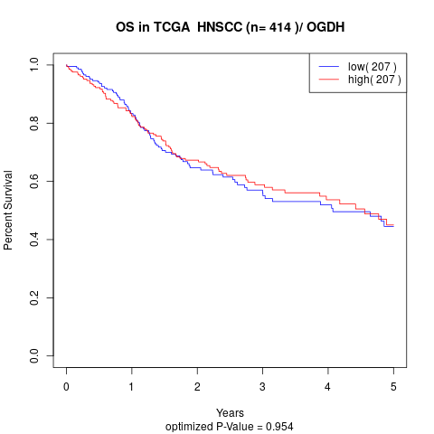

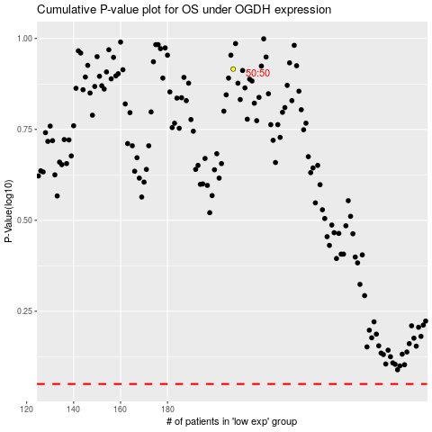

 |  |  |  |  |  | cases_OS | p_OS | rank | exp
 |  |  |  |  |  |  | cases_RFS | p_RFS | rank | exp

