OGDHL _multivariate
Reported by Tex Li-Hsing Chi. tex@gate.sinica.edu.tw 2019-08-17

Table 2. The clinicopathological features of HNSCC cohort and OGDHL expression. (Chi square test)
Cutoff at -0.353 (49.8%)
 |  | OGDHL expression |  | OGDHL expression |  | (Optimised)
 | Features | Low | (%) | High | (%) | Case no | P-value | Remark | Matthews
Gender | Female | 138 | 33.3 | 168 | 40.5 | 415 | 0.0016 | 1 | 0
2 | Male | 69 | 16.6 | 40 | 9.6
Age at diagnosis | <=65y | 134 | 32.3 | 140 | 33.7 | 415 | 0.6529 | 0 | 0
4 | >65y | 73 | 17.6 | 68 | 16.4
Clinical T Status | T1+T2 | 77 | 18.6 | 72 | 17.3 | 415 | 0.6556 | 0 | 0
6 | T3+T4 | 130 | 31.3 | 136 | 32.8
Clinical N Status | N0 | 110 | 26.5 | 106 | 25.5 | 415 | 0.7294 | 0 | 0
8 | N1-3 | 97 | 23.4 | 102 | 24.6
Clinical M Status | M0 | 205 | 49.4 | 207 | 49.9 | 415 | 0.6232 | 0 | 0
10 | M1 | 2 | 0.5 | 1 | 0.2
Clinical Stage | Stage I+II | 58 | 14 | 44 | 10.6 | 415 | 0.131 | 0 | 0
12 | Stage III+IV | 149 | 35.9 | 164 | 39.5
Surgical Margin status | Negative | 161 | 38.8 | 157 | 37.8 | 415 | 0.6429 | 0 | 0
14 | Positive | 46 | 11.1 | 51 | 12.3
Tobacco Exposure | Low | 95 | 22.9 | 66 | 15.9 | 415 | 0.0035 | 1 | 0
16 | High | 112 | 27 | 142 | 34.2

Table 3. Univariate/Multivariate Cox's proportional hazards regression analyses on OS time of OGDHL gene expression in HNSCC

 |  | Univariate |  |  |  | Multivariate
 | Features | HR | CI95%(L) | CI95%(H) | P-value | HR | CI95%(L) | CI95%(H) | P-value
1 | Female | 1 |  |  |  | 1
Gender | Male | 1.157 | 0.843 | 1.587 | 0.367 | 1.179 | 0.842 | 1.652 | 0.338
11 | <=65y | 1 |  |  |  | 1
Age at diagnosis | >65y | 1.329 | 0.99 | 1.784 | 0.058 | 1.392 | 1.024 | 1.894 | 0.035
12 | T1+T2 | 1 |  |  |  | 1
Clinical T Status | T3+T4 | 1.409 | 1.028 | 1.931 | 0.033 | 2.137 | 1.126 | 4.056 | 0.02
13 | N0 | 1 |  |  |  | 1
Clinical N Status | N1-3 | 1.185 | 0.89 | 1.577 | 0.246 | 1.227 | 0.859 | 1.752 | 0.261
14 | M0 | 1 |  |  |  | 1
Clinical M Status | M1 | 4.097 | 1.009 | 16.644 | 0.049 | 8.992 | 1.956 | 41.348 | 0.005
15 | Stage I+II | 1 |  |  |  | 1
Clinical Stage | Stage III+IV | 1.245 | 0.882 | 1.759 | 0.213 | 0.525 | 0.243 | 1.134 | 0.101
16 | Negative | 1 |  |  |  | 1
Surgical Margin status | Positive | 1.591 | 1.155 | 2.191 | 0.004 | 1.67 | 1.209 | 2.307 | 0.002
17 | Low | 1 |  |  |  | 1
Tobacco Exposure | High | 1.364 | 1.008 | 1.844 | 0.044 | 1.471 | 1.066 | 2.029 | 0.019
18 | Low | 1 |  |  |  | 1
RNAseq(z-score) | High | 0.864 | 0.648 | 1.151 | 0.317 | 0.879 | 0.654 | 1.181 | 0.391

Table 4. Univariate/Multivariate Cox's proportional hazards regression analyses on RFS time of OGDHL gene expression in HNSCC

 |  | Univariate |  |  |  | Multivariate
 | Features | HR | CI95%(L) | CI95%(H) | P-value | HR | CI95%(L) | CI95%(H) | P-value
1 | Female | 1 |  |  |  | 1
Gender | Male | 1.157 | 0.843 | 1.587 | 0.367 | 1.179 | 0.842 | 1.652 | 0.338
11 | <=65y | 1 |  |  |  | 1
Age at diagnosis | >65y | 1.329 | 0.99 | 1.784 | 0.058 | 1.392 | 1.024 | 1.894 | 0.035
12 | T1+T2 | 1 |  |  |  | 1
Clinical T Status | T3+T4 | 1.409 | 1.028 | 1.931 | 0.033 | 2.137 | 1.126 | 4.056 | 0.02
13 | N0 | 1 |  |  |  | 1
Clinical N Status | N1-3 | 1.185 | 0.89 | 1.577 | 0.246 | 1.227 | 0.859 | 1.752 | 0.261
14 | M0 | 1 |  |  |  | 1
Clinical M Status | M1 | 4.097 | 1.009 | 16.644 | 0.049 | 8.992 | 1.956 | 41.348 | 0.005
15 | Stage I+II | 1 |  |  |  | 1
Clinical Stage | Stage III+IV | 1.245 | 0.882 | 1.759 | 0.213 | 0.525 | 0.243 | 1.134 | 0.101
16 | Negative | 1 |  |  |  | 1
Surgical Margin status | Positive | 1.591 | 1.155 | 2.191 | 0.004 | 1.67 | 1.209 | 2.307 | 0.002
17 | Low | 1 |  |  |  | 1
Tobacco Exposure | High | 1.364 | 1.008 | 1.844 | 0.044 | 1.471 | 1.066 | 2.029 | 0.019
18 | Low | 1 |  |  |  | 1
RNAseq(z-score) | High | 0.864 | 0.648 | 1.151 | 0.317 | 0.879 | 0.654 | 1.181 | 0.391

Kaplan-Meier survival estimate: Cutoff at -0.353 (49.8%)



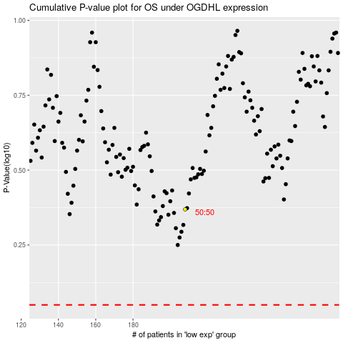

 |  |  |  |  |  | cases_OS | p_OS | rank | exp
 |  |  |  |  |  |  | cases_RFS | p_RFS | rank | exp

