OGFOD2 _multivariate
Reported by Tex Li-Hsing Chi. tex@gate.sinica.edu.tw 2019-08-17

Table 2. The clinicopathological features of HNSCC cohort and OGFOD2 expression. (Chi square test)
Cutoff at 0.226 (69.6%)
 |  | OGFOD2 expression |  | OGFOD2 expression |  | (Optimised)
 | Features | Low | (%) | High | (%) | Case no | P-value | Remark | Matthews
Gender | Female | 204 | 49.2 | 102 | 24.6 | 415 | 0.0371 | 1 | 0
2 | Male | 85 | 20.5 | 24 | 5.8
Age at diagnosis | <=65y | 189 | 45.5 | 85 | 20.5 | 415 | 0.7678 | 0 | 0
4 | >65y | 100 | 24.1 | 41 | 9.9
Clinical T Status | T1+T2 | 103 | 24.8 | 46 | 11.1 | 415 | 0.9536 | 0 | 0
6 | T3+T4 | 186 | 44.8 | 80 | 19.3
Clinical N Status | N0 | 149 | 35.9 | 67 | 16.1 | 415 | 0.8443 | 0 | 0
8 | N1-3 | 140 | 33.7 | 59 | 14.2
Clinical M Status | M0 | 288 | 69.4 | 124 | 29.9 | 415 | 0.22 | 0 | 0
10 | M1 | 1 | 0.2 | 2 | 0.5
Clinical Stage | Stage I+II | 77 | 18.6 | 25 | 6 | 415 | 0.1751 | 0 | 0
12 | Stage III+IV | 212 | 51.1 | 101 | 24.3
Surgical Margin status | Negative | 229 | 55.2 | 89 | 21.4 | 415 | 0.0598 | 0 | 0
14 | Positive | 60 | 14.5 | 37 | 8.9
Tobacco Exposure | Low | 108 | 26 | 53 | 12.8 | 415 | 0.3823 | 0 | 0
16 | High | 181 | 43.6 | 73 | 17.6

Table 3. Univariate/Multivariate Cox's proportional hazards regression analyses on OS time of OGFOD2 gene expression in HNSCC

 |  | Univariate |  |  |  | Multivariate
 | Features | HR | CI95%(L) | CI95%(H) | P-value | HR | CI95%(L) | CI95%(H) | P-value
1 | Female | 1 |  |  |  | 1
Gender | Male | 1.157 | 0.843 | 1.587 | 0.367 | 1.155 | 0.828 | 1.612 | 0.397
11 | <=65y | 1 |  |  |  | 1
Age at diagnosis | >65y | 1.329 | 0.99 | 1.784 | 0.058 | 1.399 | 1.03 | 1.899 | 0.032
12 | T1+T2 | 1 |  |  |  | 1
Clinical T Status | T3+T4 | 1.409 | 1.028 | 1.931 | 0.033 | 2.12 | 1.121 | 4.012 | 0.021
13 | N0 | 1 |  |  |  | 1
Clinical N Status | N1-3 | 1.185 | 0.89 | 1.577 | 0.246 | 1.215 | 0.851 | 1.734 | 0.284
14 | M0 | 1 |  |  |  | 1
Clinical M Status | M1 | 4.097 | 1.009 | 16.644 | 0.049 | 10.24 | 2.231 | 47.013 | 0.003
15 | Stage I+II | 1 |  |  |  | 1
Clinical Stage | Stage III+IV | 1.245 | 0.882 | 1.759 | 0.213 | 0.557 | 0.258 | 1.202 | 0.136
16 | Negative | 1 |  |  |  | 1
Surgical Margin status | Positive | 1.591 | 1.155 | 2.191 | 0.004 | 1.732 | 1.253 | 2.395 | 0.001
17 | Low | 1 |  |  |  | 1
Tobacco Exposure | High | 1.364 | 1.008 | 1.844 | 0.044 | 1.401 | 1.019 | 1.926 | 0.038
18 | Low | 1 |  |  |  | 1
RNAseq(z-score) | High | 0.673 | 0.483 | 0.938 | 0.019 | 0.655 | 0.467 | 0.919 | 0.014

Table 4. Univariate/Multivariate Cox's proportional hazards regression analyses on RFS time of OGFOD2 gene expression in HNSCC

 |  | Univariate |  |  |  | Multivariate
 | Features | HR | CI95%(L) | CI95%(H) | P-value | HR | CI95%(L) | CI95%(H) | P-value
1 | Female | 1 |  |  |  | 1
Gender | Male | 1.157 | 0.843 | 1.587 | 0.367 | 1.155 | 0.828 | 1.612 | 0.397
11 | <=65y | 1 |  |  |  | 1
Age at diagnosis | >65y | 1.329 | 0.99 | 1.784 | 0.058 | 1.399 | 1.03 | 1.899 | 0.032
12 | T1+T2 | 1 |  |  |  | 1
Clinical T Status | T3+T4 | 1.409 | 1.028 | 1.931 | 0.033 | 2.12 | 1.121 | 4.012 | 0.021
13 | N0 | 1 |  |  |  | 1
Clinical N Status | N1-3 | 1.185 | 0.89 | 1.577 | 0.246 | 1.215 | 0.851 | 1.734 | 0.284
14 | M0 | 1 |  |  |  | 1
Clinical M Status | M1 | 4.097 | 1.009 | 16.644 | 0.049 | 10.24 | 2.231 | 47.013 | 0.003
15 | Stage I+II | 1 |  |  |  | 1
Clinical Stage | Stage III+IV | 1.245 | 0.882 | 1.759 | 0.213 | 0.557 | 0.258 | 1.202 | 0.136
16 | Negative | 1 |  |  |  | 1
Surgical Margin status | Positive | 1.591 | 1.155 | 2.191 | 0.004 | 1.732 | 1.253 | 2.395 | 0.001
17 | Low | 1 |  |  |  | 1
Tobacco Exposure | High | 1.364 | 1.008 | 1.844 | 0.044 | 1.401 | 1.019 | 1.926 | 0.038
18 | Low | 1 |  |  |  | 1
RNAseq(z-score) | High | 0.673 | 0.483 | 0.938 | 0.019 | 0.655 | 0.467 | 0.919 | 0.014

Kaplan-Meier survival estimate: Cutoff at 0.226 (69.6%)

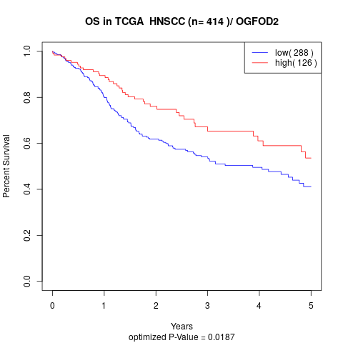

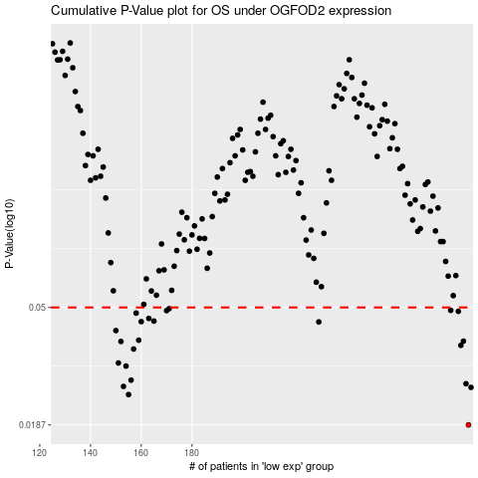

 |  |  |  |  |  | cases_OS | p_OS | rank | exp
 |  |  |  |  |  | 289 | 0.0187 | 396 | 0.22602173617
 |  |  |  |  |  | 155 | 0.0241 | 307 | -0.43738972281
 |  |  |  |  |  | 290 | 0.0256 | 103 | 0.22612266212
 |  |  |  |  |  | 153 | 0.0258 | 310 | -0.44036380334
 |  |  |  |  |  | 288 | 0.0264 | 364 | 0.22574742463
 |  |  |  |  |  | 156 | 0.0272 | 105 | -0.42843383924
 |  |  |  |  |  | 154 | 0.0306 | 206 | -0.43797134091
 |  |  |  |  |  | 151 | 0.0314 | 47 | -0.45015361988
 |  |  |  |  |  | 157 | 0.0353 | 321 | -0.41678853805
 |  |  |  |  |  | 286 | 0.0364 | 20 | 0.20634247109
 |  |  |  |  |  | 152 | 0.0376 | 281 | -0.44791448724
 |  |  |  |  |  | 287 | 0.0377 | 389 | 0.20936313282
 |  |  |  |  |  | 159 | 0.038 | 96 | -0.413839689
 |  |  |  |  |  | 150 | 0.0412 | 125 | -0.45305200595
 |  |  |  |  |  | 230 | 0.0443 | 32 | -0.1448707553
 |  |  |  |  |  | 160 | 0.0444 | 292 | -0.4113767078
 |  |  |  |  |  | 165 | 0.0446 | 129 | -0.38983419453
 |  |  |  |  |  | 163 | 0.0456 | 75 | -0.40260391424
 |  |  |  |  |  | 158 | 0.0477 | 77 | -0.416606095
 |  |  |  |  |  | 285 | 0.0484 | 339 | 0.19475863121
 |  |  |  |  |  | 170 | 0.0487 | 345 | -0.36845471547
 |  |  |  |  |  | 282 | 0.0488 | 383 | 0.16855929138
 |  |  |  |  |  | 171 | 0.0495 | 311 | -0.36558803049
 |  |  |  |  |  |  | cases_RFS | p_RFS | rank | exp
 |  |  |  |  |  |  | 288 | 0.0187 | 364 | 0.22574742463
 |  |  |  |  |  |  | 154 | 0.0241 | 206 | -0.43797134091
 |  |  |  |  |  |  | 289 | 0.0256 | 396 | 0.22602173617
 |  |  |  |  |  |  | 152 | 0.0258 | 281 | -0.44791448724
 |  |  |  |  |  |  | 287 | 0.0264 | 389 | 0.20936313282
 |  |  |  |  |  |  | 155 | 0.0272 | 307 | -0.43738972281
 |  |  |  |  |  |  | 153 | 0.0306 | 310 | -0.44036380334
 |  |  |  |  |  |  | 150 | 0.0314 | 125 | -0.45305200595
 |  |  |  |  |  |  | 156 | 0.0353 | 105 | -0.42843383924
 |  |  |  |  |  |  | 285 | 0.0364 | 339 | 0.19475863121
 |  |  |  |  |  |  | 151 | 0.0376 | 47 | -0.45015361988
 |  |  |  |  |  |  | 286 | 0.0377 | 20 | 0.20634247109
 |  |  |  |  |  |  | 158 | 0.038 | 77 | -0.416606095
 |  |  |  |  |  |  | 149 | 0.0412 | 239 | -0.45417448359
 |  |  |  |  |  |  | 229 | 0.0443 | 99 | -0.15785332524
 |  |  |  |  |  |  | 159 | 0.0444 | 96 | -0.413839689
 |  |  |  |  |  |  | 164 | 0.0446 | 208 | -0.39492448507
 |  |  |  |  |  |  | 162 | 0.0456 | 85 | -0.40431447959
 |  |  |  |  |  |  | 157 | 0.0477 | 321 | -0.41678853805
 |  |  |  |  |  |  | 284 | 0.0484 | 114 | 0.19168168385
 |  |  |  |  |  |  | 169 | 0.0487 | 250 | -0.37799609891
 |  |  |  |  |  |  | 281 | 0.0488 | 138 | 0.16800419869
 |  |  |  |  |  |  | 170 | 0.0495 | 345 | -0.36845471547

