OGFR _multivariate
Reported by Tex Li-Hsing Chi. tex@gate.sinica.edu.tw 2019-08-17

Table 2. The clinicopathological features of HNSCC cohort and OGFR expression. (Chi square test)
Cutoff at -0.173 (49.8%)
 |  | OGFR expression |  | OGFR expression |  | (Optimised)
 | Features | Low | (%) | High | (%) | Case no | P-value | Remark | Matthews
Gender | Female | 158 | 38.1 | 148 | 35.7 | 415 | 0.2774 | 0 | 0
2 | Male | 49 | 11.8 | 60 | 14.5
Age at diagnosis | <=65y | 144 | 34.7 | 130 | 31.3 | 415 | 0.1568 | 0 | 0
4 | >65y | 63 | 15.2 | 78 | 18.8
Clinical T Status | T1+T2 | 75 | 18.1 | 74 | 17.8 | 415 | 0.9707 | 0 | 0
6 | T3+T4 | 132 | 31.8 | 134 | 32.3
Clinical N Status | N0 | 115 | 27.7 | 101 | 24.3 | 415 | 0.184 | 1 | 0
8 | N1-3 | 92 | 22.2 | 107 | 25.8
Clinical M Status | M0 | 207 | 49.9 | 205 | 49.4 | 415 | 0.2482 | 0 | 0
10 | M1 | 0 | 0 | 3 | 0.7
Clinical Stage | Stage I+II | 53 | 12.8 | 49 | 11.8 | 415 | 0.7113 | 0 | 0
12 | Stage III+IV | 154 | 37.1 | 159 | 38.3
Surgical Margin status | Negative | 163 | 39.3 | 155 | 37.3 | 415 | 0.3537 | 0 | 0
14 | Positive | 44 | 10.6 | 53 | 12.8
Tobacco Exposure | Low | 73 | 17.6 | 88 | 21.2 | 415 | 0.1587 | 0 | 0
16 | High | 134 | 32.3 | 120 | 28.9

Table 3. Univariate/Multivariate Cox's proportional hazards regression analyses on OS time of OGFR gene expression in HNSCC

 |  | Univariate |  |  |  | Multivariate
 | Features | HR | CI95%(L) | CI95%(H) | P-value | HR | CI95%(L) | CI95%(H) | P-value
1 | Female | 1 |  |  |  | 1
Gender | Male | 1.157 | 0.843 | 1.587 | 0.367 | 1.198 | 0.856 | 1.676 | 0.291
11 | <=65y | 1 |  |  |  | 1
Age at diagnosis | >65y | 1.329 | 0.99 | 1.784 | 0.058 | 1.39 | 1.022 | 1.89 | 0.036
12 | T1+T2 | 1 |  |  |  | 1
Clinical T Status | T3+T4 | 1.409 | 1.028 | 1.931 | 0.033 | 2.199 | 1.163 | 4.158 | 0.015
13 | N0 | 1 |  |  |  | 1
Clinical N Status | N1-3 | 1.185 | 0.89 | 1.577 | 0.246 | 1.235 | 0.863 | 1.767 | 0.248
14 | M0 | 1 |  |  |  | 1
Clinical M Status | M1 | 4.097 | 1.009 | 16.644 | 0.049 | 9.251 | 2.002 | 42.743 | 0.004
15 | Stage I+II | 1 |  |  |  | 1
Clinical Stage | Stage III+IV | 1.245 | 0.882 | 1.759 | 0.213 | 0.507 | 0.236 | 1.089 | 0.082
16 | Negative | 1 |  |  |  | 1
Surgical Margin status | Positive | 1.591 | 1.155 | 2.191 | 0.004 | 1.666 | 1.203 | 2.305 | 0.002
17 | Low | 1 |  |  |  | 1
Tobacco Exposure | High | 1.364 | 1.008 | 1.844 | 0.044 | 1.457 | 1.056 | 2.01 | 0.022
18 | Low | 1 |  |  |  | 1
RNAseq(z-score) | High | 1.115 | 0.834 | 1.49 | 0.463 | 1.032 | 0.766 | 1.392 | 0.835

Table 4. Univariate/Multivariate Cox's proportional hazards regression analyses on RFS time of OGFR gene expression in HNSCC

 |  | Univariate |  |  |  | Multivariate
 | Features | HR | CI95%(L) | CI95%(H) | P-value | HR | CI95%(L) | CI95%(H) | P-value
1 | Female | 1 |  |  |  | 1
Gender | Male | 1.157 | 0.843 | 1.587 | 0.367 | 1.198 | 0.856 | 1.676 | 0.291
11 | <=65y | 1 |  |  |  | 1
Age at diagnosis | >65y | 1.329 | 0.99 | 1.784 | 0.058 | 1.39 | 1.022 | 1.89 | 0.036
12 | T1+T2 | 1 |  |  |  | 1
Clinical T Status | T3+T4 | 1.409 | 1.028 | 1.931 | 0.033 | 2.199 | 1.163 | 4.158 | 0.015
13 | N0 | 1 |  |  |  | 1
Clinical N Status | N1-3 | 1.185 | 0.89 | 1.577 | 0.246 | 1.235 | 0.863 | 1.767 | 0.248
14 | M0 | 1 |  |  |  | 1
Clinical M Status | M1 | 4.097 | 1.009 | 16.644 | 0.049 | 9.251 | 2.002 | 42.743 | 0.004
15 | Stage I+II | 1 |  |  |  | 1
Clinical Stage | Stage III+IV | 1.245 | 0.882 | 1.759 | 0.213 | 0.507 | 0.236 | 1.089 | 0.082
16 | Negative | 1 |  |  |  | 1
Surgical Margin status | Positive | 1.591 | 1.155 | 2.191 | 0.004 | 1.666 | 1.203 | 2.305 | 0.002
17 | Low | 1 |  |  |  | 1
Tobacco Exposure | High | 1.364 | 1.008 | 1.844 | 0.044 | 1.457 | 1.056 | 2.01 | 0.022
18 | Low | 1 |  |  |  | 1
RNAseq(z-score) | High | 1.115 | 0.834 | 1.49 | 0.463 | 1.032 | 0.766 | 1.392 | 0.835

Kaplan-Meier survival estimate: Cutoff at -0.173 (49.8%)



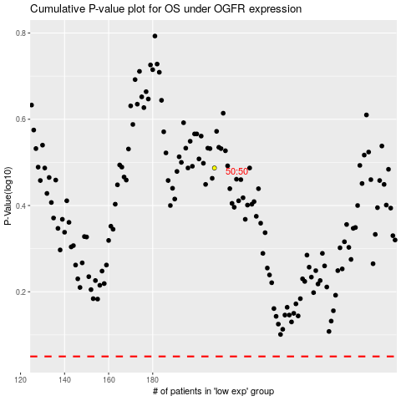

 |  |  |  |  |  | cases_OS | p_OS | rank | exp
 |  |  |  |  |  |  | cases_RFS | p_RFS | rank | exp

