OGFRL1 _multivariate
Reported by Tex Li-Hsing Chi. tex@gate.sinica.edu.tw 2019-08-17

Table 2. The clinicopathological features of HNSCC cohort and OGFRL1 expression. (Chi square test)
Cutoff at -0.31 (49.8%)
 |  | OGFRL1 expression |  | OGFRL1 expression |  | (Optimised)
 | Features | Low | (%) | High | (%) | Case no | P-value | Remark | Matthews
Gender | Female | 155 | 37.3 | 151 | 36.4 | 415 | 0.6768 | 0 | 0
2 | Male | 52 | 12.5 | 57 | 13.7
Age at diagnosis | <=65y | 133 | 32 | 141 | 34 | 415 | 0.5111 | 0 | 0
4 | >65y | 74 | 17.8 | 67 | 16.1
Clinical T Status | T1+T2 | 86 | 20.7 | 63 | 15.2 | 415 | 0.0221 | 1 | 0
6 | T3+T4 | 121 | 29.2 | 145 | 34.9
Clinical N Status | N0 | 119 | 28.7 | 97 | 23.4 | 415 | 0.0345 | 1 | 0
8 | N1-3 | 88 | 21.2 | 111 | 26.7
Clinical M Status | M0 | 205 | 49.4 | 207 | 49.9 | 415 | 0.6232 | 0 | 0
10 | M1 | 2 | 0.5 | 1 | 0.2
Clinical Stage | Stage I+II | 65 | 15.7 | 37 | 8.9 | 415 | 0.0019 | 1 | 0
12 | Stage III+IV | 142 | 34.2 | 171 | 41.2
Surgical Margin status | Negative | 158 | 38.1 | 160 | 38.6 | 415 | 0.9081 | 0 | 0
14 | Positive | 49 | 11.8 | 48 | 11.6
Tobacco Exposure | Low | 95 | 22.9 | 66 | 15.9 | 415 | 0.0035 | 1 | 0
16 | High | 112 | 27 | 142 | 34.2

Table 3. Univariate/Multivariate Cox's proportional hazards regression analyses on OS time of OGFRL1 gene expression in HNSCC

 |  | Univariate |  |  |  | Multivariate
 | Features | HR | CI95%(L) | CI95%(H) | P-value | HR | CI95%(L) | CI95%(H) | P-value
1 | Female | 1 |  |  |  | 1
Gender | Male | 1.157 | 0.843 | 1.587 | 0.367 | 1.2 | 0.859 | 1.678 | 0.285
11 | <=65y | 1 |  |  |  | 1
Age at diagnosis | >65y | 1.329 | 0.99 | 1.784 | 0.058 | 1.393 | 1.024 | 1.896 | 0.035
12 | T1+T2 | 1 |  |  |  | 1
Clinical T Status | T3+T4 | 1.409 | 1.028 | 1.931 | 0.033 | 2.206 | 1.166 | 4.175 | 0.015
13 | N0 | 1 |  |  |  | 1
Clinical N Status | N1-3 | 1.185 | 0.89 | 1.577 | 0.246 | 1.241 | 0.87 | 1.771 | 0.233
14 | M0 | 1 |  |  |  | 1
Clinical M Status | M1 | 4.097 | 1.009 | 16.644 | 0.049 | 9.446 | 2.057 | 43.382 | 0.004
15 | Stage I+II | 1 |  |  |  | 1
Clinical Stage | Stage III+IV | 1.245 | 0.882 | 1.759 | 0.213 | 0.502 | 0.233 | 1.083 | 0.079
16 | Negative | 1 |  |  |  | 1
Surgical Margin status | Positive | 1.591 | 1.155 | 2.191 | 0.004 | 1.674 | 1.21 | 2.315 | 0.002
17 | Low | 1 |  |  |  | 1
Tobacco Exposure | High | 1.364 | 1.008 | 1.844 | 0.044 | 1.45 | 1.05 | 2.002 | 0.024
18 | Low | 1 |  |  |  | 1
RNAseq(z-score) | High | 1.025 | 0.769 | 1.366 | 0.867 | 1.017 | 0.756 | 1.368 | 0.913

Table 4. Univariate/Multivariate Cox's proportional hazards regression analyses on RFS time of OGFRL1 gene expression in HNSCC

 |  | Univariate |  |  |  | Multivariate
 | Features | HR | CI95%(L) | CI95%(H) | P-value | HR | CI95%(L) | CI95%(H) | P-value
1 | Female | 1 |  |  |  | 1
Gender | Male | 1.157 | 0.843 | 1.587 | 0.367 | 1.2 | 0.859 | 1.678 | 0.285
11 | <=65y | 1 |  |  |  | 1
Age at diagnosis | >65y | 1.329 | 0.99 | 1.784 | 0.058 | 1.393 | 1.024 | 1.896 | 0.035
12 | T1+T2 | 1 |  |  |  | 1
Clinical T Status | T3+T4 | 1.409 | 1.028 | 1.931 | 0.033 | 2.206 | 1.166 | 4.175 | 0.015
13 | N0 | 1 |  |  |  | 1
Clinical N Status | N1-3 | 1.185 | 0.89 | 1.577 | 0.246 | 1.241 | 0.87 | 1.771 | 0.233
14 | M0 | 1 |  |  |  | 1
Clinical M Status | M1 | 4.097 | 1.009 | 16.644 | 0.049 | 9.446 | 2.057 | 43.382 | 0.004
15 | Stage I+II | 1 |  |  |  | 1
Clinical Stage | Stage III+IV | 1.245 | 0.882 | 1.759 | 0.213 | 0.502 | 0.233 | 1.083 | 0.079
16 | Negative | 1 |  |  |  | 1
Surgical Margin status | Positive | 1.591 | 1.155 | 2.191 | 0.004 | 1.674 | 1.21 | 2.315 | 0.002
17 | Low | 1 |  |  |  | 1
Tobacco Exposure | High | 1.364 | 1.008 | 1.844 | 0.044 | 1.45 | 1.05 | 2.002 | 0.024
18 | Low | 1 |  |  |  | 1
RNAseq(z-score) | High | 1.025 | 0.769 | 1.366 | 0.867 | 1.017 | 0.756 | 1.368 | 0.913

Kaplan-Meier survival estimate: Cutoff at -0.31 (49.8%)



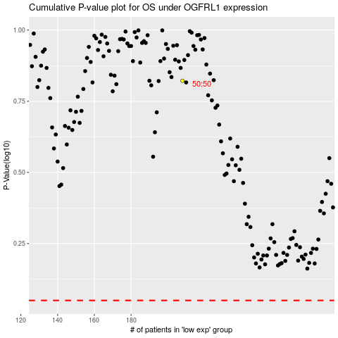

 |  |  |  |  |  | cases_OS | p_OS | rank | exp
 |  |  |  |  |  |  | cases_RFS | p_RFS | rank | exp

