OGG1 _multivariate
Reported by Tex Li-Hsing Chi. tex@gate.sinica.edu.tw 2019-08-17

Table 2. The clinicopathological features of HNSCC cohort and OGG1 expression. (Chi square test)
Cutoff at -0.508 (36.5%)
 |  | OGG1 expression |  | OGG1 expression |  | (Optimised)
 | Features | Low | (%) | High | (%) | Case no | P-value | Remark | Matthews
Gender | Female | 104 | 25.1 | 202 | 48.7 | 415 | 0.0794 | 0 | 0
2 | Male | 48 | 11.6 | 61 | 14.7
Age at diagnosis | <=65y | 99 | 23.9 | 175 | 42.2 | 415 | 0.8538 | 0 | 0
4 | >65y | 53 | 12.8 | 88 | 21.2
Clinical T Status | T1+T2 | 49 | 11.8 | 100 | 24.1 | 415 | 0.2812 | 0 | 0
6 | T3+T4 | 103 | 24.8 | 163 | 39.3
Clinical N Status | N0 | 82 | 19.8 | 134 | 32.3 | 415 | 0.6264 | 0 | 0
8 | N1-3 | 70 | 16.9 | 129 | 31.1
Clinical M Status | M0 | 149 | 35.9 | 263 | 63.4 | 415 | 0.0485 | 1 | 0
10 | M1 | 3 | 0.7 | 0 | 0
Clinical Stage | Stage I+II | 35 | 8.4 | 67 | 16.1 | 415 | 0.66 | 0 | 0
12 | Stage III+IV | 117 | 28.2 | 196 | 47.2
Surgical Margin status | Negative | 121 | 29.2 | 197 | 47.5 | 415 | 0.3355 | 0 | 0
14 | Positive | 31 | 7.5 | 66 | 15.9
Tobacco Exposure | Low | 49 | 11.8 | 112 | 27 | 415 | 0.0468 | 1 | 0
16 | High | 103 | 24.8 | 151 | 36.4

Table 3. Univariate/Multivariate Cox's proportional hazards regression analyses on OS time of OGG1 gene expression in HNSCC

 |  | Univariate |  |  |  | Multivariate
 | Features | HR | CI95%(L) | CI95%(H) | P-value | HR | CI95%(L) | CI95%(H) | P-value
1 | Female | 1 |  |  |  | 1
Gender | Male | 1.157 | 0.843 | 1.587 | 0.367 | 1.171 | 0.837 | 1.639 | 0.356
11 | <=65y | 1 |  |  |  | 1
Age at diagnosis | >65y | 1.329 | 0.99 | 1.784 | 0.058 | 1.396 | 1.028 | 1.897 | 0.033
12 | T1+T2 | 1 |  |  |  | 1
Clinical T Status | T3+T4 | 1.409 | 1.028 | 1.931 | 0.033 | 2.123 | 1.121 | 4.024 | 0.021
13 | N0 | 1 |  |  |  | 1
Clinical N Status | N1-3 | 1.185 | 0.89 | 1.577 | 0.246 | 1.233 | 0.865 | 1.759 | 0.247
14 | M0 | 1 |  |  |  | 1
Clinical M Status | M1 | 4.097 | 1.009 | 16.644 | 0.049 | 7.906 | 1.699 | 36.801 | 0.008
15 | Stage I+II | 1 |  |  |  | 1
Clinical Stage | Stage III+IV | 1.245 | 0.882 | 1.759 | 0.213 | 0.516 | 0.24 | 1.108 | 0.09
16 | Negative | 1 |  |  |  | 1
Surgical Margin status | Positive | 1.591 | 1.155 | 2.191 | 0.004 | 1.701 | 1.23 | 2.354 | 0.001
17 | Low | 1 |  |  |  | 1
Tobacco Exposure | High | 1.364 | 1.008 | 1.844 | 0.044 | 1.425 | 1.033 | 1.967 | 0.031
18 | Low | 1 |  |  |  | 1
RNAseq(z-score) | High | 0.737 | 0.552 | 0.984 | 0.039 | 0.794 | 0.591 | 1.068 | 0.128

Table 4. Univariate/Multivariate Cox's proportional hazards regression analyses on RFS time of OGG1 gene expression in HNSCC

 |  | Univariate |  |  |  | Multivariate
 | Features | HR | CI95%(L) | CI95%(H) | P-value | HR | CI95%(L) | CI95%(H) | P-value
1 | Female | 1 |  |  |  | 1
Gender | Male | 1.157 | 0.843 | 1.587 | 0.367 | 1.171 | 0.837 | 1.639 | 0.356
11 | <=65y | 1 |  |  |  | 1
Age at diagnosis | >65y | 1.329 | 0.99 | 1.784 | 0.058 | 1.396 | 1.028 | 1.897 | 0.033
12 | T1+T2 | 1 |  |  |  | 1
Clinical T Status | T3+T4 | 1.409 | 1.028 | 1.931 | 0.033 | 2.123 | 1.121 | 4.024 | 0.021
13 | N0 | 1 |  |  |  | 1
Clinical N Status | N1-3 | 1.185 | 0.89 | 1.577 | 0.246 | 1.233 | 0.865 | 1.759 | 0.247
14 | M0 | 1 |  |  |  | 1
Clinical M Status | M1 | 4.097 | 1.009 | 16.644 | 0.049 | 7.906 | 1.699 | 36.801 | 0.008
15 | Stage I+II | 1 |  |  |  | 1
Clinical Stage | Stage III+IV | 1.245 | 0.882 | 1.759 | 0.213 | 0.516 | 0.24 | 1.108 | 0.09
16 | Negative | 1 |  |  |  | 1
Surgical Margin status | Positive | 1.591 | 1.155 | 2.191 | 0.004 | 1.701 | 1.23 | 2.354 | 0.001
17 | Low | 1 |  |  |  | 1
Tobacco Exposure | High | 1.364 | 1.008 | 1.844 | 0.044 | 1.425 | 1.033 | 1.967 | 0.031
18 | Low | 1 |  |  |  | 1
RNAseq(z-score) | High | 0.737 | 0.552 | 0.984 | 0.039 | 0.794 | 0.591 | 1.068 | 0.128

Kaplan-Meier survival estimate: Cutoff at -0.508 (36.5%)



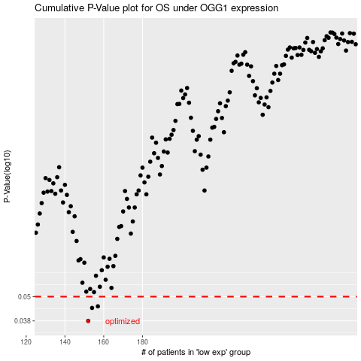

 |  |  |  |  |  | cases_OS | p_OS | rank | exp
 |  |  |  |  |  | 152 | 0.038 | 63 | -0.50810980367
 |  |  |  |  |  | 154 | 0.044 | 134 | -0.5021724703
 |  |  |  |  |  | 157 | 0.0448 | 6 | -0.49518236071
 |  |  |  |  |  |  | cases_RFS | p_RFS | rank | exp
 |  |  |  |  |  |  | 151 | 0.038 | 289 | -0.51154907552
 |  |  |  |  |  |  | 153 | 0.044 | 414 | -0.5067740558
 |  |  |  |  |  |  | 156 | 0.0448 | 225 | -0.49734673881

