OLAH _multivariate
Reported by Tex Li-Hsing Chi. tex@gate.sinica.edu.tw 2019-08-17

Table 2. The clinicopathological features of HNSCC cohort and OLAH expression. (Chi square test)
Cutoff at -0.291 (50.0%)
 |  | OLAH expression |  | OLAH expression |  | (Optimised)
 | Features | Low | (%) | High | (%) | Case no | P-value | Remark | Matthews
Gender | Female | 159 | 38.3 | 147 | 35.4 | 415 | 0.1905 | 0 | 0
2 | Male | 48 | 11.6 | 61 | 14.7
Age at diagnosis | <=65y | 128 | 30.8 | 146 | 35.2 | 415 | 0.0904 | 0 | 0
4 | >65y | 79 | 19 | 62 | 14.9
Clinical T Status | T1+T2 | 78 | 18.8 | 71 | 17.1 | 415 | 0.5152 | 0 | 0
6 | T3+T4 | 129 | 31.1 | 137 | 33
Clinical N Status | N0 | 108 | 26 | 108 | 26 | 415 | 1 | 0 | 0
8 | N1-3 | 99 | 23.9 | 100 | 24.1
Clinical M Status | M0 | 206 | 49.6 | 206 | 49.6 | 415 | 1 | 0 | 0
10 | M1 | 1 | 0.2 | 2 | 0.5
Clinical Stage | Stage I+II | 52 | 12.5 | 50 | 12 | 415 | 0.8871 | 0 | 0
12 | Stage III+IV | 155 | 37.3 | 158 | 38.1
Surgical Margin status | Negative | 163 | 39.3 | 155 | 37.3 | 415 | 0.3537 | 0 | 0
14 | Positive | 44 | 10.6 | 53 | 12.8
Tobacco Exposure | Low | 85 | 20.5 | 76 | 18.3 | 415 | 0.3655 | 0 | 0
16 | High | 122 | 29.4 | 132 | 31.8

Table 3. Univariate/Multivariate Cox's proportional hazards regression analyses on OS time of OLAH gene expression in HNSCC

 |  | Univariate |  |  |  | Multivariate
 | Features | HR | CI95%(L) | CI95%(H) | P-value | HR | CI95%(L) | CI95%(H) | P-value
1 | Female | 1 |  |  |  | 1
Gender | Male | 1.157 | 0.843 | 1.587 | 0.367 | 1.207 | 0.863 | 1.689 | 0.271
11 | <=65y | 1 |  |  |  | 1
Age at diagnosis | >65y | 1.329 | 0.99 | 1.784 | 0.058 | 1.379 | 1.011 | 1.882 | 0.042
12 | T1+T2 | 1 |  |  |  | 1
Clinical T Status | T3+T4 | 1.409 | 1.028 | 1.931 | 0.033 | 2.196 | 1.161 | 4.153 | 0.016
13 | N0 | 1 |  |  |  | 1
Clinical N Status | N1-3 | 1.185 | 0.89 | 1.577 | 0.246 | 1.232 | 0.862 | 1.762 | 0.252
14 | M0 | 1 |  |  |  | 1
Clinical M Status | M1 | 4.097 | 1.009 | 16.644 | 0.049 | 9.568 | 2.082 | 43.981 | 0.004
15 | Stage I+II | 1 |  |  |  | 1
Clinical Stage | Stage III+IV | 1.245 | 0.882 | 1.759 | 0.213 | 0.507 | 0.236 | 1.089 | 0.082
16 | Negative | 1 |  |  |  | 1
Surgical Margin status | Positive | 1.591 | 1.155 | 2.191 | 0.004 | 1.675 | 1.212 | 2.315 | 0.002
17 | Low | 1 |  |  |  | 1
Tobacco Exposure | High | 1.364 | 1.008 | 1.844 | 0.044 | 1.457 | 1.057 | 2.007 | 0.022
18 | Low | 1 |  |  |  | 1
RNAseq(z-score) | High | 0.939 | 0.705 | 1.252 | 0.669 | 0.947 | 0.706 | 1.27 | 0.717

Table 4. Univariate/Multivariate Cox's proportional hazards regression analyses on RFS time of OLAH gene expression in HNSCC

 |  | Univariate |  |  |  | Multivariate
 | Features | HR | CI95%(L) | CI95%(H) | P-value | HR | CI95%(L) | CI95%(H) | P-value
1 | Female | 1 |  |  |  | 1
Gender | Male | 1.157 | 0.843 | 1.587 | 0.367 | 1.207 | 0.863 | 1.689 | 0.271
11 | <=65y | 1 |  |  |  | 1
Age at diagnosis | >65y | 1.329 | 0.99 | 1.784 | 0.058 | 1.379 | 1.011 | 1.882 | 0.042
12 | T1+T2 | 1 |  |  |  | 1
Clinical T Status | T3+T4 | 1.409 | 1.028 | 1.931 | 0.033 | 2.196 | 1.161 | 4.153 | 0.016
13 | N0 | 1 |  |  |  | 1
Clinical N Status | N1-3 | 1.185 | 0.89 | 1.577 | 0.246 | 1.232 | 0.862 | 1.762 | 0.252
14 | M0 | 1 |  |  |  | 1
Clinical M Status | M1 | 4.097 | 1.009 | 16.644 | 0.049 | 9.568 | 2.082 | 43.981 | 0.004
15 | Stage I+II | 1 |  |  |  | 1
Clinical Stage | Stage III+IV | 1.245 | 0.882 | 1.759 | 0.213 | 0.507 | 0.236 | 1.089 | 0.082
16 | Negative | 1 |  |  |  | 1
Surgical Margin status | Positive | 1.591 | 1.155 | 2.191 | 0.004 | 1.675 | 1.212 | 2.315 | 0.002
17 | Low | 1 |  |  |  | 1
Tobacco Exposure | High | 1.364 | 1.008 | 1.844 | 0.044 | 1.457 | 1.057 | 2.007 | 0.022
18 | Low | 1 |  |  |  | 1
RNAseq(z-score) | High | 0.939 | 0.705 | 1.252 | 0.669 | 0.947 | 0.706 | 1.27 | 0.717

Kaplan-Meier survival estimate: Cutoff at -0.291 (50.0%)



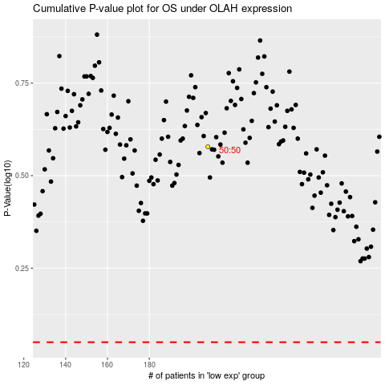

 |  |  |  |  |  | cases_OS | p_OS | rank | exp
 |  |  |  |  |  |  | cases_RFS | p_RFS | rank | exp

