OLFM1 _multivariate
Reported by Tex Li-Hsing Chi. tex@gate.sinica.edu.tw 2019-08-17

Table 2. The clinicopathological features of HNSCC cohort and OLFM1 expression. (Chi square test)
Cutoff at -0.395 (49.8%)
 |  | OLFM1 expression |  | OLFM1 expression |  | (Optimised)
 | Features | Low | (%) | High | (%) | Case no | P-value | Remark | Matthews
Gender | Female | 146 | 35.2 | 160 | 38.6 | 415 | 0.1714 | 0 | 0
2 | Male | 61 | 14.7 | 48 | 11.6
Age at diagnosis | <=65y | 131 | 31.6 | 143 | 34.5 | 415 | 0.2839 | 0 | 0
4 | >65y | 76 | 18.3 | 65 | 15.7
Clinical T Status | T1+T2 | 63 | 15.2 | 86 | 20.7 | 415 | 0.0268 | 1 | 0
6 | T3+T4 | 144 | 34.7 | 122 | 29.4
Clinical N Status | N0 | 110 | 26.5 | 106 | 25.5 | 415 | 0.7294 | 0 | 0
8 | N1-3 | 97 | 23.4 | 102 | 24.6
Clinical M Status | M0 | 205 | 49.4 | 207 | 49.9 | 415 | 0.6232 | 0 | 0
10 | M1 | 2 | 0.5 | 1 | 0.2
Clinical Stage | Stage I+II | 46 | 11.1 | 56 | 13.5 | 415 | 0.3182 | 0 | 0
12 | Stage III+IV | 161 | 38.8 | 152 | 36.6
Surgical Margin status | Negative | 160 | 38.6 | 158 | 38.1 | 415 | 0.8167 | 0 | 0
14 | Positive | 47 | 11.3 | 50 | 12
Tobacco Exposure | Low | 90 | 21.7 | 71 | 17.1 | 415 | 0.0559 | 0 | 0
16 | High | 117 | 28.2 | 137 | 33

Table 3. Univariate/Multivariate Cox's proportional hazards regression analyses on OS time of OLFM1 gene expression in HNSCC

 |  | Univariate |  |  |  | Multivariate
 | Features | HR | CI95%(L) | CI95%(H) | P-value | HR | CI95%(L) | CI95%(H) | P-value
1 | Female | 1 |  |  |  | 1
Gender | Male | 1.157 | 0.843 | 1.587 | 0.367 | 1.214 | 0.868 | 1.698 | 0.257
11 | <=65y | 1 |  |  |  | 1
Age at diagnosis | >65y | 1.329 | 0.99 | 1.784 | 0.058 | 1.391 | 1.023 | 1.89 | 0.035
12 | T1+T2 | 1 |  |  |  | 1
Clinical T Status | T3+T4 | 1.409 | 1.028 | 1.931 | 0.033 | 2.236 | 1.181 | 4.234 | 0.014
13 | N0 | 1 |  |  |  | 1
Clinical N Status | N1-3 | 1.185 | 0.89 | 1.577 | 0.246 | 1.231 | 0.862 | 1.758 | 0.254
14 | M0 | 1 |  |  |  | 1
Clinical M Status | M1 | 4.097 | 1.009 | 16.644 | 0.049 | 9.876 | 2.141 | 45.565 | 0.003
15 | Stage I+II | 1 |  |  |  | 1
Clinical Stage | Stage III+IV | 1.245 | 0.882 | 1.759 | 0.213 | 0.502 | 0.234 | 1.078 | 0.077
16 | Negative | 1 |  |  |  | 1
Surgical Margin status | Positive | 1.591 | 1.155 | 2.191 | 0.004 | 1.67 | 1.208 | 2.307 | 0.002
17 | Low | 1 |  |  |  | 1
Tobacco Exposure | High | 1.364 | 1.008 | 1.844 | 0.044 | 1.444 | 1.047 | 1.99 | 0.025
18 | Low | 1 |  |  |  | 1
RNAseq(z-score) | High | 1.057 | 0.793 | 1.409 | 0.704 | 1.106 | 0.825 | 1.482 | 0.5

Table 4. Univariate/Multivariate Cox's proportional hazards regression analyses on RFS time of OLFM1 gene expression in HNSCC

 |  | Univariate |  |  |  | Multivariate
 | Features | HR | CI95%(L) | CI95%(H) | P-value | HR | CI95%(L) | CI95%(H) | P-value
1 | Female | 1 |  |  |  | 1
Gender | Male | 1.157 | 0.843 | 1.587 | 0.367 | 1.214 | 0.868 | 1.698 | 0.257
11 | <=65y | 1 |  |  |  | 1
Age at diagnosis | >65y | 1.329 | 0.99 | 1.784 | 0.058 | 1.391 | 1.023 | 1.89 | 0.035
12 | T1+T2 | 1 |  |  |  | 1
Clinical T Status | T3+T4 | 1.409 | 1.028 | 1.931 | 0.033 | 2.236 | 1.181 | 4.234 | 0.014
13 | N0 | 1 |  |  |  | 1
Clinical N Status | N1-3 | 1.185 | 0.89 | 1.577 | 0.246 | 1.231 | 0.862 | 1.758 | 0.254
14 | M0 | 1 |  |  |  | 1
Clinical M Status | M1 | 4.097 | 1.009 | 16.644 | 0.049 | 9.876 | 2.141 | 45.565 | 0.003
15 | Stage I+II | 1 |  |  |  | 1
Clinical Stage | Stage III+IV | 1.245 | 0.882 | 1.759 | 0.213 | 0.502 | 0.234 | 1.078 | 0.077
16 | Negative | 1 |  |  |  | 1
Surgical Margin status | Positive | 1.591 | 1.155 | 2.191 | 0.004 | 1.67 | 1.208 | 2.307 | 0.002
17 | Low | 1 |  |  |  | 1
Tobacco Exposure | High | 1.364 | 1.008 | 1.844 | 0.044 | 1.444 | 1.047 | 1.99 | 0.025
18 | Low | 1 |  |  |  | 1
RNAseq(z-score) | High | 1.057 | 0.793 | 1.409 | 0.704 | 1.106 | 0.825 | 1.482 | 0.5

Kaplan-Meier survival estimate: Cutoff at -0.395 (49.8%)

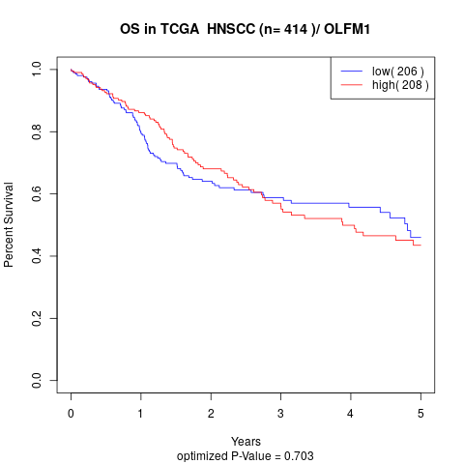

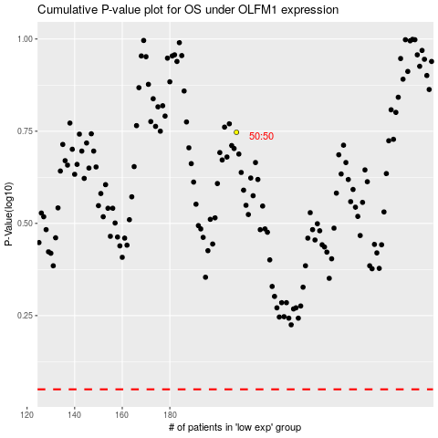

 |  |  |  |  |  | cases_OS | p_OS | rank | exp
 |  |  |  |  |  |  | cases_RFS | p_RFS | rank | exp

